Weekly Progress Report
MODON - Weekly Progress Report - Construction Projects |  |  |  |  |  |  |  |  |  |  |  |  |  |  |  |  |  |  |  |  |  |  |  |  |  |  |  |  |  |  | Data Date | 6-Oct-26
Contract General Information |  |  |  |  |  | Key Dates |  |  |  |  |  | Cost Summary (SR) |  |  |  |  |  |  |  | Performance Summary |  |  |  |  |  | Project Scope
Project Name | Development of Infrastructure for phase 1 of the Logistics area at the 2nd Industrial City in Dammam |  |  |  |  | Contract Award | 30-Jun-25 | Contract Award (Hijri) | 30/06/2025 | Revised Completion | 29-Jan-27 | Original Contract Value |  | 198,906,163 |  | O&M Value (if any) |  | 0 |  | Plan Value | 72.33% | Phys. Plan Value | 60.88% | Quality Score | 93.0% | The project consists of the wet networks mainlines (Sewerage, Storm, Potable, Firefighting & TSE) including the force main line, in addition to the dry networks (Medium Voltage, Low Voltage, Street Lighting & Telecommunication) road crossings & main line connections, scope also included supply, install, testing & commissioning for the potable water pump station and the sewage lift station and implementation of guard rooms and applying all the road earth layers till the asphalt wearing coarse for the project scope area internal roads & finishing the landscape
Project ID | DAM2-02-009 |  | Stage | Construction |  | Contract Sign | 14-Jul-25 | Contract Sign (Hijri) | 14/07/2025 | Committed Completion | 29-Jan-27 | Revised Contract Value |  | 198,906,163 |  | Submitted Invoices (Gross Value) |  | 62,889,674 |  | Earn Value | 51.49% | Phys. Earn Value | 42.47% |  | ¢¢¢¢¢ ¢¢¢¢£
Contractor | Shibh Aljazira Contracting Company |  | Status | Active |  | Site Handover | 30-Jul-25 | Site Handover (Hijri) | 30/07/2025 | Forecast Completion | 31-Jan-27 | Estimate At Completion Value |  | 198,906,163 |  | Penalities |  | (104,500) |  | Variance | (20.8%) | Variance | (18.4%) | Safety Score | 92.9%
Consultant | Egis |  | Modon PM | Muhammad H Al-Essa |  | Original Completion | 29-Jan-27 | Original Completion (Hijri) | 29/01/2027 | Variance | (2) | Potential Changes |  | 0 |  | FIR Value (Todate) |  | 77,303,418 |  | FIR % | 39% | Invoiced % | 32% |  | ¢¢¢¢¢ ¢¢¢¢£

Progress Overview
Earned Value Progress (SAR) |  |  |  |  |  |  |  |  |  |  |  |  |  | Physical Progress (Effort) |  |  |  |  |  |  |  |  |  |  |  | Earned Value Progress (%)
WBS |  | BOQ Value (SAR) | % Wt. | Weekly (SAR) |  | To Date (SAR) |  |  |  |  |  |  |  | Budgeted | % Wt. | Weekly Physical Progress |  |  |  | To Date Physical Progress
 |  |  |  | Planned | Earned | Original Plan | Revised Planned | Earned | Original Plan % | Revised Planned % | Earned % | Variance | SPI | (Manhours) |  | Planned | Earned | Plan % | Earned % | Planned | Earned | Plan % | Earned % | Variance | SPI
Demolishing & Site Clearing |  | 457,401 | 0.2% | 457,401.18 | 136,666.96 | 457,401.18 | 457,401.18 | 457,401.18 | 100.0% | 100.0% | 100.0% | 0.0% | 1.00 | 3,437.41 | 0.4% | 3,437.41 | (442.59) | 100.0% | -12.9% | 3,437.41 | 3,437.41 | 100.0% | 100.0% | 0.0% | 1.00
Earthworks & Site Grading |  | 31,040,592 | 15.6% | (21,385,796.84) | (22,502,335.33) | 31,040,591.65 | 31,040,591.65 | 29,924,053.16 | 100.0% | 100.0% | 96.4% | -3.6% | 0.96 | 22,808.80 | 2.5% | (45,319.20) | (24,484.41) | -198.7% | -107.3% | 22,808.80 | 21,945.45 | 100.0% | 96.2% | -3.8% | 0.96
Sewerage Network |  | 5,111,122 | 2.6% | 1,624,384.95 | (557,865.16) | 4,977,488.41 | 4,977,488.41 | 4,189,784.45 | 97.4% | 97.4% | 82.0% | -15.4% | 0.84 | 74,260.44 | 8.1% | (6,577.61) | (4,703.31) | -8.9% | -6.3% | 61,270.39 | 53,207.64 | 82.5% | 71.7% | -10.9% | 0.87
Storm Water Network |  | 21,808,728 | 11.0% | 2,413,306.51 | (87,002.14) | 20,044,695.51 | 20,044,695.51 | 18,078,711.87 | 91.9% | 91.9% | 82.9% | -9.0% | 0.90 | 143,781.21 | 15.6% | (17,378.91) | (4,682.10) | -12.1% | -3.3% | 122,269.09 | 112,215.05 | 85.0% | 78.0% | -7.0% | 0.92
Potable Water Network |  | 1,954,044 | 1.0% | 434,690.58 | (484,026.42) | 1,690,361.02 | 1,690,361.02 | 825,178.44 | 86.5% | 86.5% | 42.2% | -44.3% | 0.49 | 57,934.51 | 6.3% | (5,299.67) | (2,333.46) | -9.1% | -4.0% | 42,580.33 | 28,245.61 | 73.5% | 48.8% | -24.7% | 0.66
Fire Fighting Network |  | 4,678,457 | 2.4% | 728,032.03 | (843,901.22) | 3,773,268.89 | 3,773,268.89 | 2,943,158.75 | 80.7% | 62.9% | 62.9% | 0.0% | 1.00 | 63,346.29 | 6.9% | (10,585.14) | (2,914.99) | -16.7% | -4.6% | 44,606.86 | 32,601.72 | 70.4% | 51.5% | -19.0% | 0.73
TSE Network |  | 2,995,734 | 1.5% | 1,612,431.14 | (1,051,657.24) | 2,859,193.16 | 2,859,193.16 | 510,048.10 | 95.4% | 17.0% | 17.0% | 0.0% | 1.00 | 48,137.98 | 5.2% | (11,878.07) | (6,694.06) | -24.7% | -13.9% | 24,761.93 | 12,304.02 | 51.4% | 25.6% | -25.9% | 0.50
Potable Water Pump Station |  | 11,076,182 | 5.6% | (6,164,181.11) | (1,545,112.60) | 4,419,392.00 | 4,419,392.00 | 1,734,353.19 | 39.9% | 39.9% | 15.7% | -24.2% | 0.39 | 71,778.26 | 7.8% | (10,022.52) | 6,439.69 | -14.0% | 9.0% | 45,641.48 | 31,071.69 | 63.6% | 43.3% | -20.3% | 0.68
Sewerage Lift Station |  | 4,985,125 | 2.5% | (3,538,203.94) | (555,628.72) | 276,905.79 | 276,905.79 | 36,677.32 | 5.6% | 5.6% | 0.7% | -4.8% | 0.13 | 70,758.97 | 7.7% | (8,207.43) | 8,009.38 | -11.6% | 11.3% | 43,992.57 | 16,566.86 | 62.2% | 23.4% | -38.8% | 0.38
Medium Voltage Network |  | 5,452,229 | 2.7% | 544,090.55 | (218,032.33) | 4,202,411.68 | 4,202,411.68 | 1,171,998.14 | 77.1% | 21.5% | 21.5% | 0.0% | 1.00 | 34,290.88 | 3.7% | (12,927.56) | 613.08 | -37.7% | 1.8% | 17,112.44 | 11,751.82 | 49.9% | 34.3% | -15.6% | 0.69
Low Voltage Network |  | 1,876,943 | 0.9% | (938,830.07) | (239,073.68) | 438,370.80 | 438,370.80 | 16,626.84 | 23.4% | 0.9% | 0.9% | 0.0% | 1.00 | 31,587.58 | 3.4% | (13,293.74) | 360.13 | -42.1% | 1.1% | 12,066.26 | 6,547.20 | 38.2% | 20.7% | -17.5% | 0.54
Street Lighting Network |  | 8,486,131 | 4.3% | (1,475,230.98) | (508,605.97) | 3,549,231.93 | 3,549,231.93 | 1,407,366.57 | 41.8% | 16.6% | 16.6% | 0.0% | 1.00 | 76,760.06 | 8.3% | (38,391.43) | 2,909.95 | -50.0% | 3.8% | 32,896.57 | 17,438.08 | 42.9% | 22.7% | -20.1% | 0.53
Telecommunication Network |  | 4,454,966 | 2.2% | (1,170,100.71) | (420,209.79) | 1,677,087.96 | 1,677,087.96 | 965,354.72 | 37.6% | 37.6% | 21.7% | -16.0% | 0.58 | 62,092.94 | 6.7% | (33,174.44) | 3,043.51 | -53.4% | 4.9% | 23,457.56 | 15,462.07 | 37.8% | 24.9% | -12.9% | 0.66
Road Works |  | 79,068,381 | 39.8% | 4,629,678.59 | 11,794,897.01 | 63,789,839.95 | 63,789,839.95 | 40,015,000.92 | 80.7% | 80.7% | 50.6% | -30.1% | 0.63 | 80,303.58 | 8.7% | (36,526.22) | 642.95 | -45.5% | 0.8% | 38,233.78 | 19,355.50 | 47.6% | 24.1% | -23.5% | 0.51
Landscape |  | 14,727,630 | 7.4% | (4,388,547.82) | (49,702.42) | 570,737.12 | 570,737.12 | 98,475.60 | 3.9% | 3.9% | 0.7% | -3.2% | 0.17 | 44,855.31 | 4.9% | (27,678.83) | 2,488.35 | -61.7% | 5.5% | 7,105.17 | 3,081.95 | 15.8% | 6.9% | -9.0% | 0.43
Guard Rooms |  | 539,598 | 0.3% | (420,766.65) | (2,951.99) | 92,935.49 | 92,935.49 | 41,745.84 | 17.2% | 17.2% | 7.7% | -9.5% | 0.45 | 34,095.79 | 3.7% | (9,242.69) | 4,506.75 | -27.1% | 13.2% | 17,965.31 | 5,626.75 | 52.7% | 16.5% | -36.2% | 0.31
Provisional Sum |  | 192,901 | 0.1% | - | - | - | - | - | 0.0% | 0.0% | 0.0% | 0.0% |  | - | 0.0% | - | - | 0.0% | 0.0% | - | - | 0.0% | 0.0% | 0.0%
 | Total | 198,906,163 | 100.0% | (27,037,643) | (17,134,541) | 143,859,913 | 143,859,913 | 102,415,935 | 72.33% | 72.33% | 51.49% | -20.84% | 0.71 | 920,230 | 100.0% | (283,066) | (17,241) | -30.76% | -1.87% | 560,206 | 390,859 | 60.88% | 42.47% | -18.40% | 0.70
Earned Value - Cost
 | Baseline Plan | Revised / Recovery Plan | Earned Value | Forecast | Gross Paid Value
Jul-25 | 0.0% | 0.3% | 0.0% |  | 0.0%
Aug-25 | 0.9% | 1.7% | 0.0% |  | 0.0%
Sep-25 | 1.9% | 5.1% | 1.4% |  | 0.0%
Oct-25 | 4.8% | 11.1% | 3.3% |  | 0.0%
Nov-25 | 11.0% | 16.9% | 8.9% |  | 1.7%
Dec-25 | 19.3% | 22.2% | 19.2% |  | 4.4%
Jan-26 | 25.5% | 27.3% | 25.1% |  | 9.9%
Feb-26 | 31.9% | 30.7% | 31.4% |  | 9.9%
Mar-26 | 39.0% | 32.5% | 36.6% |  | 16.5%
Apr-26 | 53.3% | 34.9% | 39.0% |  | 16.5%
May-26 | 64.1% | 37.8% | 51.2% |  | 16.5%
Jun-26 | 68.9% | 43.6% | 50.3% |  | 21.2%
Jul-26 | 77.4% | 68.8% | 51.2% |  | 25.2%
Aug-26 | 82.2% | 86.6% | 53.1% |  | 25.2%
Sep-26 | 86.2% | 95.7% | 51.5% |  | 31.6%
Oct-26 | 90.9% | 100.0% | 51.5% | 51.5%
Nov-26 | 99.0% | 100.0% |  | 77.8%
Dec-26 | 100.0% | 100.0% |  | 96.4%
Jan-27 | 100.0% | 100.0% |  | 100.0%
Feb-27
Mar-27
Apr-27
May-27
Jun-27
Physical Progress - Effort
 | Baseline Plan | Revised / Recovery Plan | Earned Effort % | Forecast
Jul-25 | 0.0% | 0.0% | 0.0%
Aug-25 | 0.5% | 0.0% | 0.4%
Sep-25 | 1.2% | 0.3% | 0.9%
Oct-25 | 2.6% | 1.0% | 1.6%
Nov-25 | 5.1% | 2.0% | 2.8%
Dec-25 | 11.1% | 4.0% | 4.9%
Jan-26 | 21.7% | 6.9% | 7.7%
Feb-26 | 34.5% | 10.6% | 11.4%
Mar-26 | 46.9% | 14.1% | 15.6%
Apr-26 | 61.5% | 18.6% | 22.7%
May-26 | 72.2% | 22.5% | 33.0%
Jun-26 | 79.8% | 26.5% | 37.3%
Jul-26 | 86.9% | 30.6% | 40.4%
Aug-26 | 92.2% | 34.8% | 42.8%
Sep-26 | 95.4% | 55.9% | 44.2%
Oct-26 | 97.1% | 78.9% | 44.2% | 44.2%
Nov-26 | 98.9% | 92.9% |  | 74.5%
Dec-26 | 99.6% | 100.0% |  | 99.4%
Jan-27 | 100.0% | 100.0% |  | 100.0%
Feb-27
Mar-27
Apr-27
May-27
 |  |  |  |  |  |  |  |  |  |  |  |  |  |  |  |  |  |  |  |  |  |  |  |  |  | Construction Milestones
 |  |  |  |  |  |  |  |  |  |  |  |  |  |  |  |  |  |  |  |  |  |  |  |  |  | Item No. | Milestones |  | Original (Baseline) | Latest Plan | Forecast | Status | Days Change
 |  |  |  |  |  |  |  |  |  |  |  |  |  |  |  |  |  |  |  |  |  |  |  |  |  | 1 | Award Date |  | 30-Jun-25 | 30-Jun-25 | 30-Jun-25 | A | 0
 |  |  |  |  |  |  |  |  |  |  |  |  |  |  |  |  |  |  |  |  |  |  |  |  |  | 2 | Contract Sign Date |  | 14-Jul-25 | 14-Jul-25 | 14-Jul-25 | A | 0
 |  |  |  |  |  |  |  |  |  |  |  |  |  |  |  |  |  |  |  |  |  |  |  |  |  | 3 | Site Handover Date |  | 30-Jul-25 | 30-Jul-25 | 30-Jul-25 | A | 0
 |  |  |  |  |  |  |  |  |  |  |  |  |  |  |  |  |  |  |  |  |  |  |  |  |  | 4 | Complete Mobilization |  | 30-Aug-25 | 30-Aug-25 | 30-Aug-25 | A | 0
 |  |  |  |  |  |  |  |  |  |  |  |  |  |  |  |  |  |  |  |  |  |  |  |  |  | 7 | Complete Earthworks |  | 15-Sep-26 | 15-Sep-26 | 24-Oct-26 | F | (39)
 |  |  |  |  |  |  |  |  |  |  |  |  |  |  |  |  |  |  |  |  |  |  |  |  |  | 8 | Complete all Wet Networks |  | 22-Nov-26 | 22-Nov-26 | 9-Dec-26 | F | (17)
 |  |  |  |  |  |  |  |  |  |  |  |  |  |  |  |  |  |  |  |  |  |  |  |  |  | 9 | Complete Electrical Works |  | 24-Nov-26 | 24-Nov-26 | 10-Dec-26 | F | (16)
 |  |  |  |  |  |  |  |  |  |  |  |  |  |  |  |  |  |  |  |  |  |  |  |  |  | 10 | Complete all Works including Testing & Commissioning, Cleanup, Closeout Documentation and Ready for Initial Handover |  | 14-Jan-27 | 14-Jan-27 | 31-Jan-27 | F | (17)
 |  |  |  |  |  |  |  |  |  |  |  |  |  |  |  |  |  |  |  |  |  |  |  |  |  | 11 | Complete Demobilization |  | 25-Jan-27 | 25-Jan-27 | 10-Feb-27 | F | (16)
 |  |  |  |  |  |  |  |  |  |  |  |  |  |  |  |  |  |  |  |  |  |  |  |  |  | 12 | Project Handover |  | 29-Jan-27 | 29-Jan-27 | 15-Feb-27 | F | (17)
Project Status Score
 | Max | Score
SPI (Physical Effort) | 100% | 70%
SPI (Cost) | 100% | 71%
On Schedule -Active | 100% | 910%
Manpower Availability | 100% | 134%
Major Equipment Availability | 100% | 217%
Billing % Compared to Planned | 100% | 0%
Safety Score | 100% | 92%
Quality Score | 100% | 0%
Actual Invoices
 | Monthly Gross Value
 | 3,437,652.20
 | 5,352,442.12
 | 10,988,940.12
 | 12,998,014.00
 | 9,370,944.56
 | 8,014,146.05
 | 12,727,534.48

8,984,239

Performance overview
Submittals Status |  |  |  |  |  |  |  |  |  |  | Quality |  |  |  |  |  |  |  |  |  |  | Safety
Shop Drawings |  |  |  |  |  |  |  |  |  |  | Quality Reports |  |  |  |  |  |  |  |  |  |  | Safety Statistics |  |  |  |  |  |  |  | Proactive Vs Reactive Actions Taken
Item Per WBS |  | Total | Total Submitted Drawings |  |  |  |  | Remaining | Pending | Total Submittals | Quality Reports |  | Issued | Closed | Pending | Avg. Closing (Days) | Pending |  |  |  |  | Category | Item |  | This Week |  | This Month | Year to Date | Cumulative
 |  |  | A | B | C | D | Processed |  |  |  |  |  |  |  |  |  | 0-10 Days | 11-20 Days | 21-30 Days | 31-60 Days | > 60 Days
CVL |  | 1063 | 8 | 1055 | 0 | 0 | 1063 | 0 | 0 | 1063 |  |  |  |  |  |  |  |  |  |  |  | General | Total Hours Worked |  | 34,740 |  | 34,740 | 740,184 | 805,242 |  |  | Proactive | 6
Mech |  | 212 | 0 | 212 | 0 | 0 | 212 | 0 | 0 | 212 | Non Conformance (NCR) |  | 4 | 3 | 1 | 0 | 0 | 0 | 0 | 0 | 0 |  | Safe Hours Worked |  | 34,740 |  | 34,740 | 740,184 | 805,242 |  |  | Reactive | 0
Elec |  | 41 | 0 | 41 | 0 | 0 | 41 | 0 | 0 | 41 | Site Instruction (SIR) |  | 50 | 41 | 9 | 0 | 0 | 0 | 0 | 0 | 0 | Reactive | LTI |  | 0 |  | 0 | 0 | 0
Landscape & Arch |  | 458 | 0 | 458 | 0 | 0 | 458 | 0 | 0 | 458 | Material Inspection (MIR) |  | 109 | 108 | 1 | 0 | 0 | 0 | 0 | 0 | 0 |  | MTC (Healed w/o Disability) |  | 0 |  | 0 | 0 | 0
 |  |  |  |  |  |  |  |  |  |  | Field Inspection (FIR) |  | 4,296 | 4,128 | 168 | 0 | 0 | 0 | 0 | 0 | 0 |  | MTC (Healed w/ Disability) |  | 0 |  | 0 | 0 | 0
TOTAL |  | 1,774 | 8 | 1,766 | 0 | 0 | 1,774 | 0 | 0 | 1,774 | Key Submittals Approval Status |  |  |  |  |  |  |  |  |  |  |  | Near Miss |  | 0 |  | 0 | 0 | 0
Material Approval |  |  |  |  |  |  |  |  |  |  | 1 Quality Plan Approval |  |  | 24-Feb-24 |  | 6 Baseline Approval |  |  |  | 10-Mar-24 |  |  | First Aid Cases |  | 0 |  | 0 | 0 | 0 | Total Hours Worked Vs Safe Hours Worked
Item Per WBS |  | Total | Total Submitted Material |  |  |  |  | Remaining to approve | Pending | Total Submittals | 2 Quality Plan Last Up |  |  | 24-Feb-24 |  | 7 No of Approved Version of Schedule |  |  |  | 1 |  |  | Fatality |  | 0 |  | 0 | 0 | 0
 |  |  | A | B | C | D | Processed |  |  |  | 3 Safety Plan Approval |  |  | 28-Feb-24 |  | 8 Last Approved Schedule |  |  |  | 10-Mar-24 |  |  | Fire Incident Cases |  | 0 |  | 0 | 0 | 0
Civil & Roads |  | 75 | 2 | 73 | 3 | 1 | 75 | 0 | 3 | 82 | 4 Safety Plan Last Up |  |  | 28-Feb-24 |  | 9 BOQ Approval Date |  |  |  | 0 |  |  | Vehicle Incident |  | 0 |  | 0 | 0 | 0
Electrical |  | 30 | 0 | 22 | 0 | 0 | 22 | 8 | 0 | 22 | 5 Construction Plan Approval |  |  | 26-Feb-24 |  | 10 No of Approved Version of BOQ |  |  |  | 1 |  |  | Property Damages |  | 0 |  | 0 | 0 | 0
Mechanical |  | 48 | 0 | 41 | 0 | 2 | 41 | 7 | 0 | 43 | Invoices Summary |  |  |  |  |  |  |  |  |  |  | Proactive | Induction Training |  | 29 |  | 29 | 114(531) | 143(855)
 |  |  |  |  |  |  |  |  |  |  | Total Submitted Invoices |  | 6 | Submitted Invoices (SAR) |  |  | 62,889,674 |  | Contract Value (SR) | 198,906,163 |  |  | No.of Internal Training |  | 0 |  | 2 (9) | 5(23) | 13(98)
 |  |  |  |  |  |  |  |  |  |  | PM Approved Invoices |  | 0 | PM Approved Invoices (SAR) |  |  | 0 |  | Planned Value (SR) | 143,859,913 |  |  | No.of Internal Audit |  | 0 |  | 1 | 4 | 4
TOTAL |  | 153 | 2 | 136 | 3 | 3 | 138 | 15 | 3 | 147 | No of Paid Invoices |  | 0 | Paid Invoices (SAR) |  |  | 0 |  | Earned Value (SR) | 102,415,935 |  |  | No. of Toolbox Talks |  | 3(325) |  | 3(325) | (40)3119 | 53(8348
Procurement Summary |  |  |  |  |  |  |  |  |  |  | No of Pending Invoices |  | 0 | Last Submitted Period |  |  | 15-Sep-26 |  | Submitted (SAR) | 62,889,674 |  |  | Safety Awards/Incentives |  | 0 |  | 0 | 1 | 2
Item Per WBS |  | Total Materials | Total Number of P.O. | Actual P.O. To Date | Remaining P.O | Material on Site | Remaining Materials | Material Delivery Completion (Date) |  |  | Advance Payment % |  | 0% | Advance Payment (SAR) |  |  | 0 |  | PM Approved (SAR) | 0 |  | Latest Contract Change Order Log
 |  |  |  |  |  |  |  |  |  |  | Retention % |  | 0% | Retention (SAR) |  |  | 0 |  | Total Paid (SAR) | 0
Civil & Roads |  | 75 | 75 | 75 | 0 | 42 | 33 | 9-Nov-2026 |  |  | Deduction / Penalties % |  | 0% | Deduction / Penalties (SAR) |  |  | (104,500) |  |  |  |  | CCO No. | Date Added | Description of Change |  |  |  |  | Status | Cost | Sch Impact (Months) | Date Approved | Duration
Electrical |  | 30 | 30 | 22 | 0 | 11 | 19 | 27-Sep-2026 |  |  | Resources at Site
Mechanical |  | 48 | 48 | 42 | 0 | 21 | 27 | 28-Sep-2026 |  |  | Head Count - Non Manual |  |  |  | Head Count - Manual |  |  |  | Total Head Count |  |  | 0 | 0 | 0 |  |  |  |  | 0 | 0 | 0 | 0 | 0
 |  |  |  |  |  |  |  |  |  |  | Planned | Actual | Next Month Forecast | Saudi Staff | Planned | Actual | Next Month Forecast | Saudi Staff | Total Plan | Total Actual | Variance
 |  |  |  |  |  |  |  |  |  |  | 35 | 57 | 165 | 4 | 360 | 483 | 560 | 0 | 395 | 540 | 145
TOTAL |  | 48 | 48 | 42 | 0 | 21 | 27 | 9-Nov-26 |  |  | Manpower Breakdown by Trade |  |  |  |  |  |  | Major Equipment
 | Plan - Monthly | Actual - Monthly | Forecast - Monthly
Jul-25 | 1 | 5
Aug-25 | 12 | 31
Sep-25 | 18 | 65
Oct-25 | 35 | 80
Nov-25 | 85 | 93
Dec-25 | 116 | 146
Jan-26 | 205 | 151
Feb-26 | 203 | 172
Mar-26 | 244 | 217
Apr-26 | 248 | 305
May-26 | 263 | 364
Jun-26 | 258 | 408
Jul-26 | 243 | 420
Aug-26 | 391 | 499
Sep-26 | 142 | 519
Oct-26 | 78 | 537
Nov-26 | 78 |  | 560
Dec-26 | 24 |  | 324
Jan-27 | 15 |  | 155
Primavera P6 Schedule Status |  |  |  |  |  |  |  |  |  |  | Key Trade | Planned | Actual |  |  |  |  | Type | Planned | Actual | Idle
Project Activities Overview |  |  |  |  |  |  |  |  |  |  | General Labor | 120 | 119 |  |  |  |  | Excavator | 22 | 23 | 0
Schedule Statistics |  |  |  |  | Active Schedule Activities |  |  |  |  |  | Carpenter | 15 | 68 |  |  |  |  | Loader | 8 | 13 | 0 | Major Quantity Trackers
Total Act. | Not Started | In Progress | Completed | % | Active | Ahead | On | Behind | Flag | 0 | Plumber | 16 | 33 |  |  |  |  | W.Tanker | 14 | 18 | 0 | BOQ N0. | Item Description |  |  |  |  | Total Qty | Measu Unit | Plan to Date | Act to Date | Remaining | Variance
4,851 | 2,454 | 157 | 2,240 | 46.18% | 157 | 9 | 1,419 | 119 | 1,309 |  | Operator | 125 | 237 |  |  |  |  | Dumper | 28 | 163 | 0 | B1.1.31 23 19.01 | Surface Dewatering |  |  |  |  | 1.00 | Unit | 1.00 | 1.00 | 0.00 | 0.00
Critical Path Activities |  |  | Free Float Management (Total) |  |  |  | Failed Start Activities |  |  |  | Surveyor | 14 | 9 |  |  |  |  | Dozer | 8 | 10 | 0 | B1.1.31 23 16.01 | All Excavation |  |  |  |  | 853395.00 | m³ | 853395.00 | 825820.73 | 27574.27 | -27574.27
 |  |  | Greater Than 14 Days |  | Less Than 14 Days |  |  |  |  |  | Others | 70 | 17 |  |  |  |  | Grader | 8 | 8 | 0 | B1.1.31 23 23.01 | All Backfilling |  |  |  |  | 1481028.01 | m³ | 1481028.01 | 1341040.26 | 139987.75 | -139987.75
Last Week | This Week | Diff | Last Week | This Week | Last Week | This Week | Last Week | This Week | Flag | 0 |  |  |  |  |  |  |  | Other | 62 | 91 | 0 | B1.2.32 11 26.01 | Asphalt (Base+Wearing) |  |  |  |  | 64334.00 | m³ | 45507.96 | 21675.67 | 42658.33 | -23832.29
129 | 45 | 84 | 928 | 327 | 1734 | 2279 | 1796 | 1152 | 644 |  | Total | 360 | 483 |  |  |  |  | Total | 150 | 326 | 0 | 33 31 00 | Sew. Pipes |  |  |  |  | 7567.08 | Lm | 1.89 | 5484.35 | 2082.73 | 5482.46
Weekly Prgoress Photos |  |  |  |  |  |  |  |  |  |  |  |  |  |  |  | Top Issues and Risks
Road & Plots Works |  |  |  |  | Electrical Networks (Street Lighting Installations, Telecom Ductbank, MV Cable Excavation) |  |  | Pump & Lift Station |  |  | Wet Networks |  |  |  |  | Top 5 Issues
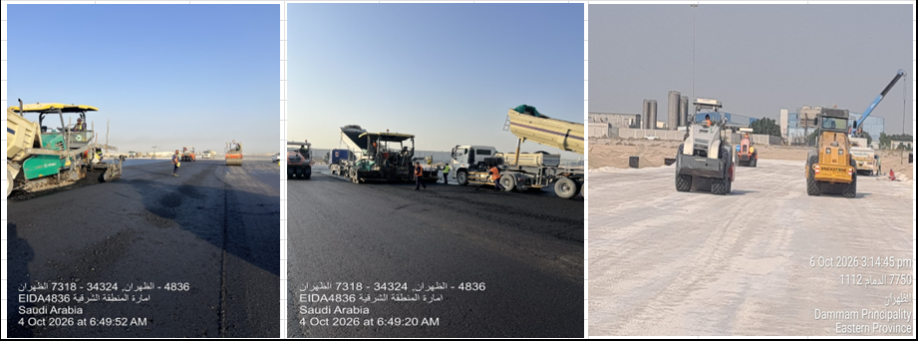
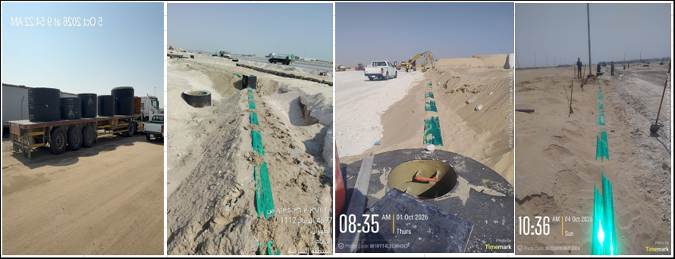
 |  |  |  |  |  |  |  |  |  |  |  |  |  |  |  | Issue No | Date Identified | Issue Description |  |  |  | Responsible | Action Taken |  |  | Mitigation |  |  |  |  | Current Status | Expected/Actual Closure | Duration Elapsed
 |  |  |  |  |  |  |  |  |  |  |  |  |  |  |  | 1 | 2026-04-01 | قلة عدد العمالة والمعدات و توقف مقاول الباطن |  |  |  | Contractor | جاري اسناد جزء من المشروع لمقاول آخر و جاري توفير عمالة من الشركة لاستكمال الاعمال المتبقية حيث ان عدد العمالة الحالي 304 والمعدات 184 معدة والمضخات الى 30 مضخة نزح ,و وجوب استمرار زيادة العمالة والمعدات لتحقيق مستهدفات مدن |  |  |  |  |  |  |  | Open | 2026-05-01 | 188
 |  |  |  |  |  |  |  |  |  |  |  |  |  |  |  | 2 | 2026-06-01 | تأخر أعمال العبارة بالطريق الشرياني |  |  |  | Contractor | جاري الانتهاء من الحدادة ل 16 فواصل وصب قاعدة لعدد 03 فاصل تم حفر 14 و جاري 03 فواصل أخرى |  |  |  |  |  |  |  | Open | 2026-07-01 | 127
 |  |  |  |  |  |  |  |  |  |  |  |  |  |  |  | 3 | 2026-06-01 | ضرورة الانتهاء من تنفيذ الشبكات لتحقيق جاهزية الموقع وبدء أعمال الطرق |  |  |  | Other | تم استبعاد مقاول الباطن يوناسكو و سحب اعتماده لعدم وفاءه بمستهدفات مدن و على المقاول العمل بشكل مباشر على الشبكات او تقديم مقاول باطن للاعتماد |  |  |  |  |  |  |  | Open | 2026-07-01 | 127
 |  |  |  |  |  |  |  |  |  |  |  |  |  |  |  | 4 |  |  |  |  |  |  | 0
 |  |  |  |  |  |  |  |  |  |  |  |  |  |  |  | 5 |  |  |  |  |  |  | 0

Progress
Project Scope Statement | The project consists of the wet networks mainlines (Sewerage, Storm, Potable, Firefighting & TSE) including the force main line, in addition to the dry networks (Medium Voltage, Low Voltage, Street Lighting & Telecommunication) road crossings & main line connections, scope also included supply, install, testing & commissioning for the potable water pump station and the sewage lift station and implementation of guard rooms and applying all the road earth layers till the asphalt wearing coarse for the project scope area internal roads & finishing the landscape |  |  |  |  |  |  |  |  |  |  |  |  |  |  |  | Data Date | 6-Oct-26

Earned Value Progress (SAR) |  |  |  |  |  |  |  |  | Physical Progress (Effort)
WBS |  | BOQ Value (SAR) | % Wt. | Weekly (SAR) |  |  | To Date (SAR) |  | Budgeted | % Wt. | Weekly Physical Progress |  | To Date Physical Progress
 |  |  |  | Planned | Earned | Original Plan | Planned | Earned | (Manhours) |  | Planned | Earned | Planned | Earned
Demolishing & Site Clearing |  | 457,401.18 | 0.23% | 457,401.18 | 136,666.96 | 457,401.18 | 457,401.18 | 457,401.18 | 3,437.41 | 0.37% | 3,437.41 | (442.59) | 3,437.41 | 3,437.41
Earthworks & Site Grading |  | 31,040,591.65 | 15.61% | (21,385,796.84) | (22,502,335.33) | 31,040,591.65 | 31,040,591.65 | 29,924,053.16 | 22,808.80 | 2.48% | (45,319.20) | (24,484.41) | 22,808.80 | 21,945.45
Sewerage Network |  | 5,111,121.83 | 2.57% | 1,624,384.95 | (557,865.16) | 4,977,488.41 | 4,977,488.41 | 4,189,784.45 | 74,260.44 | 8.07% | (6,577.61) | (4,703.31) | 61,270.39 | 53,207.64
Engineering |  | - | 0.00% | (164,912.76) | (164,912.76) | - | - | - | 568.60 | 0.06% | 568.60 | 568.60 | 568.60 | 568.60
Procurement |  | - | 0.00% | (1,088,658.61) | (1,074,742.62) | - | - | - | 10,403.33 | 1.13% | 641.94 | 1,082.73 | 10,209.94 | 8,522.73
Construction |  | 5,111,121.83 | 2.57% | 2,877,956.32 | 681,790.21 | 4,977,488.41 | 4,977,488.41 | 4,189,784.45 | 53,551.26 | 5.82% | (7,788.15) | (12,846.14) | 50,491.85 | 37,624.81
Testing & Commissioning |  | - | 0.00% | - | - | - | - | - | 9,737.25 | 1.06% | - | 6,491.50 | - | 6,491.50
Storm Water Network |  | 21,808,728.44 | 10.96% | 2,413,306.51 | (87,002.14) | 20,044,695.51 | 20,044,695.51 | 18,078,711.87 | 143,781.21 | 15.62% | (17,378.91) | (4,682.10) | 122,269.09 | 112,215.05
Engineering |  | - | 0.00% | (468,720.89) | (468,720.89) | - | - | - | 984.12 | 0.11% | 984.12 | 984.12 | 984.12 | 984.12
Procurement |  | - | 0.00% | (3,131,749.76) | (3,049,254.17) | - | - | - | 14,474.20 | 1.57% | 903.41 | 2,620.65 | 14,439.41 | 13,952.76
Construction |  | 21,808,728.44 | 10.96% | 6,013,777.17 | 3,430,972.92 | 20,044,695.51 | 20,044,695.51 | 18,078,711.87 | 118,164.90 | 12.84% | (19,266.43) | (14,778.36) | 106,845.57 | 90,786.68
Testing & Commissioning |  | - | 0.00% | - | - | - | - | - | 10,157.99 | 1.10% | - | 6,491.50 | - | 6,491.50
Potable Water Network |  | 1,954,044.36 | 0.98% | 434,690.58 | (484,026.42) | 1,690,361.02 | 1,690,361.02 | 825,178.44 | 57,934.51 | 6.30% | (5,299.67) | (2,333.46) | 42,580.33 | 28,245.61
Engineering |  | - | 0.00% | (60,017.87) | (60,017.87) | - | - | - | 583.28 | 0.06% | 583.28 | 583.28 | 583.28 | 583.28
Procurement |  | - | 0.00% | (408,079.93) | (385,185.03) | - | - | - | 12,873.59 | 1.40% | 1,033.59 | 982.25 | 12,873.59 | 10,590.25
Construction |  | 1,954,044.36 | 0.98% | 902,788.38 | (38,823.51) | 1,690,361.02 | 1,690,361.02 | 825,178.44 | 34,379.75 | 3.74% | (6,916.54) | (3,898.99) | 29,123.46 | 17,072.08
Testing & Commissioning |  | - | 0.00% | - | - | - | - | - | 10,097.89 | 1.10% | - | - | - | -
Fire Fighting Network |  | 4,678,456.73 | 2.35% | 728,032.03 | (843,901.22) | 3,773,268.89 | 3,773,268.89 | 2,943,158.75 | 63,346.29 | 6.88% | (10,585.14) | (2,914.99) | 44,606.86 | 32,601.72
Engineering |  | - | 0.00% | (152,195.71) | (152,195.71) | - | - | - | 481.12 | 0.05% | 481.12 | 481.12 | 481.12 | 481.12
Procurement |  | - | 0.00% | (998,118.82) | (956,280.59) | - | - | - | 13,221.63 | 1.44% | (58.37) | 1,174.40 | 13,221.63 | 12,374.37
Construction |  | 4,678,456.73 | 2.35% | 1,878,346.57 | 671,677.49 | 3,773,268.89 | 3,773,268.89 | 2,943,158.75 | 39,485.54 | 4.29% | (11,007.89) | (4,284.91) | 30,904.11 | 19,746.23
Testing & Commissioning |  | - | 0.00% | - | (407,102.41) | - | - | - | 10,157.99 | 1.10% | - | (285.60) | - | -
TSE Network |  | 2,995,733.64 | 1.51% | 1,612,431.14 | (1,051,657.24) | 2,859,193.16 | 2,859,193.16 | 510,048.10 | 48,137.98 | 5.23% | (11,878.07) | (6,694.06) | 24,761.93 | 12,304.02
Engineering |  | - | 0.00% | (53,313.60) | (53,313.60) | - | - | - | 1,075.88 | 0.12% | 1,075.88 | 1,075.88 | 1,075.88 | 1,075.88
Procurement |  | - | 0.00% | (355,823.88) | (339,765.94) | - | - | - | 15,761.57 | 1.71% | (7,569.26) | 447.56 | 6,926.74 | 5,573.96
Construction |  | 2,995,733.64 | 1.51% | 2,021,568.62 | (299,171.44) | 2,859,193.16 | 2,859,193.16 | 510,048.10 | 21,142.54 | 2.30% | (5,384.69) | (7,884.30) | 16,759.31 | 5,654.18
Testing & Commissioning |  | - | 0.00% | - | (359,406.26) | - | - | - | 10,157.99 | 1.10% | - | (333.20) | - | -
Potable Water Pump Station |  | 11,076,181.82 | 5.57% | (6,164,181.11) | (1,545,112.60) | 4,419,392.00 | 4,419,392.00 | 1,734,353.19 | 71,778.26 | 7.80% | (10,022.52) | 6,439.69 | 45,641.48 | 31,071.69
Engineering |  | - | 0.00% | (302,498.17) | (302,498.17) | - | - | - | 5,518.00 | 0.60% | 5,518.00 | 5,474.26 | 5,518.00 | 5,474.26
Procurement |  | - | 0.00% | (1,829,655.89) | (1,399,003.52) | - | - | - | 44,188.07 | 4.80% | (4,708.74) | 1,049.72 | 35,931.26 | 23,833.72
Construction |  | 11,076,181.82 | 5.57% | (4,032,027.05) | 156,389.08 | 4,419,392.00 | 4,419,392.00 | 1,734,353.19 | 14,498.77 | 1.58% | (10,831.78) | (84.29) | 4,192.22 | 1,763.71
Testing & Commissioning |  | - | 0.00% | - | - | - | - | - | 7,573.41 | 0.82% | - | - | - | -
Sewerage Lift Station |  | 4,985,124.69 | 2.51% | (3,538,203.94) | (555,628.72) | 276,905.79 | 276,905.79 | 36,677.32 | 70,758.97 | 7.69% | (8,207.43) | 8,009.38 | 43,992.57 | 16,566.86
Engineering |  | - | 0.00% | (119,188.88) | (119,188.88) | - | - | - | 7,363.85 | 0.80% | 7,363.85 | 7,363.85 | 7,363.85 | 7,363.85
Procurement |  | - | 0.00% | (794,593.99) | (438,612.23) | - | - | - | 46,623.63 | 5.07% | (8,943.44) | 699.75 | 33,936.56 | 8,714.83
Construction |  | 4,985,124.69 | 2.51% | (2,624,421.07) | 2,172.39 | 276,905.79 | 276,905.79 | 36,677.32 | 9,198.08 | 1.00% | (6,627.84) | (54.22) | 2,692.16 | 488.18
Testing & Commissioning |  | - | 0.00% | - | - | - | - | - | 7,573.41 | 0.82% | - | - | - | -
Medium Voltage Network |  | 5,452,229.25 | 2.74% | 544,090.55 | (218,032.33) | 4,202,411.68 | 4,202,411.68 | 1,171,998.14 | 34,290.88 | 3.73% | (12,927.56) | 613.08 | 17,112.44 | 11,751.82
Engineering |  | - | 0.00% | (143,651.50) | (143,651.50) | - | - | - | 415.52 | 0.05% | 415.52 | 415.52 | 415.52 | 415.52
Procurement |  | - | 0.00% | (957,642.81) | (941,313.50) | - | - | - | 11,655.91 | 1.27% | (1,803.25) | 826.03 | 11,316.75 | 10,287.49
Construction |  | 5,452,229.25 | 2.74% | 1,645,384.87 | 866,932.67 | 4,202,411.68 | 4,202,411.68 | 1,171,998.14 | 16,449.24 | 1.79% | (11,539.82) | (628.47) | 5,380.18 | 1,048.81
Testing & Commissioning |  | - | 0.00% | - | - | - | - | - | 5,770.22 | 0.63% | - | - | - | -
Low Voltage Network |  | 1,876,943.13 | 0.94% | (938,830.07) | (239,073.68) | 438,370.80 | 438,370.80 | 16,626.84 | 31,587.58 | 3.43% | (13,293.74) | 360.13 | 12,066.26 | 6,547.20
Engineering |  | - | 0.00% | (30,854.52) | (30,854.52) | - | - | - | 328.04 | 0.04% | 328.04 | 328.04 | 328.04 | 328.04
Procurement |  | - | 0.00% | (205,735.77) | (203,197.30) | - | - | - | 5,984.53 | 0.65% | 387.08 | 430.51 | 5,891.08 | 5,361.58
Construction |  | 1,876,943.13 | 0.94% | (702,239.78) | (5,021.86) | 438,370.80 | 438,370.80 | 16,626.84 | 19,264.37 | 2.09% | (14,008.86) | (398.42) | 5,847.14 | 857.58
Testing & Commissioning |  | - | 0.00% | - | - | - | - | - | 6,010.65 | 0.65% | - | - | - | -
Street Lighting Network |  | 8,486,130.58 | 4.27% | (1,475,230.98) | (508,605.97) | 3,549,231.93 | 3,549,231.93 | 1,407,366.57 | 76,760.06 | 8.34% | (38,391.43) | 2,909.95 | 32,896.57 | 17,438.08
Engineering |  | - | 0.00% | (221,891.95) | (221,891.95) | - | - | - | 430.10 | 0.05% | 430.10 | 430.10 | 430.10 | 430.10
Procurement |  | - | 0.00% | (1,465,114.05) | (1,384,027.12) | - | - | - | 15,657.19 | 1.70% | (2,967.06) | 502.44 | 15,272.94 | 12,539.69
Construction |  | 8,486,130.58 | 4.27% | 211,775.02 | 1,097,313.11 | 3,549,231.93 | 3,549,231.93 | 1,407,366.57 | 51,656.80 | 5.61% | (35,854.47) | 1,977.41 | 17,193.53 | 4,468.29
Testing & Commissioning |  | - | 0.00% | - | - | - | - | - | 9,015.97 | 0.98% | - | - | - | -
Telecommunication Network |  | 4,454,965.57 | 2.24% | (1,170,100.71) | (420,209.79) | 1,677,087.96 | 1,677,087.96 | 965,354.72 | 62,092.94 | 6.75% | (33,174.44) | 3,043.51 | 23,457.56 | 15,462.07
Engineering |  | - | 0.00% | (127,110.69) | (127,110.69) | - | - | - | 306.17 | 0.03% | 306.17 | 306.17 | 306.17 | 306.17
Procurement |  | - | 0.00% | (849,948.55) | (849,948.55) | - | - | - | 5,427.83 | 0.59% | 435.83 | 435.83 | 5,427.83 | 5,427.83
Construction |  | 4,454,965.57 | 2.24% | (193,041.47) | 556,849.44 | 1,677,087.96 | 1,677,087.96 | 965,354.72 | 50,588.72 | 5.50% | (33,916.44) | 2,301.51 | 17,723.56 | 9,728.07
Testing & Commissioning |  | - | 0.00% | - | - | - | - | - | 5,770.22 | 0.63% | - | - | - | -
Road Works |  | 79,068,381.04 | 39.75% | 4,629,678.59 | 11,794,897.01 | 63,789,839.95 | 63,789,839.95 | 40,015,000.92 | 80,303.58 | 8.73% | (36,526.22) | 642.95 | 38,233.78 | 19,355.50
Engineering |  | - | 0.00% | - | - | - | - | - | 1,297.71 | 0.14% | 1,297.71 | 1,297.71 | 1,297.71 | 1,297.71
Procurement |  | - | 0.00% | - | - | - | - | - | 16,700.90 | 1.81% | (7,676.62) | 1,996.88 | 7,683.38 | 6,000.08
Construction |  | 79,068,381.04 | 39.75% | 4,629,678.59 | 11,794,897.01 | 63,789,839.95 | 63,789,839.95 | 40,015,000.92 | 62,304.97 | 6.77% | (30,147.31) | (2,651.64) | 29,252.69 | 12,057.71
Landscape |  | 14,727,629.51 | 7.40% | (4,388,547.82) | (49,702.42) | 570,737.12 | 570,737.12 | 98,475.60 | 44,855.31 | 4.87% | (27,678.83) | 2,488.35 | 7,105.17 | 3,081.95
Engineering |  | - | 0.00% | - | - | - | - | - | 2,792.71 | 0.30% | 2,792.71 | 2,792.71 | 2,792.71 | 2,792.71
Procurement |  | - | 0.00% | - | - | - | - | - | 12,873.69 | 1.40% | (9,102.89) | - | 2,737.11 | -
Construction |  | 14,727,629.51 | 7.40% | (4,388,547.82) | (49,702.42) | 570,737.12 | 570,737.12 | 98,475.60 | 29,188.91 | 3.17% | (21,368.65) | (304.36) | 1,575.35 | 289.24
Guard Rooms |  | 539,598.47 | 0.27% | (420,766.65) | (2,951.99) | 92,935.49 | 92,935.49 | 41,745.84 | 34,095.79 | 3.71% | (9,242.69) | 4,506.75 | 17,965.31 | 5,626.75
Engineering |  | - | 0.00% | (563.94) | (563.94) | - | - | - | 5,461.90 | 0.59% | 5,461.90 | 4,762.08 | 5,461.90 | 4,762.08
Procurement |  | - | 0.00% | - | - | - | - | - | 22,615.94 | 2.46% | (10,361.87) | - | 10,438.13 | -
Construction |  | 539,598.47 | 0.27% | (420,202.71) | (2,388.05) | 92,935.49 | 92,935.49 | 41,745.84 | 6,017.94 | 0.65% | (4,342.72) | (255.33) | 2,065.28 | 864.67
Provisional Sum |  | 192,900.72 | 0.10% | - | - | - | - | -
Closeout |  | - | 0.00% | - | - | - | - | - | - | 0.00% | - | - | - | -
 | Total | 198,906,162.61 | 100% | (27,037,642.59) | (17,134,541.04) | 143,859,912.54 | 143,859,912.54 | 102,415,935.09 | 920,230.01 | 100% | (283,066.05) | (17,241.13) | 560,205.95 | 390,858.82
 |  |  |  | -13.59% | -8.61% | 72.33% | 72.33% | 51.49% |  |  | -30.76% | -1.87% | 60.88% | 42.47%

 |  |  |  |  |  |  | OK
 |  |  |  |  |  |  |  |  |  |  | `

 |  |  |  |  |  |  |  |  | Activity ID | Activity Name | Budgeted Total Cost | Planned Value Cost | Earned Value Cost | Budgeted Labor Units | Planned Value Labor Units | Earned Value Labor Units |  | Activity ID | Activity Name | Budgeted Total Cost | Planned Value Cost | Earned Value Cost | Budgeted Labor Units | Planned Value Labor Units | Earned Value Labor Units
 |  |  |  |  |  |  |  |  | Demolishing & Site Clearing |  | 457,401.18 | 457,401.18 | 457,401.18 | 3,437.41 | 3,437.41 | 3,437.41 |  | Demolishing & Site Clearing |  | 320,734.22 | - | 320,734.22 | 3,880.00 | - | 3,880.00 |  |  |  | 0.70274435436 | 2,657.18
 |  |  |  |  |  |  |  |  | Earthworks & Site Grading |  | 31,040,591.65 | 31,040,591.65 | 29,924,053.16 | 22,808.80 | 22,808.80 | 21,945.45 |  | Earthworks & Site Grading |  | 52,426,388.49 | 52,426,388.49 | 52,426,388.49 | 80,728.00 | 68,128.00 | 46,429.86 |  |  |  | 0.71274435436 | 17,882.53
 |  |  |  |  |  |  |  |  | Sewerage Network |  | 5,111,121.83 | 4,977,488.41 | 4,189,784.45 | 74,260.44 | 61,270.39 | 53,207.64 |  | Sewerage Network |  | 5,475,079.43 | 3,353,103.46 | 4,747,649.61 | 69,144.00 | 67,848.00 | 57,910.95 |  |  |  | 0.72274435436 | 48,711.11
 |  |  |  |  |  |  |  |  | Engineering |  | - | - | - | 568.60 | 568.60 | 568.60 |  | Engineering |  | 164,912.76 | 164,912.76 | 164,912.76 | - | - | - |  |  |  | 0.73274435436 | 458.30
 |  |  |  |  |  |  |  |  | Procurement |  | - | - | - | 10,403.33 | 10,209.94 | 8,522.73 |  | Procurement |  | 1,088,658.61 | 1,088,658.61 | 1,074,742.62 | 9,568.00 | 9,568.00 | 7,440.00 |  |  |  | 0.74274435436 | 8,341.71
 |  |  |  |  |  |  |  |  | Construction |  | 5,111,121.83 | 4,977,488.41 | 4,189,784.45 | 53,551.26 | 50,491.85 | 37,624.81 |  | Construction |  | 3,963,051.01 | 2,099,532.09 | 3,507,994.24 | 59,240.00 | 58,280.00 | 50,470.95 |  |  |  | 0.75274435436 | 41,808.20
 |  |  |  |  |  |  |  |  | Testing & Commissioning |  | - | - | - | 9,737.25 | - | 6,491.50 |  | Testing & Commissioning |  | 258,457.05 | - | - | 336.00 | - | - |  |  |  | 0.76274435436 | -
 |  |  |  |  |  |  |  |  | Storm Water Network |  | 21,808,728.44 | 20,044,695.51 | 18,078,711.87 | 143,781.21 | 122,269.09 | 112,215.05 |  | Storm Water Network |  | 23,737,474.54 | 17,631,389.00 | 18,165,714.01 | 141,000.00 | 139,648.00 | 116,897.15 |  |  |  | 0.77274435436 | 103,931.02
 |  |  |  |  |  |  |  |  | Engineering |  | - | - | - | 984.12 | 984.12 | 984.12 |  | Engineering |  | 468,720.89 | 468,720.89 | 468,720.89 | - | - | - |  |  |  | 0.78274435436 | 847.35
 |  |  |  |  |  |  |  |  | Procurement |  | - | - | - | 14,474.20 | 14,439.41 | 13,952.76 |  | Procurement |  | 3,131,749.76 | 3,131,749.76 | 3,049,254.17 | 13,536.00 | 13,536.00 | 11,332.11 |  |  |  | 0.79274435436 | 12,591.44
 |  |  |  |  |  |  |  |  | Construction |  | 21,808,728.44 | 20,044,695.51 | 18,078,711.87 | 118,164.90 | 106,845.57 | 90,786.68 |  | Construction |  | 16,840,556.36 | 14,030,918.34 | 14,647,738.95 | 127,072.00 | 126,112.00 | 105,565.04 |  |  |  | 0.80274435436 | 94,346.65
 |  |  |  |  |  |  |  |  | Testing & Commissioning |  | - | - | - | 10,157.99 | - | 6,491.50 |  | Testing & Commissioning |  | 3,296,447.52 | - | - | 392.00 | - | - |  |  |  | 0.81274435436 | -
 |  |  |  |  |  |  |  |  | Potable Water Network |  | 1,954,044.36 | 1,690,361.02 | 825,178.44 | 57,934.51 | 42,580.33 | 28,245.61 |  | Potable Water Network |  | 2,051,037.68 | 1,255,670.44 | 1,309,204.86 | 49,224.00 | 47,880.00 | 30,579.07 |  |  |  | 0.82274435436 | 38,536.00
 |  |  |  |  |  |  |  |  | Engineering |  | - | - | - | 583.28 | 583.28 | 583.28 |  | Engineering |  | 60,017.87 | 60,017.87 | 60,017.87 | - | - | - |  |  |  | 0.83274435436 | 534.30
 |  |  |  |  |  |  |  |  | Procurement |  | - | - | - | 12,873.59 | 12,873.59 | 10,590.25 |  | Procurement |  | 408,079.93 | 408,079.93 | 385,185.03 | 11,840.00 | 11,840.00 | 9,608.00 |  |  |  | 0.84274435436 | 11,934.06
 |  |  |  |  |  |  |  |  | Construction |  | 1,954,044.36 | 1,690,361.02 | 825,178.44 | 34,379.75 | 29,123.46 | 17,072.08 |  | Construction |  | 1,197,615.39 | 787,572.64 | 864,001.95 | 37,048.00 | 36,040.00 | 20,971.07 |  |  |  | 0.85274435436 | 27,318.35
 |  |  |  |  |  |  |  |  | Testing & Commissioning |  | - | - | - | 10,097.89 | - | - |  | Testing & Commissioning |  | 385,324.49 | - | - | 336.00 | - | - |  |  |  | 0.86274435436 | -
 |  |  |  |  |  |  |  |  | Fire Fighting Network |  | 4,678,456.73 | 3,773,268.89 | 2,943,158.75 | 63,346.29 | 44,606.86 | 32,601.72 |  | Fire Fighting Network |  | 4,990,729.23 | 3,045,236.86 | 3,787,059.97 | 56,544.00 | 55,192.00 | 35,516.71 |  |  |  | 0.87274435436 | 42,823.42
 |  |  |  |  |  |  |  |  | Engineering |  | - | - | - | 481.12 | 481.12 | 481.12 |  | Engineering |  | 152,195.71 | 152,195.71 | 152,195.71 | - | - | - |  |  |  | 0.88274435436 | 467.18
 |  |  |  |  |  |  |  |  | Procurement |  | - | - | - | 13,221.63 | 13,221.63 | 12,374.37 |  | Procurement |  | 998,118.82 | 998,118.82 | 956,280.59 | 13,280.00 | 13,280.00 | 11,199.97 |  |  |  | 0.89274435436 | 12,983.89
 |  |  |  |  |  |  |  |  | Construction |  | 4,678,456.73 | 3,773,268.89 | 2,943,158.75 | 39,485.54 | 30,904.11 | 19,746.23 |  | Construction |  | 3,361,470.69 | 1,894,922.32 | 2,271,481.26 | 42,928.00 | 41,912.00 | 24,031.14 |  |  |  | 0.90274435436 | 30,688.36
 |  |  |  |  |  |  |  |  | Testing & Commissioning |  | - | - | - | 10,157.99 | - | - |  | Testing & Commissioning |  | 478,944.01 | - | 407,102.41 | 336.00 | - | 285.60 |  |  |  | 0.91274435436 | -
 |  |  |  |  |  |  |  |  | TSE Network |  | 2,995,733.64 | 2,859,193.16 | 510,048.10 | 48,137.98 | 24,761.93 | 12,304.02 |  | TSE Network |  | 1,940,320.91 | 1,246,762.02 | 1,561,705.34 | 37,992.00 | 36,640.00 | 18,998.08 |  |  |  | 0.92274435436 | 25,133.82
 |  |  |  |  |  |  |  |  | Engineering |  | - | - | - | 1,075.88 | 1,075.88 | 1,075.88 |  | Engineering |  | 53,313.60 | 53,313.60 | 53,313.60 | - | - | - |  |  |  | 0.93274435436 | 1,103.87
 |  |  |  |  |  |  |  |  | Procurement |  | - | - | - | 15,761.57 | 6,926.74 | 5,573.96 |  | Procurement |  | 355,823.88 | 355,823.88 | 339,765.94 | 14,496.00 | 14,496.00 | 5,126.40 |  |  |  | 0.94274435436 | 7,183.16
 |  |  |  |  |  |  |  |  | Construction |  | 2,995,733.64 | 2,859,193.16 | 510,048.10 | 21,142.54 | 16,759.31 | 5,654.18 |  | Construction |  | 1,108,352.54 | 837,624.54 | 809,219.54 | 23,104.00 | 22,144.00 | 13,538.48 |  |  |  | 0.95274435436 | 17,564.07
 |  |  |  |  |  |  |  |  | Testing & Commissioning |  | - | - | - | 10,157.99 | - | - |  | Testing & Commissioning |  | 422,830.89 | - | 359,406.26 | 392.00 | - | 333.20 |  |  |  | 0.96274435436 | -
 |  |  |  |  |  |  |  |  | Potable Water Pump Station |  | 11,076,181.82 | 4,419,392.00 | 1,734,353.19 | 71,778.26 | 45,641.48 | 31,071.69 |  | Potable Water Pump Station |  | 10,965,177.81 | 10,583,573.11 | 3,279,465.79 | 56,672.00 | 55,664.00 | 24,632.00 |  |  |  | 0.97274435436 | 48,837.24
 |  |  |  |  |  |  |  |  | Engineering |  | - | - | - | 5,518.00 | 5,518.00 | 5,474.26 |  | Engineering |  | 302,498.17 | 302,498.17 | 302,498.17 | - | - | - |  |  |  | 0.98274435436 | 5,965.06
 |  |  |  |  |  |  |  |  | Procurement |  | - | - | - | 44,188.07 | 35,931.26 | 23,833.72 |  | Procurement |  | 1,829,655.89 | 1,829,655.89 | 1,399,003.52 | 40,640.00 | 40,640.00 | 22,784.00 |  |  |  | 0.99274435436 | 39,237.61
 |  |  |  |  |  |  |  |  | Construction |  | 11,076,181.82 | 4,419,392.00 | 1,734,353.19 | 14,498.77 | 4,192.22 | 1,763.71 |  | Construction |  | 8,451,419.05 | 8,451,419.05 | 1,577,964.11 | 15,024.00 | 15,024.00 | 1,848.00 |  |  |  | 0.75274435436 | 3,471.24
 |  |  |  |  |  |  |  |  | Testing & Commissioning |  | - | - | - | 7,573.41 | - | - |  | Testing & Commissioning |  | 381,604.70 | - | - | 1,008.00 | - | - |  |  |  | 0.76274435436 | -
 |  |  |  |  |  |  |  |  | Sewerage Lift Station |  | 4,985,124.69 | 276,905.79 | 36,677.32 | 70,758.97 | 43,992.57 | 16,566.86 |  | Sewerage Lift Station |  | 4,993,618.32 | 3,815,109.73 | 592,306.04 | 53,368.00 | 52,200.00 | 8,557.48 |  |  |  | 0.77274435436 | 37,394.51
 |  |  |  |  |  |  |  |  | Engineering |  | - | - | - | 7,363.85 | 7,363.85 | 7,363.85 |  | Engineering |  | 119,188.88 | 119,188.88 | 119,188.88 | - | - | - |  |  |  | 0.78274435436 | 6,340.41
 |  |  |  |  |  |  |  |  | Procurement |  | - | - | - | 46,623.63 | 33,936.56 | 8,714.83 |  | Procurement |  | 794,593.99 | 794,593.99 | 438,612.23 | 42,880.00 | 42,880.00 | 8,015.08 |  |  |  | 0.79274435436 | 29,593.32
 |  |  |  |  |  |  |  |  | Construction |  | 4,985,124.69 | 276,905.79 | 36,677.32 | 9,198.08 | 2,692.16 | 488.18 |  | Construction |  | 3,027,598.51 | 2,901,326.86 | 34,504.93 | 9,480.00 | 9,320.00 | 542.40 |  |  |  | 0.80274435436 | 2,377.23
 |  |  |  |  |  |  |  |  | Testing & Commissioning |  | - | - | - | 7,573.41 | - | - |  | Testing & Commissioning |  | 1,052,236.95 | - | - | 1,008.00 | - | - |  |  |  | 0.81274435436 | -
 |  |  |  |  |  |  |  |  | Medium Voltage Network |  | 5,452,229.25 | 4,202,411.68 | 1,171,998.14 | 34,290.88 | 17,112.44 | 11,751.82 |  | Medium Voltage Network |  | 5,538,286.46 | 3,658,321.13 | 1,390,030.47 | 30,808.00 | 30,040.00 | 11,138.74 |  |  |  | 0.82274435436 | 15,487.08
 |  |  |  |  |  |  |  |  | Engineering |  | - | - | - | 415.52 | 415.52 | 415.52 |  | Engineering |  | 143,651.50 | 143,651.50 | 143,651.50 | - | - | - |  |  |  | 0.83274435436 | 380.62
 |  |  |  |  |  |  |  |  | Procurement |  | - | - | - | 11,655.91 | 11,316.75 | 10,287.49 |  | Procurement |  | 957,642.81 | 957,642.81 | 941,313.50 | 13,120.00 | 13,120.00 | 9,461.46 |  |  |  | 0.84274435436 | 10,490.84
 |  |  |  |  |  |  |  |  | Construction |  | 5,452,229.25 | 4,202,411.68 | 1,171,998.14 | 16,449.24 | 5,380.18 | 1,048.81 |  | Construction |  | 2,557,026.81 | 2,557,026.81 | 305,065.47 | 16,920.00 | 16,920.00 | 1,677.28 |  |  |  | 0.85274435436 | 5,046.71
 |  |  |  |  |  |  |  |  | Testing & Commissioning |  | - | - | - | 5,770.22 | - | - |  | Testing & Commissioning |  | 1,879,965.34 | - | - | 768.00 | - | - |  |  |  | 0.86274435436 | -
 |  |  |  |  |  |  |  |  | Low Voltage Network |  | 1,876,943.13 | 438,370.80 | 16,626.84 | 31,587.58 | 12,066.26 | 6,547.20 |  | Low Voltage Network |  | 1,778,209.68 | 1,377,200.87 | 255,700.52 | 26,160.00 | 25,360.00 | 6,187.07 |  |  |  | 0.87274435436 | 11,583.84
 |  |  |  |  |  |  |  |  | Engineering |  | - | - | - | 328.04 | 328.04 | 328.04 |  | Engineering |  | 30,854.52 | 30,854.52 | 30,854.52 | - | - | - |  |  |  | 0.88274435436 | 318.53
 |  |  |  |  |  |  |  |  | Procurement |  | - | - | - | 5,984.53 | 5,891.08 | 5,361.58 |  | Procurement |  | 205,735.77 | 205,735.77 | 203,197.30 | 5,504.00 | 5,504.00 | 4,931.07 |  |  |  | 0.89274435436 | 5,785.15
 |  |  |  |  |  |  |  |  | Construction |  | 1,876,943.13 | 438,370.80 | 16,626.84 | 19,264.37 | 5,847.14 | 857.58 |  | Construction |  | 1,140,610.58 | 1,140,610.58 | 21,648.70 | 19,856.00 | 19,856.00 | 1,256.00 |  |  |  | 0.90274435436 | 5,806.32
 |  |  |  |  |  |  |  |  | Testing & Commissioning |  | - | - | - | 6,010.65 | - | - |  | Testing & Commissioning |  | 401,008.80 | - | - | 800.00 | - | - |  |  |  | 0.91274435436 | -
 |  |  |  |  |  |  |  |  | Street Lighting Network |  | 8,486,130.58 | 3,549,231.93 | 1,407,366.57 | 76,760.06 | 32,896.57 | 17,438.08 |  | Street Lighting Network |  | 7,881,134.07 | 5,024,462.91 | 1,915,972.54 | 72,488.00 | 71,288.00 | 14,528.13 |  |  |  | 0.92274435436 | 33,390.64
 |  |  |  |  |  |  |  |  | Engineering |  | - | - | - | 430.10 | 430.10 | 430.10 |  | Engineering |  | 221,891.95 | 221,891.95 | 221,891.95 | - | - | - |  |  |  | 0.75274435436 | 356.13
 |  |  |  |  |  |  |  |  | Procurement |  | - | - | - | 15,657.19 | 15,272.94 | 12,539.69 |  | Procurement |  | 1,465,114.05 | 1,465,114.05 | 1,384,027.12 | 18,240.00 | 18,240.00 | 12,037.25 |  |  |  | 0.76274435436 | 12,814.28
 |  |  |  |  |  |  |  |  | Construction |  | 8,486,130.58 | 3,549,231.93 | 1,407,366.57 | 51,656.80 | 17,193.53 | 4,468.29 |  | Construction |  | 3,337,456.91 | 3,337,456.91 | 310,053.46 | 53,048.00 | 53,048.00 | 2,490.88 |  |  |  | 0.77274435436 | 14,614.82
 |  |  |  |  |  |  |  |  | Testing & Commissioning |  | - | - | - | 9,015.97 | - | - |  | Testing & Commissioning |  | 2,856,671.16 | - | - | 1,200.00 | - | - |  |  |  | 0.78274435436 | -
 |  |  |  |  |  |  |  |  | Telecommunication Network |  | 4,454,965.57 | 1,677,087.96 | 965,354.72 | 62,092.94 | 23,457.56 | 15,462.07 |  | Telecommunication Network |  | 4,508,371.76 | 2,847,188.67 | 1,385,564.51 | 57,904.00 | 56,632.00 | 12,418.56 |  |  |  | 0.79274435436 | 20,455.43
 |  |  |  |  |  |  |  |  | Engineering |  | - | - | - | 306.17 | 306.17 | 306.17 |  | Engineering |  | 127,110.69 | 127,110.69 | 127,110.69 | - | - | - |  |  |  | 0.80274435436 | 270.35
 |  |  |  |  |  |  |  |  | Procurement |  | - | - | - | 5,427.83 | 5,427.83 | 5,427.83 |  | Procurement |  | 849,948.55 | 849,948.55 | 849,948.55 | 4,992.00 | 4,992.00 | 4,992.00 |  |  |  | 0.81274435436 | 4,852.58
 |  |  |  |  |  |  |  |  | Construction |  | 4,454,965.57 | 1,677,087.96 | 965,354.72 | 50,588.72 | 17,723.56 | 9,728.07 |  | Construction |  | 1,874,663.34 | 1,870,129.43 | 408,505.28 | 52,144.00 | 51,640.00 | 7,426.56 |  |  |  | 0.82274435436 | 16,040.15
 |  |  |  |  |  |  |  |  | Testing & Commissioning |  | - | - | - | 5,770.22 | - | - |  | Testing & Commissioning |  | 1,656,649.19 | - | - | 768.00 | - | - |  |  |  | 0.83274435436 | -
 |  |  |  |  |  |  |  |  | Road Works |  | 79,068,381.04 | 63,789,839.95 | 40,015,000.92 | 80,303.58 | 38,233.78 | 19,355.50 |  | Road Works |  | 62,250,682.66 | 59,160,161.36 | 28,220,103.91 | 79,144.00 | 74,760.00 | 18,712.55 |  |  |  | 0.84274435436 | 35,443.43
 |  |  |  |  |  |  |  |  | Engineering |  | - | - | - | 1,297.71 | 1,297.71 | 1,297.71 |  | Engineering |  | - | - | - | - | - | - |  |  |  | 0.85274435436 | 1,217.28
 |  |  |  |  |  |  |  |  | Procurement |  | - | - | - | 16,700.90 | 7,683.38 | 6,000.08 |  | Procurement |  | - | - | - | 15,360.00 | 15,360.00 | 4,003.20 |  |  |  | 0.86274435436 | 7,291.67
 |  |  |  |  |  |  |  |  | Construction |  | 79,068,381.04 | 63,789,839.95 | 40,015,000.92 | 62,304.97 | 29,252.69 | 12,057.71 |  | Construction |  | 62,250,682.66 | 59,160,161.36 | 28,220,103.91 | 63,784.00 | 59,400.00 | 14,709.35 |  |  |  | 0.87274435436 | 28,083.13
 |  |  |  |  |  |  |  |  | Landscape |  | 14,727,629.51 | 570,737.12 | 98,475.60 | 44,855.31 | 7,105.17 | 3,081.95 |  | Landscape |  | 9,535,214.90 | 4,959,284.94 | 148,178.02 | 41,792.00 | 34,784.00 | 593.60 |  |  |  | 0.88274435436 | 6,899.25
 |  |  |  |  |  |  |  |  | Engineering |  | - | - | - | 2,792.71 | 2,792.71 | 2,792.71 |  | Engineering |  | - | - | - | - | - | - |  |  |  | 0.89274435436 | 2,742.49
 |  |  |  |  |  |  |  |  | Procurement |  | - | - | - | 12,873.69 | 2,737.11 | - |  | Procurement |  | - | - | - | 11,840.00 | 11,840.00 | - |  |  |  | 0.90274435436 | 2,718.00
 |  |  |  |  |  |  |  |  | Construction |  | 14,727,629.51 | 570,737.12 | 98,475.60 | 29,188.91 | 1,575.35 | 289.24 |  | Construction |  | 9,535,214.90 | 4,959,284.94 | 148,178.02 | 29,952.00 | 22,944.00 | 593.60 |  |  |  | 0.84274435436 | 1,460.38
 |  |  |  |  |  |  |  |  | Guard Rooms |  | 539,598.47 | 92,935.49 | 41,745.84 | 34,095.79 | 17,965.31 | 5,626.75 |  | Guard Rooms |  | 513,702.14 | 513,702.14 | 44,697.83 | 27,208.00 | 27,208.00 | 1,120.00 |  |  |  | 0.85274435436 | 16,851.80
 |  |  |  |  |  |  |  |  | Engineering |  | - | - | - | 5,461.90 | 5,461.90 | 4,762.08 |  | Engineering |  | 563.94 | 563.94 | 563.94 | - | - | - |  |  |  | 0.86274435436 | 5,183.45
 |  |  |  |  |  |  |  |  | Procurement |  | - | - | - | 22,615.94 | 10,438.13 | - |  | Procurement |  | - | - | - | 20,800.00 | 20,800.00 | - |  |  |  | 0.87274435436 | 10,020.80
 |  |  |  |  |  |  |  |  | Construction |  | 539,598.47 | 92,935.49 | 41,745.84 | 6,017.94 | 2,065.28 | 864.67 |  | Construction |  | 513,138.20 | 513,138.20 | 44,133.89 | 6,408.00 | 6,408.00 | 1,120.00 |  |  |  | 0.88274435436 | 2,005.43
 |  |  |  |  |  |  |  |  | Provisional Sum |  | 192,900.72 | - | - | - | - | -
 |  |  |  |  |  |  |  |  | Closeout |  | - | - | - | - | - | - |  | Closeout |  | - | - | - | 832.00 | - | - |  |  |  | 0.85274435436 | -
 |  |  |  |  |  |  |  |  |  |  |  |  |  |  | 560,205.95 | 390,858.82 |  |  |  | 198,906,162.30 | 170,897,555.13 | 119,550,476.13 | 884,888.00 | 843,272.00 | 408,099.95
 |  |  |  |  |  |  |  |  | Activity ID | Activity Name | Budgeted Total Cost | Planned Value Cost | Earned Value Cost | Budgeted Labor Units | Planned Value Labor Units | Earned Value Labor Units | Spreadsheet Field | 30-Jul-25 | 31-Jul-25 | 1-Aug-25 | 2-Aug-25 | 3-Aug-25 | 4-Aug-25 | 5-Aug-25 | 6-Aug-25 | 7-Aug-25 | 8-Aug-25 | 9-Aug-25 | 10-Aug-25 | 11-Aug-25 | 12-Aug-25 | 13-Aug-25 | 14-Aug-25 | 15-Aug-25 | 16-Aug-25 | 17-Aug-25 | 18-Aug-25 | 19-Aug-25 | 20-Aug-25 | 21-Aug-25 | 22-Aug-25 | 23-Aug-25 | 24-Aug-25 | 25-Aug-25 | 26-Aug-25 | 27-Aug-25 | 28-Aug-25 | 29-Aug-25 | 30-Aug-25 | 31-Aug-25 | 1-Sep-25 | 2-Sep-25 | 3-Sep-25 | 4-Sep-25 | 5-Sep-25 | 6-Sep-25 | 7-Sep-25 | 8-Sep-25 | 9-Sep-25 | 10-Sep-25 | 11-Sep-25 | 12-Sep-25 | 13-Sep-25 | 14-Sep-25 | 15-Sep-25 | 16-Sep-25 | 17-Sep-25 | 18-Sep-25 | 19-Sep-25 | 20-Sep-25 | 21-Sep-25 | 22-Sep-25 | 23-Sep-25 | 24-Sep-25 | 25-Sep-25 | 26-Sep-25 | 27-Sep-25 | 28-Sep-25 | 29-Sep-25 | 30-Sep-25 | 1-Oct-25 | 2-Oct-25 | 3-Oct-25 | 4-Oct-25 | 5-Oct-25 | 6-Oct-25 | 7-Oct-25 | 8-Oct-25 | 9-Oct-25 | 10-Oct-25 | 11-Oct-25 | 12-Oct-25 | 13-Oct-25 | 14-Oct-25 | 15-Oct-25 | 16-Oct-25 | 17-Oct-25 | 18-Oct-25 | 19-Oct-25 | 20-Oct-25 | 21-Oct-25 | 22-Oct-25 | 23-Oct-25 | 24-Oct-25 | 25-Oct-25 | 26-Oct-25 | 27-Oct-25 | 28-Oct-25 | 29-Oct-25 | 30-Oct-25 | 31-Oct-25 | 1-Nov-25 | 2-Nov-25 | 3-Nov-25 | 4-Nov-25 | 5-Nov-25 | 6-Nov-25 | 7-Nov-25 | 8-Nov-25 | 9-Nov-25 | 10-Nov-25 | 11-Nov-25 | 12-Nov-25 | 13-Nov-25 | 14-Nov-25 | 15-Nov-25 | 16-Nov-25 | 17-Nov-25 | 18-Nov-25 | 19-Nov-25 | 20-Nov-25 | 21-Nov-25 | 22-Nov-25 | 23-Nov-25 | 24-Nov-25 | 25-Nov-25 | 26-Nov-25 | 27-Nov-25 | 28-Nov-25 | 29-Nov-25 | 30-Nov-25 | 1-Dec-25 | 2-Dec-25 | 3-Dec-25 | 4-Dec-25 | 5-Dec-25 | 6-Dec-25 | 7-Dec-25 | 8-Dec-25 | 9-Dec-25 | 10-Dec-25 | 11-Dec-25 | 12-Dec-25 | 13-Dec-25 | 14-Dec-25 | 15-Dec-25 | 16-Dec-25 | 17-Dec-25 | 18-Dec-25 | 19-Dec-25 | 20-Dec-25 | 21-Dec-25 | 22-Dec-25 | 23-Dec-25 | 24-Dec-25 | 25-Dec-25 | 26-Dec-25 | 27-Dec-25 | 28-Dec-25 | 29-Dec-25 | 30-Dec-25 | 31-Dec-25 | 1-Jan-26 | 2-Jan-26 | 3-Jan-26 | 4-Jan-26 | 5-Jan-26 | 6-Jan-26 | 7-Jan-26 | 8-Jan-26 | 9-Jan-26 | 10-Jan-26 | 11-Jan-26 | 12-Jan-26 | 13-Jan-26 | 14-Jan-26 | 15-Jan-26 | 16-Jan-26 | 17-Jan-26 | 18-Jan-26 | 19-Jan-26 | 20-Jan-26 | 21-Jan-26 | 22-Jan-26 | 23-Jan-26 | 24-Jan-26 | 25-Jan-26 | 26-Jan-26 | 27-Jan-26 | 28-Jan-26 | 29-Jan-26 | 30-Jan-26 | 31-Jan-26 | 1-Feb-26 | 2-Feb-26 | 3-Feb-26 | 4-Feb-26 | 5-Feb-26 | 6-Feb-26 | 7-Feb-26 | 8-Feb-26 | 9-Feb-26 | 10-Feb-26 | 11-Feb-26 | 12-Feb-26 | 13-Feb-26 | 14-Feb-26 | 15-Feb-26 | 16-Feb-26 | 17-Feb-26 | 18-Feb-26 | 19-Feb-26 | 20-Feb-26 | 21-Feb-26 | 22-Feb-26 | 23-Feb-26 | 24-Feb-26 | 25-Feb-26 | 26-Feb-26 | 27-Feb-26 | 28-Feb-26 | 1-Mar-26 | 2-Mar-26 | 3-Mar-26 | 4-Mar-26 | 5-Mar-26 | 6-Mar-26 | 7-Mar-26 | 8-Mar-26 | 9-Mar-26 | 10-Mar-26 | 11-Mar-26 | 12-Mar-26 | 13-Mar-26 | 14-Mar-26 | 15-Mar-26 | 16-Mar-26 | 17-Mar-26 | 18-Mar-26 | 19-Mar-26 | 20-Mar-26 | 21-Mar-26 | 22-Mar-26 | 23-Mar-26
 |  |  |  |  |  |  |  |  | Total |  | 198,906,162.61 | 143,859,912.52 | 102,415,935.07 | 920,230.00 | 560,205.94 | 390,858.81 | Cum BL Project Total Cost |  |  |  |  |  |  |  |  |  |  |  |  |  |  |  |  |  |  |  |  |  |  |  |  |  |  |  |  |  |  |  |  |  |  |  |  |  |  |  |  |  |  |  |  |  |  |  |  |  |  | 24,583.01 | 24,583.01 | 61,712.17 | 98,841.33 | 166,876.17 | 166,876.17 | 234,911.01 | 302,945.85 | 302,945.85 | 370,980.69 | 439,015.53 | 507,050.37 | 579,721.05 | 666,299.25 | 761,080.33 | 761,080.33 | 872,332.57 | 1,001,462.56 | 1,134,069.43 | 1,276,535.62 | 1,366,680.38 | 1,463,460.18 | 1,463,460.18 | 1,562,061.57 | 1,619,557.10 | 1,682,218.11 | 1,774,187.79 | 1,866,157.47 | 1,958,127.15 | 1,958,127.15 | 2,058,338.34 | 2,189,639.85 | 2,333,236.30 | 2,496,339.04 | 2,662,885.07 | 2,829,431.09 | 2,829,431.09 | 2,911,503.97 | 2,993,576.84 | 3,075,649.71 | 3,161,822.30 | 3,251,860.80 | 3,345,765.20 | 3,345,765.20 | 3,439,669.61 | 3,533,574.02 | 3,630,011.64 | 3,728,982.46 | 3,827,953.29 | 3,926,924.12 | 3,926,924.12 | 4,033,841.67 | 4,152,540.70 | 4,271,239.73 | 4,390,365.67 | 4,516,262.84 | 4,655,360.62 | 4,655,360.62 | 4,807,356.86 | 4,967,214.48 | 5,128,998.29 | 5,299,977.71 | 5,474,125.37 | 5,672,709.83 | 5,672,709.83 | 6,031,884.61 | 6,484,227.00 | 6,938,342.13 | 7,392,460.03 | 7,880,046.52 | 8,440,959.47 | 8,440,959.47 | 9,218,787.19 | 10,157,702.35 | 11,647,809.57 | 12,737,813.31 | 13,833,044.15 | 14,715,531.77 | 14,715,531.77 | 15,218,589.52 | 15,588,710.18 | 16,008,597.58 | 16,455,056.23 | 16,803,416.23 | 17,216,345.33 | 17,216,345.33 | 17,695,941.65 | 17,968,836.73 | 18,203,426.21 | 18,439,748.38 | 18,676,779.24 | 18,920,852.72 | 18,920,852.72 | 19,166,032.33 | 19,424,122.26 | 19,683,782.13 | 19,971,983.74 | 20,254,968.99 | 20,547,903.57 | 20,547,903.57 | 20,859,018.77 | 21,178,866.73 | 21,501,621.53 | 21,831,606.71 | 22,145,695.76 | 22,470,743.97 | 22,470,743.97 | 22,816,139.63 | 23,158,616.30 | 23,504,990.66 | 23,867,209.06 | 24,237,049.54 | 24,618,808.70 | 24,618,808.70 | 25,012,102.05 | 25,415,765.80 | 25,833,174.42 | 26,258,130.08 | 26,696,468.41 | 27,116,436.91 | 27,116,436.91 | 27,532,934.17 | 27,973,408.30 | 28,422,039.86 | 28,888,784.98 | 29,356,995.15 | 29,845,944.32 | 29,845,944.32 | 30,340,394.24 | 30,842,006.32 | 31,360,416.71 | 31,895,410.46 | 32,446,527.88 | 33,013,495.29 | 33,013,495.29 | 33,592,013.64 | 34,143,717.35 | 34,727,410.54 | 35,310,943.94 | 35,752,806.50 | 36,196,425.38 | 36,196,425.38 | 36,678,785.23 | 37,142,534.11 | 37,537,352.48 | 37,977,655.37 | 38,435,718.26 | 38,915,399.29 | 38,915,399.29 | 39,415,615.33 | 39,876,736.93 | 40,418,234.95 | 40,921,731.79 | 41,228,498.10 | 41,560,739.68 | 41,560,739.68 | 41,894,138.38 | 41,894,138.38 | 42,271,697.39 | 42,708,201.13 | 43,259,800.72 | 43,826,584.79 | 43,826,584.79 | 44,202,410.16 | 44,703,920.08 | 45,157,793.17 | 45,489,805.96 | 45,929,856.54 | 46,998,896.02 | 46,998,896.02 | 47,446,073.89 | 47,846,098.56 | 48,365,288.93 | 48,831,927.31 | 49,217,638.58 | 49,742,048.11 | 49,742,048.11 | 50,334,461.81 | 50,624,927.94 | 50,857,792.78 | 51,063,005.75 | 51,276,559.60 | 51,276,559.60 | 51,276,559.60 | 51,276,559.60 | 51,276,559.60 | 51,276,559.60
 |  |  |  |  |  |  |  |  | Demolishing & Site Clearing |  | 457,401.18 | 457,401.18 | 457,401.18 | 3,437.41 | 3,437.41 | 3,437.41 | Cum BL Project Total Cost |  |  |  |  |  |  |  |  |  |  |  |  |  |  |  |  |  |  |  |  |  |  |  |  |  |  |  |  |  |  |  |  |  |  |  |  |  |  |  |  |  |  |  |  |  |  |  |  |  |  |  |  |  |  |  |  |  |  |  |  |  |  |  |  |  |  |  |  |  |  |  |  |  |  |  |  |  |  |  |  |  |  |  |  |  |  |  |  |  |  |  |  |  |  |  |  |  |  |  |  |  |  |  |  |  |  |  |  |  |  |  |  |  |  |  |  |  |  |  |  |  |  |  |  |  |  |  |  |  |  |  |  |  |  |  |  |  |  |  |  |  |  |  |  |  |  |  |  |  |  |  |  |  |  |  |  |  |  |  |  |  |  |  |  |  |  |  |  |  |  |  | 7,736.06 | 15,472.12 | 28,365.55 | 51,573.72 | 51,573.72 | 51,573.72 | 51,573.72 | 51,573.72 | 51,573.72 | 51,573.72 | 51,573.72 | 51,573.72 | 51,573.72 | 51,573.72 | 51,573.72 | 51,573.72 | 51,573.72 | 51,573.72 | 51,573.72 | 51,573.72 | 51,573.72 | 51,573.72 | 51,573.72 | 51,573.72 | 51,573.72 | 51,573.72 | 51,573.72 | 51,573.72 | 51,573.72 | 51,573.72 | 51,573.72 | 51,573.72 | 51,573.72 | 51,573.72 | 51,573.72 | 51,573.72 | 51,573.72 | 51,573.72 | 51,573.72 | 51,573.72 | 51,573.72 | 51,573.72 | 51,573.72 | 51,573.72 | 51,573.72 | 51,573.72 | 51,573.72 | 51,573.72 | 51,573.72 | 55,564.15 | 59,554.57 | 63,545.00 | 67,709.27 | 72,464.61 | 77,602.40 | 77,602.40 | 81,071.30 | 84,540.19 | 88,009.08 | 91,477.97 | 94,946.86 | 94,946.86 | 94,946.86 | 94,946.86 | 94,946.86 | 94,946.86
 |  |  |  |  |  |  |  |  | Earthworks & Site Grading |  | 31,040,591.65 | 31,040,591.65 | 29,924,053.16 | 22,808.80 | 22,808.80 | 21,945.45 | Cum BL Project Total Cost |  |  |  |  |  |  |  |  |  |  |  |  |  |  |  |  |  |  |  |  |  |  |  |  |  |  |  |  |  |  |  |  |  |  |  |  |  |  |  |  |  |  |  |  |  |  |  |  |  |  | 24,583.01 | 24,583.01 | 61,712.17 | 98,841.33 | 166,876.17 | 166,876.17 | 234,911.01 | 302,945.85 | 302,945.85 | 370,980.69 | 439,015.53 | 507,050.37 | 579,721.05 | 666,299.25 | 761,080.33 | 761,080.33 | 872,332.57 | 1,001,462.56 | 1,134,069.43 | 1,276,535.62 | 1,366,680.38 | 1,463,460.18 | 1,463,460.18 | 1,562,061.57 | 1,619,557.10 | 1,682,218.11 | 1,774,187.79 | 1,866,157.47 | 1,958,127.15 | 1,958,127.15 | 2,058,338.34 | 2,189,639.85 | 2,333,236.30 | 2,496,339.04 | 2,662,885.07 | 2,829,431.09 | 2,829,431.09 | 2,911,503.97 | 2,993,576.84 | 3,075,649.71 | 3,161,822.30 | 3,251,860.80 | 3,345,765.20 | 3,345,765.20 | 3,439,669.61 | 3,533,574.02 | 3,630,011.64 | 3,728,982.46 | 3,827,953.29 | 3,926,924.12 | 3,926,924.12 | 4,033,841.67 | 4,152,540.70 | 4,271,239.73 | 4,389,938.76 | 4,515,362.27 | 4,653,986.37 | 4,653,986.37 | 4,805,508.95 | 4,964,892.90 | 5,126,203.04 | 5,296,708.79 | 5,470,382.78 | 5,656,082.24 | 5,656,082.24 | 5,860,376.43 | 6,085,968.18 | 6,313,332.67 | 6,540,699.92 | 6,776,207.94 | 7,022,238.34 | 7,022,238.34 | 7,273,738.19 | 7,529,526.29 | 7,796,380.62 | 8,051,594.51 | 8,270,065.03 | 8,453,118.27 | 8,453,118.27 | 8,609,769.54 | 8,766,420.81 | 8,923,072.08 | 9,079,723.35 | 9,236,374.62 | 9,393,025.89 | 9,393,025.89 | 9,549,677.16 | 9,706,328.43 | 9,862,979.70 | 10,019,630.97 | 10,176,284.04 | 10,332,937.55 | 10,332,937.55 | 10,489,731.73 | 10,654,825.55 | 10,821,843.85 | 11,007,294.49 | 11,195,266.54 | 11,386,267.63 | 11,386,267.63 | 11,591,411.00 | 11,802,824.55 | 12,022,116.87 | 12,248,278.48 | 12,483,623.56 | 12,733,965.30 | 12,733,965.30 | 12,984,308.93 | 13,236,867.56 | 13,498,312.67 | 13,774,224.47 | 14,053,455.97 | 14,323,677.41 | 14,323,677.41 | 14,593,725.02 | 14,868,871.07 | 15,151,896.82 | 15,452,934.80 | 15,765,878.06 | 16,083,799.90 | 16,083,799.90 | 16,403,959.25 | 16,747,943.37 | 17,093,221.95 | 17,445,747.22 | 17,810,414.20 | 18,189,274.35 | 18,189,274.35 | 18,572,458.40 | 18,962,248.94 | 19,359,902.82 | 19,763,559.37 | 20,180,009.08 | 20,605,105.91 | 20,605,105.91 | 21,038,503.12 | 21,460,293.65 | 21,905,363.52 | 22,354,360.76 | 22,659,393.57 | 22,947,464.71 | 22,947,464.71 | 23,237,562.95 | 23,527,661.49 | 23,747,208.03 | 23,964,096.58 | 24,183,039.26 | 24,372,601.76 | 24,372,601.76 | 24,560,973.23 | 24,752,815.19 | 24,930,055.43 | 25,106,382.37 | 25,241,501.57 | 25,388,898.72 | 25,388,898.72 | 25,503,254.30 | 25,503,254.30 | 25,614,712.56 | 25,703,167.25 | 25,791,707.59 | 25,884,579.89 | 25,884,579.89 | 25,978,158.78 | 26,059,506.54 | 26,141,550.37 | 26,206,997.31 | 26,278,251.76 | 26,366,208.07 | 26,366,208.07 | 26,454,164.42 | 26,543,157.84 | 26,635,216.71 | 26,727,275.58 | 26,821,264.23 | 26,893,072.39 | 26,893,072.39 | 26,946,990.71 | 26,999,155.44 | 27,054,312.37 | 27,116,917.80 | 27,180,134.64 | 27,180,134.64 | 27,180,134.64 | 27,180,134.64 | 27,180,134.64 | 27,180,134.64
 |  |  |  |  |  |  |  |  | Sewerage Network |  | 5,111,121.83 | 4,977,488.41 | 4,189,784.45 | 74,260.44 | 61,270.39 | 53,207.64 | Cum BL Project Total Cost |  |  |  |  |  |  |  |  |  |  |  |  |  |  |  |  |  |  |  |  |  |  |  |  |  |  |  |  |  |  |  |  |  |  |  |  |  |  |  |  |  |  |  |  |  |  |  |  |  |  |  |  |  |  |  |  |  |  |  |  |  |  |  |  |  |  |  |  |  |  |  |  |  |  |  |  |  |  |  |  |  |  |  |  |  |  |  |  |  |  |  |  |  |  |  |  |  |  |  |  |  |  |  |  | 426.91 | 900.58 | 1,374.24 | 1,374.24 | 1,847.91 | 2,321.58 | 2,795.25 | 3,268.92 | 3,742.59 | 4,216.25 | 4,216.25 | 4,689.92 | 5,163.59 | 5,637.26 | 6,110.93 | 6,584.60 | 7,058.26 | 7,058.26 | 7,531.93 | 8,005.60 | 8,479.27 | 8,952.94 | 9,426.61 | 9,900.27 | 9,900.27 | 10,511.54 | 11,194.89 | 11,878.26 | 13,721.38 | 15,763.99 | 18,066.80 | 18,066.80 | 20,369.62 | 23,166.21 | 26,020.75 | 28,904.02 | 31,787.30 | 38,606.68 | 38,606.68 | 42,852.54 | 47,189.39 | 51,234.51 | 65,370.34 | 69,381.54 | 75,473.05 | 75,473.05 | 82,456.73 | 86,949.91 | 91,640.03 | 96,666.73 | 100,766.25 | 105,090.46 | 105,090.46 | 129,357.34 | 148,230.55 | 161,951.13 | 174,976.90 | 189,360.54 | 214,714.49 | 214,714.49 | 244,604.67 | 279,324.55 | 312,559.54 | 340,917.79 | 370,687.40 | 382,852.61 | 382,852.61 | 386,512.68 | 389,516.96 | 392,313.69 | 395,110.41 | 397,962.75 | 400,923.27 | 400,923.27 | 403,926.59 | 407,013.14 | 410,235.01 | 413,727.31 | 417,724.98 | 422,354.11 | 422,354.11 | 427,762.18 | 433,403.00 | 439,114.29 | 444,874.95 | 452,078.05 | 462,313.57 | 462,313.57 | 500,096.72 | 526,246.50 | 546,543.24 | 601,623.12 | 636,794.78 | 702,020.12 | 702,020.12 | 783,791.20 | 831,689.04 | 938,982.65 | 945,230.93 | 951,293.53 | 967,402.14 | 967,402.14 | 972,214.93 | 972,214.93 | 1,008,192.83 | 1,013,055.44 | 1,019,876.21 | 1,030,307.87 | 1,030,307.87 | 1,043,392.77 | 1,053,779.39 | 1,070,950.70 | 1,087,604.61 | 1,117,958.74 | 1,154,416.56 | 1,154,416.56 | 1,164,953.97 | 1,175,186.55 | 1,186,542.71 | 1,198,469.93 | 1,210,156.86 | 1,222,007.52 | 1,222,007.52 | 1,232,440.21 | 1,244,242.03 | 1,256,176.08 | 1,270,757.12 | 1,288,106.04 | 1,288,106.04 | 1,288,106.04 | 1,288,106.04 | 1,288,106.04 | 1,288,106.04
 |  |  |  |  |  |  |  |  | Engineering |  | - | - | - | 568.60 | 568.60 | 568.60 | Cum BL Project Total Cost
 |  |  |  |  |  |  |  |  | Procurement |  | - | - | - | 10,403.33 | 10,209.94 | 8,522.73 | Cum BL Project Total Cost
 |  |  |  |  |  |  |  |  | Construction |  | 5,111,121.83 | 4,977,488.41 | 4,189,784.45 | 53,551.26 | 50,491.85 | 37,624.81 | Cum BL Project Total Cost |  |  |  |  |  |  |  |  |  |  |  |  |  |  |  |  |  |  |  |  |  |  |  |  |  |  |  |  |  |  |  |  |  |  |  |  |  |  |  |  |  |  |  |  |  |  |  |  |  |  |  |  |  |  |  |  |  |  |  |  |  |  |  |  |  |  |  |  |  |  |  |  |  |  |  |  |  |  |  |  |  |  |  |  |  |  |  |  |  |  |  |  |  |  |  |  |  |  |  |  |  |  |  |  | 426.91 | 900.58 | 1,374.24 | 1,374.24 | 1,847.91 | 2,321.58 | 2,795.25 | 3,268.92 | 3,742.59 | 4,216.25 | 4,216.25 | 4,689.92 | 5,163.59 | 5,637.26 | 6,110.93 | 6,584.60 | 7,058.26 | 7,058.26 | 7,531.93 | 8,005.60 | 8,479.27 | 8,952.94 | 9,426.61 | 9,900.27 | 9,900.27 | 10,511.54 | 11,194.89 | 11,878.26 | 13,721.38 | 15,763.99 | 18,066.80 | 18,066.80 | 20,369.62 | 23,166.21 | 26,020.75 | 28,904.02 | 31,787.30 | 38,606.68 | 38,606.68 | 42,852.54 | 47,189.39 | 51,234.51 | 65,370.34 | 69,381.54 | 75,473.05 | 75,473.05 | 82,456.73 | 86,949.91 | 91,640.03 | 96,666.73 | 100,766.25 | 105,090.46 | 105,090.46 | 129,357.34 | 148,230.55 | 161,951.13 | 174,976.90 | 189,360.54 | 214,714.49 | 214,714.49 | 244,604.67 | 279,324.55 | 312,559.54 | 340,917.79 | 370,687.40 | 382,852.61 | 382,852.61 | 386,512.68 | 389,516.96 | 392,313.69 | 395,110.41 | 397,962.75 | 400,923.27 | 400,923.27 | 403,926.59 | 407,013.14 | 410,235.01 | 413,727.31 | 417,724.98 | 422,354.11 | 422,354.11 | 427,762.18 | 433,403.00 | 439,114.29 | 444,874.95 | 452,078.05 | 462,313.57 | 462,313.57 | 500,096.72 | 526,246.50 | 546,543.24 | 601,623.12 | 636,794.78 | 702,020.12 | 702,020.12 | 783,791.20 | 831,689.04 | 938,982.65 | 945,230.93 | 951,293.53 | 967,402.14 | 967,402.14 | 972,214.93 | 972,214.93 | 1,008,192.83 | 1,013,055.44 | 1,019,876.21 | 1,030,307.87 | 1,030,307.87 | 1,043,392.77 | 1,053,779.39 | 1,070,950.70 | 1,087,604.61 | 1,117,958.74 | 1,154,416.56 | 1,154,416.56 | 1,164,953.97 | 1,175,186.55 | 1,186,542.71 | 1,198,469.93 | 1,210,156.86 | 1,222,007.52 | 1,222,007.52 | 1,232,440.21 | 1,244,242.03 | 1,256,176.08 | 1,270,757.12 | 1,288,106.04 | 1,288,106.04 | 1,288,106.04 | 1,288,106.04 | 1,288,106.04 | 1,288,106.04
 |  |  |  |  |  |  |  |  | Testing & Commissioning |  | - | - | - | 9,737.25 | - | 6,491.50 | Cum BL Project Total Cost
 |  |  |  |  |  |  |  |  | Storm Water Network |  | 21,808,728.44 | 20,044,695.51 | 18,078,711.87 | 143,781.21 | 122,269.09 | 112,215.05 | Cum BL Project Total Cost |  |  |  |  |  |  |  |  |  |  |  |  |  |  |  |  |  |  |  |  |  |  |  |  |  |  |  |  |  |  |  |  |  |  |  |  |  |  |  |  |  |  |  |  |  |  |  |  |  |  |  |  |  |  |  |  |  |  |  |  |  |  |  |  |  |  |  |  |  |  |  |  |  |  |  |  |  |  |  |  |  |  |  |  |  |  |  |  |  |  |  |  |  |  |  |  |  |  |  |  |  |  |  |  |  |  |  |  |  |  |  |  |  |  |  |  |  |  |  |  |  |  |  |  |  |  |  |  |  |  |  |  |  |  |  |  |  |  | 198.41 | 496.02 | 1,125.09 | 1,710.98 | 1,710.98 | 2,071.38 | 2,501.58 | 2,867.04 | 3,250.91 | 3,792.58 | 4,639.72 | 4,639.72 | 8,631.11 | 16,084.70 | 17,020.76 | 17,981.33 | 18,941.90 | 19,902.47 | 19,902.47 | 21,265.92 | 22,889.05 | 24,676.02 | 27,674.14 | 31,488.59 | 39,083.85 | 39,083.85 | 52,215.11 | 63,772.37 | 82,679.69 | 95,998.57 | 109,383.22 | 117,023.69 | 117,023.69 | 119,724.49 | 122,240.46 | 124,303.56 | 125,368.34 | 126,585.43 | 127,876.84 | 127,876.84 | 129,673.23 | 131,674.38 | 133,782.22 | 135,905.68 | 139,617.15 | 149,406.26 | 149,406.26 | 160,863.20 | 166,750.76 | 176,991.32 | 179,701.77 | 182,412.66 | 185,237.27 | 185,237.27 | 189,565.21 | 196,519.84 | 204,135.83 | 212,155.32 | 244,605.09 | 296,384.67 | 296,384.67 | 335,967.73 | 355,878.83 | 411,581.36 | 529,795.29 | 544,506.13 | 560,599.14 | 560,599.14 | 619,580.26 | 619,580.26 | 689,424.08 | 866,982.00 | 1,156,270.30 | 1,452,663.75 | 1,452,663.75 | 1,553,812.68 | 1,787,672.79 | 1,959,505.27 | 2,021,309.92 | 2,172,130.99 | 2,922,046.17 | 2,922,046.17 | 3,066,353.76 | 3,219,151.26 | 3,486,910.18 | 3,700,053.09 | 3,855,753.91 | 4,167,343.38 | 4,167,343.38 | 4,570,322.20 | 4,676,470.74 | 4,724,668.19 | 4,733,061.56 | 4,744,351.67 | 4,744,351.67 | 4,744,351.67 | 4,744,351.67 | 4,744,351.67 | 4,744,351.67
 |  |  |  |  |  |  |  |  | Engineering |  | - | - | - | 984.12 | 984.12 | 984.12 | Cum BL Project Total Cost
 |  |  |  |  |  |  |  |  | Procurement |  | - | - | - | 14,474.20 | 14,439.41 | 13,952.76 | Cum BL Project Total Cost
 |  |  |  |  |  |  |  |  | Construction |  | 21,808,728.44 | 20,044,695.51 | 18,078,711.87 | 118,164.90 | 106,845.57 | 90,786.68 | Cum BL Project Total Cost |  |  |  |  |  |  |  |  |  |  |  |  |  |  |  |  |  |  |  |  |  |  |  |  |  |  |  |  |  |  |  |  |  |  |  |  |  |  |  |  |  |  |  |  |  |  |  |  |  |  |  |  |  |  |  |  |  |  |  |  |  |  |  |  |  |  |  |  |  |  |  |  |  |  |  |  |  |  |  |  |  |  |  |  |  |  |  |  |  |  |  |  |  |  |  |  |  |  |  |  |  |  |  |  |  |  |  |  |  |  |  |  |  |  |  |  |  |  |  |  |  |  |  |  |  |  |  |  |  |  |  |  |  |  |  |  |  |  | 198.41 | 496.02 | 1,125.09 | 1,710.98 | 1,710.98 | 2,071.38 | 2,501.58 | 2,867.04 | 3,250.91 | 3,792.58 | 4,639.72 | 4,639.72 | 8,631.11 | 16,084.70 | 17,020.76 | 17,981.33 | 18,941.90 | 19,902.47 | 19,902.47 | 21,265.92 | 22,889.05 | 24,676.02 | 27,674.14 | 31,488.59 | 39,083.85 | 39,083.85 | 52,215.11 | 63,772.37 | 82,679.69 | 95,998.57 | 109,383.22 | 117,023.69 | 117,023.69 | 119,724.49 | 122,240.46 | 124,303.56 | 125,368.34 | 126,585.43 | 127,876.84 | 127,876.84 | 129,673.23 | 131,674.38 | 133,782.22 | 135,905.68 | 139,617.15 | 149,406.26 | 149,406.26 | 160,863.20 | 166,750.76 | 176,991.32 | 179,701.77 | 182,412.66 | 185,237.27 | 185,237.27 | 189,565.21 | 196,519.84 | 204,135.83 | 212,155.32 | 244,605.09 | 296,384.67 | 296,384.67 | 335,967.73 | 355,878.83 | 411,581.36 | 529,795.29 | 544,506.13 | 560,599.14 | 560,599.14 | 619,580.26 | 619,580.26 | 689,424.08 | 866,982.00 | 1,156,270.30 | 1,452,663.75 | 1,452,663.75 | 1,553,812.68 | 1,787,672.79 | 1,959,505.27 | 2,021,309.92 | 2,172,130.99 | 2,922,046.17 | 2,922,046.17 | 3,066,353.76 | 3,219,151.26 | 3,486,910.18 | 3,700,053.09 | 3,855,753.91 | 4,167,343.38 | 4,167,343.38 | 4,570,322.20 | 4,676,470.74 | 4,724,668.19 | 4,733,061.56 | 4,744,351.67 | 4,744,351.67 | 4,744,351.67 | 4,744,351.67 | 4,744,351.67 | 4,744,351.67
 |  |  |  |  |  |  |  |  | Testing & Commissioning |  | - | - | - | 10,157.99 | - | 6,491.50 | Cum BL Project Total Cost
 |  |  |  |  |  |  |  |  | Potable Water Network |  | 1,954,044.36 | 1,690,361.02 | 825,178.44 | 57,934.51 | 42,580.33 | 28,245.61 | Cum BL Project Total Cost |  |  |  |  |  |  |  |  |  |  |  |  |  |  |  |  |  |  |  |  |  |  |  |  |  |  |  |  |  |  |  |  |  |  |  |  |  |  |  |  |  |  |  |  |  |  |  |  |  |  |  |  |  |  |  |  |  |  |  |  |  |  |  |  |  |  |  |  |  |  |  |  |  |  |  |  |  |  |  |  |  |  |  |  |  |  |  |  |  |  |  |  |  |  |  |  |  |  |  |  |  |  |  |  |  |  |  |  |  |  |  |  |  |  |  |  |  |  |  |  |  |  |  |  |  |  |  |  |  |  |  |  |  |  |  |  |  |  |  |  |  |  |  |  |  |  |  |  |  |  |  |  |  |  |  |  |  |  |  |  |  |  |  |  |  |  |  |  |  |  |  |  |  |  |  |  |  |  |  |  |  |  |  |  |  |  | 237.02 | 570.65 | 1,100.26 | 1,629.88 | 13,362.89 | 13,362.89 | 27,997.81 | 31,391.55 | 31,967.47 | 32,543.39 | 33,119.31 | 33,695.23 | 33,695.23 | 34,354.02 | 35,040.73 | 36,714.19 | 38,389.71 | 39,646.35 | 40,902.99 | 40,902.99 | 42,159.63 | 42,159.63 | 43,416.27 | 44,672.91 | 45,977.88 | 47,305.52 | 47,305.52 | 48,926.95 | 50,619.30 | 52,311.64 | 54,003.99 | 55,696.33 | 57,447.04 | 57,447.04 | 59,306.13 | 61,165.22 | 63,134.60 | 65,160.52 | 67,186.44 | 69,212.41 | 69,212.41 | 71,277.31 | 73,358.67 | 75,561.33 | 78,192.36 | 80,985.74 | 80,985.74 | 80,985.74 | 80,985.74 | 80,985.74 | 80,985.74
 |  |  |  |  |  |  |  |  | Engineering |  | - | - | - | 583.28 | 583.28 | 583.28 | Cum BL Project Total Cost
 |  |  |  |  |  |  |  |  | Procurement |  | - | - | - | 12,873.59 | 12,873.59 | 10,590.25 | Cum BL Project Total Cost
 |  |  |  |  |  |  |  |  | Construction |  | 1,954,044.36 | 1,690,361.02 | 825,178.44 | 34,379.75 | 29,123.46 | 17,072.08 | Cum BL Project Total Cost |  |  |  |  |  |  |  |  |  |  |  |  |  |  |  |  |  |  |  |  |  |  |  |  |  |  |  |  |  |  |  |  |  |  |  |  |  |  |  |  |  |  |  |  |  |  |  |  |  |  |  |  |  |  |  |  |  |  |  |  |  |  |  |  |  |  |  |  |  |  |  |  |  |  |  |  |  |  |  |  |  |  |  |  |  |  |  |  |  |  |  |  |  |  |  |  |  |  |  |  |  |  |  |  |  |  |  |  |  |  |  |  |  |  |  |  |  |  |  |  |  |  |  |  |  |  |  |  |  |  |  |  |  |  |  |  |  |  |  |  |  |  |  |  |  |  |  |  |  |  |  |  |  |  |  |  |  |  |  |  |  |  |  |  |  |  |  |  |  |  |  |  |  |  |  |  |  |  |  |  |  |  |  |  |  |  | 237.02 | 570.65 | 1,100.26 | 1,629.88 | 13,362.89 | 13,362.89 | 27,997.81 | 31,391.55 | 31,967.47 | 32,543.39 | 33,119.31 | 33,695.23 | 33,695.23 | 34,354.02 | 35,040.73 | 36,714.19 | 38,389.71 | 39,646.35 | 40,902.99 | 40,902.99 | 42,159.63 | 42,159.63 | 43,416.27 | 44,672.91 | 45,977.88 | 47,305.52 | 47,305.52 | 48,926.95 | 50,619.30 | 52,311.64 | 54,003.99 | 55,696.33 | 57,447.04 | 57,447.04 | 59,306.13 | 61,165.22 | 63,134.60 | 65,160.52 | 67,186.44 | 69,212.41 | 69,212.41 | 71,277.31 | 73,358.67 | 75,561.33 | 78,192.36 | 80,985.74 | 80,985.74 | 80,985.74 | 80,985.74 | 80,985.74 | 80,985.74
 |  |  |  |  |  |  |  |  | Testing & Commissioning |  | - | - | - | 10,097.89 | - | - | Cum BL Project Total Cost
 |  |  |  |  |  |  |  |  | Fire Fighting Network |  | 4,678,456.73 | 3,773,268.89 | 2,943,158.75 | 63,346.29 | 44,606.86 | 32,601.72 | Cum BL Project Total Cost |  |  |  |  |  |  |  |  |  |  |  |  |  |  |  |  |  |  |  |  |  |  |  |  |  |  |  |  |  |  |  |  |  |  |  |  |  |  |  |  |  |  |  |  |  |  |  |  |  |  |  |  |  |  |  |  |  |  |  |  |  |  |  |  |  |  |  |  |  |  |  |  |  |  |  |  |  |  |  |  |  |  |  |  |  |  |  |  |  |  |  |  |  |  |  |  |  |  |  |  |  |  |  |  |  |  |  |  |  |  |  |  |  |  |  |  |  |  |  |  |  |  |  |  |  |  |  |  |  |  |  |  |  |  |  |  |  |  |  |  |  |  |  |  |  |  |  |  |  |  |  |  |  |  |  |  |  |  |  |  |  |  |  |  |  |  |  |  |  |  |  |  |  |  |  |  |  |  |  |  |  |  |  |  |  |  |  | 723.14 | 1,531.71 | 2,494.77 | 5,789.16 | 5,789.16 | 12,166.53 | 18,660.51 | 25,480.26 | 32,437.91 | 43,914.06 | 56,145.10 | 56,145.10 | 68,383.04 | 80,620.97 | 92,858.90 | 105,096.84 | 114,275.29 | 123,453.74 | 123,453.74 | 132,632.19 | 132,632.19 | 141,810.64 | 150,989.09 | 160,167.54 | 169,345.99 | 169,345.99 | 178,524.44 | 187,703.00 | 197,301.28 | 207,287.47 | 218,814.81 | 231,572.51 | 231,572.51 | 245,714.11 | 260,783.76 | 276,079.36 | 292,768.43 | 309,976.69 | 328,757.34 | 328,757.34 | 348,230.69 | 369,188.02 | 390,508.14 | 412,741.96 | 436,165.36 | 436,165.36 | 436,165.36 | 436,165.36 | 436,165.36 | 436,165.36
 |  |  |  |  |  |  |  |  | Engineering |  | - | - | - | 481.12 | 481.12 | 481.12 | Cum BL Project Total Cost
 |  |  |  |  |  |  |  |  | Procurement |  | - | - | - | 13,221.63 | 13,221.63 | 12,374.37 | Cum BL Project Total Cost
 |  |  |  |  |  |  |  |  | Construction |  | 4,678,456.73 | 3,773,268.89 | 2,943,158.75 | 39,485.54 | 30,904.11 | 19,746.23 | Cum BL Project Total Cost |  |  |  |  |  |  |  |  |  |  |  |  |  |  |  |  |  |  |  |  |  |  |  |  |  |  |  |  |  |  |  |  |  |  |  |  |  |  |  |  |  |  |  |  |  |  |  |  |  |  |  |  |  |  |  |  |  |  |  |  |  |  |  |  |  |  |  |  |  |  |  |  |  |  |  |  |  |  |  |  |  |  |  |  |  |  |  |  |  |  |  |  |  |  |  |  |  |  |  |  |  |  |  |  |  |  |  |  |  |  |  |  |  |  |  |  |  |  |  |  |  |  |  |  |  |  |  |  |  |  |  |  |  |  |  |  |  |  |  |  |  |  |  |  |  |  |  |  |  |  |  |  |  |  |  |  |  |  |  |  |  |  |  |  |  |  |  |  |  |  |  |  |  |  |  |  |  |  |  |  |  |  |  |  |  |  |  | 723.14 | 1,531.71 | 2,494.77 | 5,789.16 | 5,789.16 | 12,166.53 | 18,660.51 | 25,480.26 | 32,437.91 | 43,914.06 | 56,145.10 | 56,145.10 | 68,383.04 | 80,620.97 | 92,858.90 | 105,096.84 | 114,275.29 | 123,453.74 | 123,453.74 | 132,632.19 | 132,632.19 | 141,810.64 | 150,989.09 | 160,167.54 | 169,345.99 | 169,345.99 | 178,524.44 | 187,703.00 | 197,301.28 | 207,287.47 | 218,814.81 | 231,572.51 | 231,572.51 | 245,714.11 | 260,783.76 | 276,079.36 | 292,768.43 | 309,976.69 | 328,757.34 | 328,757.34 | 348,230.69 | 369,188.02 | 390,508.14 | 412,741.96 | 436,165.36 | 436,165.36 | 436,165.36 | 436,165.36 | 436,165.36 | 436,165.36
 |  |  |  |  |  |  |  |  | Testing & Commissioning |  | - | - | - | 10,157.99 | - | - | Cum BL Project Total Cost
 |  |  |  |  |  |  |  |  | TSE Network |  | 2,995,733.64 | 2,859,193.16 | 510,048.10 | 48,137.98 | 24,761.93 | 12,304.02 | Cum BL Project Total Cost |  |  |  |  |  |  |  |  |  |  |  |  |  |  |  |  |  |  |  |  |  |  |  |  |  |  |  |  |  |  |  |  |  |  |  |  |  |  |  |  |  |  |  |  |  |  |  |  |  |  |  |  |  |  |  |  |  |  |  |  |  |  |  |  |  |  |  |  |  |  |  |  |  |  |  |  |  |  |  |  |  |  |  |  |  |  |  |  |  |  |  |  |  |  |  |  |  |  |  |  |  |  |  |  |  |  |  |  |  |  |  |  |  |  |  |  |  |  |  |  |  |  |  |  |  |  |  |  |  |  |  |  |  |  |  |  |  |  |  |  |  |  |  |  |  |  |  |  |  |  |  |  |  |  |  |  |  |  |  |  |  |  |  |  |  |  |  |  |  |  |  |  |  |  |  |  |  |  |  |  |  |  |  |  |  |  |  |  |  | 610.33 | 1,367.34 | 1,367.34 | 2,124.34 | 2,881.35 | 4,072.73 | 5,330.94 | 6,589.15 | 7,847.36 | 7,847.36 | 9,105.57 | 10,363.78 | 11,621.99 | 12,880.20 | 13,823.86 | 15,056.86 | 15,056.86 | 16,732.73 | 16,732.73 | 19,596.97 | 23,321.56 | 28,211.65 | 33,212.83 | 33,212.83 | 38,536.10 | 43,587.81 | 48,308.98 | 54,563.90 | 61,910.38 | 70,509.07 | 70,509.07 | 78,956.10 | 84,161.34 | 89,843.78 | 96,886.03 | 105,749.45 | 115,879.30 | 115,879.30 | 127,165.90 | 136,591.19 | 146,762.18 | 158,635.57 | 171,221.63 | 171,221.63 | 171,221.63 | 171,221.63 | 171,221.63 | 171,221.63
 |  |  |  |  |  |  |  |  | Engineering |  | - | - | - | 1,075.88 | 1,075.88 | 1,075.88 | Cum BL Project Total Cost
 |  |  |  |  |  |  |  |  | Procurement |  | - | - | - | 15,761.57 | 6,926.74 | 5,573.96 | Cum BL Project Total Cost
 |  |  |  |  |  |  |  |  | Construction |  | 2,995,733.64 | 2,859,193.16 | 510,048.10 | 21,142.54 | 16,759.31 | 5,654.18 | Cum BL Project Total Cost |  |  |  |  |  |  |  |  |  |  |  |  |  |  |  |  |  |  |  |  |  |  |  |  |  |  |  |  |  |  |  |  |  |  |  |  |  |  |  |  |  |  |  |  |  |  |  |  |  |  |  |  |  |  |  |  |  |  |  |  |  |  |  |  |  |  |  |  |  |  |  |  |  |  |  |  |  |  |  |  |  |  |  |  |  |  |  |  |  |  |  |  |  |  |  |  |  |  |  |  |  |  |  |  |  |  |  |  |  |  |  |  |  |  |  |  |  |  |  |  |  |  |  |  |  |  |  |  |  |  |  |  |  |  |  |  |  |  |  |  |  |  |  |  |  |  |  |  |  |  |  |  |  |  |  |  |  |  |  |  |  |  |  |  |  |  |  |  |  |  |  |  |  |  |  |  |  |  |  |  |  |  |  |  |  |  |  |  |  | 610.33 | 1,367.34 | 1,367.34 | 2,124.34 | 2,881.35 | 4,072.73 | 5,330.94 | 6,589.15 | 7,847.36 | 7,847.36 | 9,105.57 | 10,363.78 | 11,621.99 | 12,880.20 | 13,823.86 | 15,056.86 | 15,056.86 | 16,732.73 | 16,732.73 | 19,596.97 | 23,321.56 | 28,211.65 | 33,212.83 | 33,212.83 | 38,536.10 | 43,587.81 | 48,308.98 | 54,563.90 | 61,910.38 | 70,509.07 | 70,509.07 | 78,956.10 | 84,161.34 | 89,843.78 | 96,886.03 | 105,749.45 | 115,879.30 | 115,879.30 | 127,165.90 | 136,591.19 | 146,762.18 | 158,635.57 | 171,221.63 | 171,221.63 | 171,221.63 | 171,221.63 | 171,221.63 | 171,221.63
 |  |  |  |  |  |  |  |  | Testing & Commissioning |  | - | - | - | 10,157.99 | - | - | Cum BL Project Total Cost
 |  |  |  |  |  |  |  |  | Potable Water Pump Station |  | 11,076,181.82 | 4,419,392.00 | 1,734,353.19 | 71,778.26 | 45,641.48 | 31,071.69 | Cum BL Project Total Cost |  |  |  |  |  |  |  |  |  |  |  |  |  |  |  |  |  |  |  |  |  |  |  |  |  |  |  |  |  |  |  |  |  |  |  |  |  |  |  |  |  |  |  |  |  |  |  |  |  |  |  |  |  |  |  |  |  |  |  |  |  |  |  |  |  |  |  |  |  |  |  |  |  |  |  |  |  |  |  |  |  |  |  |  |  |  |  |  |  |  |  |  |  |  |  |  |  |  |  |  |  |  |  |  |  |  |  |  |  |  |  |  |  |  |  |  |  |  |  |  |  |  |  |  |  |  |  |  |  |  | 1,290.04 | 2,580.07 | 3,870.11 | 5,160.14 | 6,450.18 | 6,450.18 | 7,740.21 | 9,030.25 | 10,320.29 | 11,610.32 | 12,900.36 | 14,190.39 | 14,190.39 | 15,480.43 | 16,770.46 | 18,060.50 | 19,350.53 | 20,640.57 | 21,930.61 | 21,930.61 | 23,220.64 | 24,510.68 | 25,800.71 | 27,090.75 | 28,380.78 | 29,670.82 | 29,670.82 | 30,960.86 | 32,250.89 | 33,540.93 | 34,830.96 | 36,121.00 | 37,411.03 | 37,411.03 | 38,701.07 | 39,991.11 | 41,281.14 | 42,571.18 | 43,861.36 | 45,151.63 | 45,151.63 | 46,441.90 | 48,224.88 | 50,375.14 | 52,525.41 | 55,137.83 | 58,147.91 | 58,147.91 | 61,157.99 | 64,168.08 | 67,178.16 | 70,188.24 | 73,198.38 | 76,208.58 | 76,208.58 | 79,218.78 | 82,599.82 | 86,469.93 | 90,340.03 | 94,210.15 | 98,080.29 | 98,080.29 | 101,950.42 | 105,975.53 | 110,275.65 | 114,575.77 | 118,875.89 | 123,176.01 | 123,176.01 | 127,476.13 | 130,531.00 | 130,531.00 | 130,531.00 | 130,531.00 | 130,531.00 | 130,531.00 | 130,531.00 | 130,531.00 | 130,531.00 | 134,531.41 | 138,531.82 | 142,532.23 | 142,532.23 | 146,532.63 | 150,533.04 | 154,533.45 | 158,533.86 | 162,534.26 | 166,534.67 | 166,534.67 | 170,535.08 | 174,535.49 | 178,535.89 | 182,536.30 | 186,536.71 | 190,537.12 | 190,537.12 | 194,537.52 | 198,537.93 | 202,538.34 | 206,538.74 | 210,539.15 | 210,539.15 | 210,539.15 | 210,539.15 | 210,539.15 | 210,539.15
 |  |  |  |  |  |  |  |  | Engineering |  | - | - | - | 5,518.00 | 5,518.00 | 5,474.26 | Cum BL Project Total Cost
 |  |  |  |  |  |  |  |  | Procurement |  | - | - | - | 44,188.07 | 35,931.26 | 23,833.72 | Cum BL Project Total Cost
 |  |  |  |  |  |  |  |  | Construction |  | 11,076,181.82 | 4,419,392.00 | 1,734,353.19 | 14,498.77 | 4,192.22 | 1,763.71 | Cum BL Project Total Cost |  |  |  |  |  |  |  |  |  |  |  |  |  |  |  |  |  |  |  |  |  |  |  |  |  |  |  |  |  |  |  |  |  |  |  |  |  |  |  |  |  |  |  |  |  |  |  |  |  |  |  |  |  |  |  |  |  |  |  |  |  |  |  |  |  |  |  |  |  |  |  |  |  |  |  |  |  |  |  |  |  |  |  |  |  |  |  |  |  |  |  |  |  |  |  |  |  |  |  |  |  |  |  |  |  |  |  |  |  |  |  |  |  |  |  |  |  |  |  |  |  |  |  |  |  |  |  |  |  |  | 1,290.04 | 2,580.07 | 3,870.11 | 5,160.14 | 6,450.18 | 6,450.18 | 7,740.21 | 9,030.25 | 10,320.29 | 11,610.32 | 12,900.36 | 14,190.39 | 14,190.39 | 15,480.43 | 16,770.46 | 18,060.50 | 19,350.53 | 20,640.57 | 21,930.61 | 21,930.61 | 23,220.64 | 24,510.68 | 25,800.71 | 27,090.75 | 28,380.78 | 29,670.82 | 29,670.82 | 30,960.86 | 32,250.89 | 33,540.93 | 34,830.96 | 36,121.00 | 37,411.03 | 37,411.03 | 38,701.07 | 39,991.11 | 41,281.14 | 42,571.18 | 43,861.36 | 45,151.63 | 45,151.63 | 46,441.90 | 48,224.88 | 50,375.14 | 52,525.41 | 55,137.83 | 58,147.91 | 58,147.91 | 61,157.99 | 64,168.08 | 67,178.16 | 70,188.24 | 73,198.38 | 76,208.58 | 76,208.58 | 79,218.78 | 82,599.82 | 86,469.93 | 90,340.03 | 94,210.15 | 98,080.29 | 98,080.29 | 101,950.42 | 105,975.53 | 110,275.65 | 114,575.77 | 118,875.89 | 123,176.01 | 123,176.01 | 127,476.13 | 130,531.00 | 130,531.00 | 130,531.00 | 130,531.00 | 130,531.00 | 130,531.00 | 130,531.00 | 130,531.00 | 130,531.00 | 134,531.41 | 138,531.82 | 142,532.23 | 142,532.23 | 146,532.63 | 150,533.04 | 154,533.45 | 158,533.86 | 162,534.26 | 166,534.67 | 166,534.67 | 170,535.08 | 174,535.49 | 178,535.89 | 182,536.30 | 186,536.71 | 190,537.12 | 190,537.12 | 194,537.52 | 198,537.93 | 202,538.34 | 206,538.74 | 210,539.15 | 210,539.15 | 210,539.15 | 210,539.15 | 210,539.15 | 210,539.15
 |  |  |  |  |  |  |  |  | Testing & Commissioning |  | - | - | - | 7,573.41 | - | - | Cum BL Project Total Cost
 |  |  |  |  |  |  |  |  | Sewerage Lift Station |  | 4,985,124.69 | 276,905.79 | 36,677.32 | 70,758.97 | 43,992.57 | 16,566.86 | Cum BL Project Total Cost |  |  |  |  |  |  |  |  |  |  |  |  |  |  |  |  |  |  |  |  |  |  |  |  |  |  |  |  |  |  |  |  |  |  |  |  |  |  |  |  |  |  |  |  |  |  |  |  |  |  |  |  |  |  |  |  |  |  |  |  |  |  |  |  |  |  |  |  |  |  |  |  |  |  |  |  |  |  |  |  |  |  |  |  |  |  |  |  |  |  |  |  |  |  |  |  |  |  |  |  |  |  |  |  |  |  |  |  |  |  |  |  |  |  |  |  |  |  |  |  |  |  |  |  |  |  |  |  |  |  | 70.97 | 141.93 | 212.90 | 283.86 | 354.83 | 354.83 | 425.79 | 496.76 | 567.72 | 638.69 | 709.66 | 780.62 | 780.62 | 851.59 | 922.55 | 993.52 | 1,064.48 | 1,135.45 | 1,206.42 | 1,206.42 | 1,277.38 | 1,348.35 | 1,419.31 | 1,490.28 | 1,561.24 | 1,632.21 | 1,632.21 | 1,703.17 | 1,774.14 | 1,845.11 | 1,916.07 | 1,987.04 | 2,058.00 | 2,058.00 | 2,128.97 | 2,199.93 | 2,270.90 | 2,341.87 | 2,412.83 | 2,483.80 | 2,483.80 | 2,554.76 | 2,625.73 | 2,696.69 | 2,767.66 | 2,838.62 | 2,909.59 | 2,909.59 | 2,980.56 | 3,051.52 | 3,122.49 | 3,193.45 | 3,264.42 | 3,335.38 | 3,335.38 | 3,406.35 | 3,477.32 | 3,548.28 | 3,619.25 | 3,690.21 | 3,761.18 | 3,761.18 | 3,832.14 | 3,903.11 | 3,974.07 | 4,045.04 | 4,116.01 | 4,186.97 | 4,186.97 | 4,257.94 | 4,328.90 | 4,399.87 | 4,470.83 | 4,524.06 | 4,577.28 | 4,577.28 | 4,630.51 | 4,630.51 | 4,683.73 | 4,736.96 | 4,790.18 | 4,843.40 | 4,843.40 | 4,896.63 | 4,949.85 | 5,003.08 | 5,056.30 | 5,109.52 | 5,169.85 | 5,169.85 | 5,258.55 | 5,347.26 | 5,435.97 | 5,524.67 | 5,613.38 | 5,702.09 | 5,702.09 | 5,790.79 | 5,884.23 | 6,008.42 | 6,132.61 | 6,256.80 | 6,256.80 | 6,256.80 | 6,256.80 | 6,256.80 | 6,256.80
 |  |  |  |  |  |  |  |  | Engineering |  | - | - | - | 7,363.85 | 7,363.85 | 7,363.85 | Cum BL Project Total Cost
 |  |  |  |  |  |  |  |  | Procurement |  | - | - | - | 46,623.63 | 33,936.56 | 8,714.83 | Cum BL Project Total Cost
 |  |  |  |  |  |  |  |  | Construction |  | 4,985,124.69 | 276,905.79 | 36,677.32 | 9,198.08 | 2,692.16 | 488.18 | Cum BL Project Total Cost |  |  |  |  |  |  |  |  |  |  |  |  |  |  |  |  |  |  |  |  |  |  |  |  |  |  |  |  |  |  |  |  |  |  |  |  |  |  |  |  |  |  |  |  |  |  |  |  |  |  |  |  |  |  |  |  |  |  |  |  |  |  |  |  |  |  |  |  |  |  |  |  |  |  |  |  |  |  |  |  |  |  |  |  |  |  |  |  |  |  |  |  |  |  |  |  |  |  |  |  |  |  |  |  |  |  |  |  |  |  |  |  |  |  |  |  |  |  |  |  |  |  |  |  |  |  |  |  |  |  | 70.97 | 141.93 | 212.90 | 283.86 | 354.83 | 354.83 | 425.79 | 496.76 | 567.72 | 638.69 | 709.66 | 780.62 | 780.62 | 851.59 | 922.55 | 993.52 | 1,064.48 | 1,135.45 | 1,206.42 | 1,206.42 | 1,277.38 | 1,348.35 | 1,419.31 | 1,490.28 | 1,561.24 | 1,632.21 | 1,632.21 | 1,703.17 | 1,774.14 | 1,845.11 | 1,916.07 | 1,987.04 | 2,058.00 | 2,058.00 | 2,128.97 | 2,199.93 | 2,270.90 | 2,341.87 | 2,412.83 | 2,483.80 | 2,483.80 | 2,554.76 | 2,625.73 | 2,696.69 | 2,767.66 | 2,838.62 | 2,909.59 | 2,909.59 | 2,980.56 | 3,051.52 | 3,122.49 | 3,193.45 | 3,264.42 | 3,335.38 | 3,335.38 | 3,406.35 | 3,477.32 | 3,548.28 | 3,619.25 | 3,690.21 | 3,761.18 | 3,761.18 | 3,832.14 | 3,903.11 | 3,974.07 | 4,045.04 | 4,116.01 | 4,186.97 | 4,186.97 | 4,257.94 | 4,328.90 | 4,399.87 | 4,470.83 | 4,524.06 | 4,577.28 | 4,577.28 | 4,630.51 | 4,630.51 | 4,683.73 | 4,736.96 | 4,790.18 | 4,843.40 | 4,843.40 | 4,896.63 | 4,949.85 | 5,003.08 | 5,056.30 | 5,109.52 | 5,169.85 | 5,169.85 | 5,258.55 | 5,347.26 | 5,435.97 | 5,524.67 | 5,613.38 | 5,702.09 | 5,702.09 | 5,790.79 | 5,884.23 | 6,008.42 | 6,132.61 | 6,256.80 | 6,256.80 | 6,256.80 | 6,256.80 | 6,256.80 | 6,256.80
 |  |  |  |  |  |  |  |  | Testing & Commissioning |  | - | - | - | 7,573.41 | - | - | Cum BL Project Total Cost
 |  |  |  |  |  |  |  |  | Medium Voltage Network |  | 5,452,229.25 | 4,202,411.68 | 1,171,998.14 | 34,290.88 | 17,112.44 | 11,751.82 | Cum BL Project Total Cost
 |  |  |  |  |  |  |  |  | Engineering |  | - | - | - | 415.52 | 415.52 | 415.52 | Cum BL Project Total Cost
 |  |  |  |  |  |  |  |  | Procurement |  | - | - | - | 11,655.91 | 11,316.75 | 10,287.49 | Cum BL Project Total Cost
 |  |  |  |  |  |  |  |  | Construction |  | 5,452,229.25 | 4,202,411.68 | 1,171,998.14 | 16,449.24 | 5,380.18 | 1,048.81 | Cum BL Project Total Cost
 |  |  |  |  |  |  |  |  | Testing & Commissioning |  | - | - | - | 5,770.22 | - | - | Cum BL Project Total Cost
 |  |  |  |  |  |  |  |  | Low Voltage Network |  | 1,876,943.13 | 438,370.80 | 16,626.84 | 31,587.58 | 12,066.26 | 6,547.20 | Cum BL Project Total Cost
 |  |  |  |  |  |  |  |  | Engineering |  | - | - | - | 328.04 | 328.04 | 328.04 | Cum BL Project Total Cost
 |  |  |  |  |  |  |  |  | Procurement |  | - | - | - | 5,984.53 | 5,891.08 | 5,361.58 | Cum BL Project Total Cost
 |  |  |  |  |  |  |  |  | Construction |  | 1,876,943.13 | 438,370.80 | 16,626.84 | 19,264.37 | 5,847.14 | 857.58 | Cum BL Project Total Cost
 |  |  |  |  |  |  |  |  | Testing & Commissioning |  | - | - | - | 6,010.65 | - | - | Cum BL Project Total Cost
 |  |  |  |  |  |  |  |  | Street Lighting Network |  | 8,486,130.58 | 3,549,231.93 | 1,407,366.57 | 76,760.06 | 32,896.57 | 17,438.08 | Cum BL Project Total Cost
 |  |  |  |  |  |  |  |  | Engineering |  | - | - | - | 430.10 | 430.10 | 430.10 | Cum BL Project Total Cost
 |  |  |  |  |  |  |  |  | Procurement |  | - | - | - | 15,657.19 | 15,272.94 | 12,539.69 | Cum BL Project Total Cost
 |  |  |  |  |  |  |  |  | Construction |  | 8,486,130.58 | 3,549,231.93 | 1,407,366.57 | 51,656.80 | 17,193.53 | 4,468.29 | Cum BL Project Total Cost
 |  |  |  |  |  |  |  |  | Testing & Commissioning |  | - | - | - | 9,015.97 | - | - | Cum BL Project Total Cost
 |  |  |  |  |  |  |  |  | Telecommunication Network |  | 4,454,965.57 | 1,677,087.96 | 965,354.72 | 62,092.94 | 23,457.56 | 15,462.07 | Cum BL Project Total Cost
 |  |  |  |  |  |  |  |  | Engineering |  | - | - | - | 306.17 | 306.17 | 306.17 | Cum BL Project Total Cost
 |  |  |  |  |  |  |  |  | Procurement |  | - | - | - | 5,427.83 | 5,427.83 | 5,427.83 | Cum BL Project Total Cost
 |  |  |  |  |  |  |  |  | Construction |  | 4,454,965.57 | 1,677,087.96 | 965,354.72 | 50,588.72 | 17,723.56 | 9,728.07 | Cum BL Project Total Cost
 |  |  |  |  |  |  |  |  | Testing & Commissioning |  | - | - | - | 5,770.22 | - | - | Cum BL Project Total Cost
 |  |  |  |  |  |  |  |  | Road Works |  | 79,068,381.04 | 63,789,839.95 | 40,015,000.92 | 80,303.58 | 38,233.78 | 19,355.50 | Cum BL Project Total Cost |  |  |  |  |  |  |  |  |  |  |  |  |  |  |  |  |  |  |  |  |  |  |  |  |  |  |  |  |  |  |  |  |  |  |  |  |  |  |  |  |  |  |  |  |  |  |  |  |  |  |  |  |  |  |  |  |  |  |  |  |  |  |  |  |  |  |  |  |  |  |  |  |  |  |  |  |  |  |  |  |  |  |  |  |  |  |  |  |  |  |  |  |  |  |  |  |  |  |  |  |  |  |  |  |  |  |  |  |  |  |  |  |  | 12,411.34 | 12,411.34 | 166,818.25 | 393,095.23 | 619,372.21 | 845,649.18 | 1,097,253.99 | 1,411,662.87 | 1,411,662.87 | 1,937,517.07 | 2,620,170.46 | 3,842,949.68 | 4,677,265.86 | 5,553,552.52 | 6,252,513.23 | 6,252,513.23 | 6,598,308.43 | 6,809,733.48 | 7,070,925.24 | 7,357,528.50 | 7,545,833.61 | 7,798,447.63 | 7,798,447.63 | 8,117,728.87 | 8,229,815.09 | 8,303,339.35 | 8,378,468.36 | 8,453,972.79 | 8,532,626.50 | 8,532,626.50 | 8,615,044.66 | 8,701,912.72 | 8,788,782.71 | 8,875,652.98 | 8,964,752.32 | 9,058,386.15 | 9,058,386.15 | 9,152,021.90 | 9,247,148.55 | 9,343,623.85 | 9,440,099.14 | 9,512,422.03 | 9,580,482.72 | 9,580,482.72 | 9,648,543.41 | 9,716,604.10 | 9,784,664.80 | 9,853,586.51 | 9,924,636.40 | 10,001,863.91 | 10,001,863.91 | 10,080,727.22 | 10,161,606.77 | 10,242,486.32 | 10,323,365.88 | 10,404,245.55 | 10,485,125.29 | 10,485,125.29 | 10,566,005.03 | 10,647,384.79 | 10,730,763.28 | 10,815,692.22 | 10,912,482.59 | 11,015,238.63 | 11,015,238.63 | 11,118,623.75 | 11,222,276.55 | 11,334,622.30 | 11,457,262.69 | 11,581,140.14 | 11,705,511.32 | 11,705,511.32 | 11,830,686.29 | 11,945,382.07 | 12,063,055.70 | 12,183,841.48 | 12,304,713.15 | 12,427,475.26 | 12,427,475.26 | 12,551,915.39 | 12,677,720.51 | 12,812,121.42 | 12,959,267.11 | 13,113,078.09 | 13,267,749.01 | 13,267,749.01 | 13,439,707.00 | 13,623,862.58 | 13,809,877.23 | 13,997,335.85 | 14,136,772.73 | 14,277,689.40 | 14,277,689.40 | 14,420,769.59 | 14,420,769.59 | 14,567,691.26 | 14,715,101.62 | 14,862,619.84 | 15,010,140.77 | 15,010,140.77 | 15,157,971.83 | 15,313,906.20 | 15,476,661.40 | 15,642,776.79 | 15,805,773.10 | 15,973,310.62 | 15,973,310.62 | 16,145,155.06 | 16,262,937.89 | 16,379,922.52 | 16,495,416.47 | 16,582,804.46 | 16,671,797.49 | 16,671,797.49 | 16,756,493.69 | 16,836,813.19 | 16,913,097.52 | 16,988,394.09 | 17,063,690.91 | 17,063,690.91 | 17,063,690.91 | 17,063,690.91 | 17,063,690.91 | 17,063,690.91
 |  |  |  |  |  |  |  |  | Engineering |  | - | - | - | 1,297.71 | 1,297.71 | 1,297.71 | Cum BL Project Total Cost
 |  |  |  |  |  |  |  |  | Procurement |  | - | - | - | 16,700.90 | 7,683.38 | 6,000.08 | Cum BL Project Total Cost
 |  |  |  |  |  |  |  |  | Construction |  | 79,068,381.04 | 63,789,839.95 | 40,015,000.92 | 62,304.97 | 29,252.69 | 12,057.71 | Cum BL Project Total Cost |  |  |  |  |  |  |  |  |  |  |  |  |  |  |  |  |  |  |  |  |  |  |  |  |  |  |  |  |  |  |  |  |  |  |  |  |  |  |  |  |  |  |  |  |  |  |  |  |  |  |  |  |  |  |  |  |  |  |  |  |  |  |  |  |  |  |  |  |  |  |  |  |  |  |  |  |  |  |  |  |  |  |  |  |  |  |  |  |  |  |  |  |  |  |  |  |  |  |  |  |  |  |  |  |  |  |  |  |  |  |  |  |  | 12,411.34 | 12,411.34 | 166,818.25 | 393,095.23 | 619,372.21 | 845,649.18 | 1,097,253.99 | 1,411,662.87 | 1,411,662.87 | 1,937,517.07 | 2,620,170.46 | 3,842,949.68 | 4,677,265.86 | 5,553,552.52 | 6,252,513.23 | 6,252,513.23 | 6,598,308.43 | 6,809,733.48 | 7,070,925.24 | 7,357,528.50 | 7,545,833.61 | 7,798,447.63 | 7,798,447.63 | 8,117,728.87 | 8,229,815.09 | 8,303,339.35 | 8,378,468.36 | 8,453,972.79 | 8,532,626.50 | 8,532,626.50 | 8,615,044.66 | 8,701,912.72 | 8,788,782.71 | 8,875,652.98 | 8,964,752.32 | 9,058,386.15 | 9,058,386.15 | 9,152,021.90 | 9,247,148.55 | 9,343,623.85 | 9,440,099.14 | 9,512,422.03 | 9,580,482.72 | 9,580,482.72 | 9,648,543.41 | 9,716,604.10 | 9,784,664.80 | 9,853,586.51 | 9,924,636.40 | 10,001,863.91 | 10,001,863.91 | 10,080,727.22 | 10,161,606.77 | 10,242,486.32 | 10,323,365.88 | 10,404,245.55 | 10,485,125.29 | 10,485,125.29 | 10,566,005.03 | 10,647,384.79 | 10,730,763.28 | 10,815,692.22 | 10,912,482.59 | 11,015,238.63 | 11,015,238.63 | 11,118,623.75 | 11,222,276.55 | 11,334,622.30 | 11,457,262.69 | 11,581,140.14 | 11,705,511.32 | 11,705,511.32 | 11,830,686.29 | 11,945,382.07 | 12,063,055.70 | 12,183,841.48 | 12,304,713.15 | 12,427,475.26 | 12,427,475.26 | 12,551,915.39 | 12,677,720.51 | 12,812,121.42 | 12,959,267.11 | 13,113,078.09 | 13,267,749.01 | 13,267,749.01 | 13,439,707.00 | 13,623,862.58 | 13,809,877.23 | 13,997,335.85 | 14,136,772.73 | 14,277,689.40 | 14,277,689.40 | 14,420,769.59 | 14,420,769.59 | 14,567,691.26 | 14,715,101.62 | 14,862,619.84 | 15,010,140.77 | 15,010,140.77 | 15,157,971.83 | 15,313,906.20 | 15,476,661.40 | 15,642,776.79 | 15,805,773.10 | 15,973,310.62 | 15,973,310.62 | 16,145,155.06 | 16,262,937.89 | 16,379,922.52 | 16,495,416.47 | 16,582,804.46 | 16,671,797.49 | 16,671,797.49 | 16,756,493.69 | 16,836,813.19 | 16,913,097.52 | 16,988,394.09 | 17,063,690.91 | 17,063,690.91 | 17,063,690.91 | 17,063,690.91 | 17,063,690.91 | 17,063,690.91
 |  |  |  |  |  |  |  |  | Landscape |  | 14,727,629.51 | 570,737.12 | 98,475.60 | 44,855.31 | 7,105.17 | 3,081.95 | Cum BL Project Total Cost
 |  |  |  |  |  |  |  |  | Engineering |  | - | - | - | 2,792.71 | 2,792.71 | 2,792.71 | Cum BL Project Total Cost
 |  |  |  |  |  |  |  |  | Procurement |  | - | - | - | 12,873.69 | 2,737.11 | - | Cum BL Project Total Cost
 |  |  |  |  |  |  |  |  | Construction |  | 14,727,629.51 | 570,737.12 | 98,475.60 | 29,188.91 | 1,575.35 | 289.24 | Cum BL Project Total Cost
 |  |  |  |  |  |  |  |  | Guard Rooms |  | 539,598.47 | 92,935.49 | 41,745.84 | 34,095.79 | 17,965.31 | 5,626.75 | Cum BL Project Total Cost |  |  |  |  |  |  |  |  |  |  |  |  |  |  |  |  |  |  |  |  |  |  |  |  |  |  |  |  |  |  |  |  |  |  |  |  |  |  |  |  |  |  |  |  |  |  |  |  |  |  |  |  |  |  |  |  |  |  |  |  |  |  |  |  |  |  |  |  |  |  |  |  |  |  |  |  |  |  |  |  |  |  |  |  |  |  |  |  |  |  |  |  |  |  |  |  |  |  |  |  |  |  |  |  |  |  |  |  |  |  |  |  |  |  |  |  |  |  |  |  |  |  |  |  |  |  |  |  |  |  |  |  |  |  |  |  |  |  |  |  |  |  |  |  |  |  |  |  |  |  |  |  |  |  |  |  |  |  |  |  |  |  |  |  |  |  |  |  |  |  |  |  |  |  |  |  |  |  |  |  |  |  |  |  |  |  |  |  |  |  |  |  |  |  | 0.04 | 6.47 | 12.90 | 19.33 | 19.33 | 25.76 | 32.19 | 38.62 | 45.05 | 49.87 | 54.69 | 54.69 | 59.52 | 59.52 | 64.34 | 69.16 | 73.98 | 78.80 | 78.80 | 83.63 | 88.45 | 93.27 | 98.09 | 102.92 | 107.74 | 107.74 | 112.56 | 117.38 | 122.21 | 127.03 | 131.85 | 136.67 | 136.67 | 141.50 | 146.32 | 151.14 | 155.96 | 160.78 | 160.78 | 160.78 | 160.78 | 160.78 | 160.78
 |  |  |  |  |  |  |  |  | Engineering |  | - | - | - | 5,461.90 | 5,461.90 | 4,762.08 | Cum BL Project Total Cost
 |  |  |  |  |  |  |  |  | Procurement |  | - | - | - | 22,615.94 | 10,438.13 | - | Cum BL Project Total Cost
 |  |  |  |  |  |  |  |  | Construction |  | 539,598.47 | 92,935.49 | 41,745.84 | 6,017.94 | 2,065.28 | 864.67 | Cum BL Project Total Cost |  |  |  |  |  |  |  |  |  |  |  |  |  |  |  |  |  |  |  |  |  |  |  |  |  |  |  |  |  |  |  |  |  |  |  |  |  |  |  |  |  |  |  |  |  |  |  |  |  |  |  |  |  |  |  |  |  |  |  |  |  |  |  |  |  |  |  |  |  |  |  |  |  |  |  |  |  |  |  |  |  |  |  |  |  |  |  |  |  |  |  |  |  |  |  |  |  |  |  |  |  |  |  |  |  |  |  |  |  |  |  |  |  |  |  |  |  |  |  |  |  |  |  |  |  |  |  |  |  |  |  |  |  |  |  |  |  |  |  |  |  |  |  |  |  |  |  |  |  |  |  |  |  |  |  |  |  |  |  |  |  |  |  |  |  |  |  |  |  |  |  |  |  |  |  |  |  |  |  |  |  |  |  |  |  |  |  |  |  |  |  |  |  |  | 0.04 | 6.47 | 12.90 | 19.33 | 19.33 | 25.76 | 32.19 | 38.62 | 45.05 | 49.87 | 54.69 | 54.69 | 59.52 | 59.52 | 64.34 | 69.16 | 73.98 | 78.80 | 78.80 | 83.63 | 88.45 | 93.27 | 98.09 | 102.92 | 107.74 | 107.74 | 112.56 | 117.38 | 122.21 | 127.03 | 131.85 | 136.67 | 136.67 | 141.50 | 146.32 | 151.14 | 155.96 | 160.78 | 160.78 | 160.78 | 160.78 | 160.78 | 160.78
 |  |  |  |  |  |  |  |  | Provisional Sum |  | 192,900.72 | 0 | 0 | 0 | 0 | 0 | Cum BL Project Total Cost
 |  |  |  |  |  |  |  |  | Closeout |  | 0.00 | 0 | 0 | 0 | 0 | 0 | Cum BL Project Total Cost

 |  |  |  |  |  | Progress |  |  |  |  |  | Physical
 |  |  |  |  |  | Planned | Earned | Variance |  |  |  | Planned | Earned | Variance
 |  |  |  |  |  | 72.33% | 51.49% | -20.84% |  |  |  | 60.88% | 42.47% | -18.40%

 |  |  |  |  |  |  |  |  | Activity ID | Activity Name | Budgeted Total Cost | Planned Value Cost | Earned Value Cost | Budgeted Labor Units | Planned Value Labor Units | Earned Value Labor Units | Spreadsheet Field | 30-Jul-25 | 31-Jul-25 | 1-Aug-25 | 2-Aug-25 | 3-Aug-25 | 4-Aug-25 | 5-Aug-25 | 6-Aug-25 | 7-Aug-25 | 8-Aug-25 | 9-Aug-25 | 10-Aug-25 | 11-Aug-25 | 12-Aug-25 | 13-Aug-25 | 14-Aug-25 | 15-Aug-25 | 16-Aug-25 | 17-Aug-25 | 18-Aug-25 | 19-Aug-25 | 20-Aug-25 | 21-Aug-25 | 22-Aug-25 | 23-Aug-25 | 24-Aug-25 | 25-Aug-25 | 26-Aug-25 | 27-Aug-25 | 28-Aug-25 | 29-Aug-25 | 30-Aug-25 | 31-Aug-25 | 1-Sep-25 | 2-Sep-25 | 3-Sep-25 | 4-Sep-25 | 5-Sep-25 | 6-Sep-25 | 7-Sep-25 | 8-Sep-25 | 9-Sep-25 | 10-Sep-25 | 11-Sep-25 | 12-Sep-25 | 13-Sep-25 | 14-Sep-25 | 15-Sep-25 | 16-Sep-25 | 17-Sep-25 | 18-Sep-25 | 19-Sep-25 | 20-Sep-25 | 21-Sep-25 | 22-Sep-25 | 23-Sep-25 | 24-Sep-25 | 25-Sep-25 | 26-Sep-25 | 27-Sep-25 | 28-Sep-25 | 29-Sep-25 | 30-Sep-25 | 1-Oct-25 | 2-Oct-25 | 3-Oct-25 | 4-Oct-25 | 5-Oct-25 | 6-Oct-25 | 7-Oct-25 | 8-Oct-25 | 9-Oct-25 | 10-Oct-25 | 11-Oct-25 | 12-Oct-25 | 13-Oct-25 | 14-Oct-25 | 15-Oct-25 | 16-Oct-25 | 17-Oct-25 | 18-Oct-25 | 19-Oct-25 | 20-Oct-25 | 21-Oct-25 | 22-Oct-25 | 23-Oct-25 | 24-Oct-25 | 25-Oct-25 | 26-Oct-25 | 27-Oct-25 | 28-Oct-25 | 29-Oct-25 | 30-Oct-25 | 31-Oct-25 | 1-Nov-25 | 2-Nov-25 | 3-Nov-25 | 4-Nov-25 | 5-Nov-25 | 6-Nov-25 | 7-Nov-25 | 8-Nov-25 | 9-Nov-25 | 10-Nov-25 | 11-Nov-25 | 12-Nov-25 | 13-Nov-25 | 14-Nov-25 | 15-Nov-25 | 16-Nov-25 | 17-Nov-25 | 18-Nov-25 | 19-Nov-25 | 20-Nov-25 | 21-Nov-25 | 22-Nov-25 | 23-Nov-25 | 24-Nov-25 | 25-Nov-25 | 26-Nov-25 | 27-Nov-25 | 28-Nov-25 | 29-Nov-25 | 30-Nov-25 | 1-Dec-25 | 2-Dec-25 | 3-Dec-25 | 4-Dec-25 | 5-Dec-25 | 6-Dec-25 | 7-Dec-25 | 8-Dec-25 | 9-Dec-25 | 10-Dec-25 | 11-Dec-25 | 12-Dec-25 | 13-Dec-25 | 14-Dec-25 | 15-Dec-25 | 16-Dec-25 | 17-Dec-25 | 18-Dec-25 | 19-Dec-25 | 20-Dec-25 | 21-Dec-25 | 22-Dec-25 | 23-Dec-25 | 24-Dec-25 | 25-Dec-25 | 26-Dec-25 | 27-Dec-25 | 28-Dec-25 | 29-Dec-25 | 30-Dec-25 | 31-Dec-25 | 1-Jan-26 | 2-Jan-26 | 3-Jan-26 | 4-Jan-26 | 5-Jan-26 | 6-Jan-26 | 7-Jan-26 | 8-Jan-26 | 9-Jan-26 | 10-Jan-26 | 11-Jan-26 | 12-Jan-26 | 13-Jan-26 | 14-Jan-26 | 15-Jan-26 | 16-Jan-26 | 17-Jan-26 | 18-Jan-26 | 19-Jan-26 | 20-Jan-26 | 21-Jan-26 | 22-Jan-26 | 23-Jan-26 | 24-Jan-26 | 25-Jan-26 | 26-Jan-26 | 27-Jan-26 | 28-Jan-26 | 29-Jan-26 | 30-Jan-26 | 31-Jan-26 | 1-Feb-26 | 2-Feb-26 | 3-Feb-26 | 4-Feb-26 | 5-Feb-26 | 6-Feb-26 | 7-Feb-26 | 8-Feb-26 | 9-Feb-26 | 10-Feb-26 | 11-Feb-26 | 12-Feb-26 | 13-Feb-26 | 14-Feb-26 | 15-Feb-26 | 16-Feb-26 | 17-Feb-26 | 18-Feb-26 | 19-Feb-26 | 20-Feb-26 | 21-Feb-26 | 22-Feb-26 | 23-Feb-26 | 24-Feb-26 | 25-Feb-26 | 26-Feb-26 | 27-Feb-26 | 28-Feb-26 | 1-Mar-26 | 2-Mar-26 | 3-Mar-26 | 4-Mar-26 | 5-Mar-26 | 6-Mar-26 | 7-Mar-26 | 8-Mar-26 | 9-Mar-26 | 10-Mar-26 | 11-Mar-26 | 12-Mar-26 | 13-Mar-26 | 14-Mar-26 | 15-Mar-26 | 16-Mar-26 | 17-Mar-26 | 18-Mar-26 | 19-Mar-26 | 20-Mar-26 | 21-Mar-26 | 22-Mar-26 | 23-Mar-26
 |  |  |  |  |  |  |  |  | Total |  | 198,906,162.61 | 143,859,912.52 | 102,415,935.07 | 920230 | 560205.94 | 390858.81 | Cum BL Project Total Cost |  |  |  |  |  |  |  |  |  |  |  |  |  |  |  |  |  |  |  |  |  |  |  |  |  |  |  |  |  |  |  |  |  |  |  |  |  |  |  |  |  |  |  |  |  |  |  |  |  |  | 24,583.01 | 24,583.01 | 61,712.17 | 98,841.33 | 166,876.17 | 166,876.17 | 234,911.01 | 302,945.85 | 302,945.85 | 370,980.69 | 439,015.53 | 507,050.37 | 579,721.05 | 666,299.25 | 761,080.33 | 761,080.33 | 872,332.57 | 1,001,462.56 | 1,134,069.43 | 1,276,535.62 | 1,366,680.38 | 1,463,460.18 | 1,463,460.18 | 1,562,061.57 | 1,619,557.10 | 1,682,218.11 | 1,774,187.79 | 1,866,157.47 | 1,958,127.15 | 1,958,127.15 | 2,058,338.34 | 2,189,639.85 | 2,333,236.30 | 2,496,339.04 | 2,662,885.07 | 2,829,431.09 | 2,829,431.09 | 2,911,503.97 | 2,993,576.84 | 3,075,649.71 | 3,161,822.30 | 3,251,860.80 | 3,345,765.20 | 3,345,765.20 | 3,439,669.61 | 3,533,574.02 | 3,630,011.64 | 3,728,982.46 | 3,827,953.29 | 3,926,924.12 | 3,926,924.12 | 4,033,841.67 | 4,152,540.70 | 4,271,239.73 | 4,390,365.67 | 4,516,262.84 | 4,655,360.62 | 4,655,360.62 | 4,807,356.86 | 4,967,214.48 | 5,128,998.29 | 5,299,977.71 | 5,474,125.37 | 5,672,709.83 | 5,672,709.83 | 6,031,884.61 | 6,484,227.00 | 6,938,342.13 | 7,392,460.03 | 7,880,046.52 | 8,440,959.47 | 8,440,959.47 | 9,218,787.19 | 10,157,702.35 | 11,647,809.57 | 12,737,813.31 | 13,833,044.15 | 14,715,531.77 | 14,715,531.77 | 15,218,589.52 | 15,588,710.18 | 16,008,597.58 | 16,455,056.23 | 16,803,416.23 | 17,216,345.33 | 17,216,345.33 | 17,695,941.65 | 17,968,836.73 | 18,203,426.21 | 18,439,748.38 | 18,676,779.24 | 18,920,852.72 | 18,920,852.72 | 19,166,032.33 | 19,424,122.26 | 19,683,782.13 | 19,971,983.74 | 20,254,968.99 | 20,547,903.57 | 20,547,903.57 | 20,859,018.77 | 21,178,866.73 | 21,501,621.53 | 21,831,606.71 | 22,145,695.76 | 22,470,743.97 | 22,470,743.97 | 22,816,139.63 | 23,158,616.30 | 23,504,990.66 | 23,867,209.06 | 24,237,049.54 | 24,618,808.70 | 24,618,808.70 | 25,012,102.05 | 25,415,765.80 | 25,833,174.42 | 26,258,130.08 | 26,696,468.41 | 27,116,436.91 | 27,116,436.91 | 27,532,934.17 | 27,973,408.30 | 28,422,039.86 | 28,888,784.98 | 29,356,995.15 | 29,845,944.32 | 29,845,944.32 | 30,340,394.24 | 30,842,006.32 | 31,360,416.71 | 31,895,410.46 | 32,446,527.88 | 33,013,495.29 | 33,013,495.29 | 33,592,013.64 | 34,143,717.35 | 34,727,410.54 | 35,310,943.94 | 35,752,806.50 | 36,196,425.38 | 36,196,425.38 | 36,678,785.23 | 37,142,534.11 | 37,537,352.48 | 37,977,655.37 | 38,435,718.26 | 38,915,399.29 | 38,915,399.29 | 39,415,615.33 | 39,876,736.93 | 40,418,234.95 | 40,921,731.79 | 41,228,498.10 | 41,560,739.68 | 41,560,739.68 | 41,894,138.38 | 41,894,138.38 | 42,271,697.39 | 42,708,201.13 | 43,259,800.72 | 43,826,584.79 | 43,826,584.79 | 44,202,410.16 | 44,703,920.08 | 45,157,793.17 | 45,489,805.96 | 45,929,856.54 | 46,998,896.02 | 46,998,896.02 | 47,446,073.89 | 47,846,098.56 | 48,365,288.93 | 48,831,927.31 | 49,217,638.58 | 49,742,048.11 | 49,742,048.11 | 50,334,461.81 | 50,624,927.94 | 50,857,792.78 | 51,063,005.75 | 51,276,559.60 | 51,276,559.60 | 51,276,559.60 | 51,276,559.60 | 51,276,559.60 | 51,276,559.60
 |  |  |  |  |  |  |  |  | Demolishing & Site Clearing |  | 457,401.18 | 457,401.18 | 457,401.18 | 3437.41 | 3437.41 | 3437.41 | Cum BL Project Total Cost |  |  |  |  |  |  |  |  |  |  |  |  |  |  |  |  |  |  |  |  |  |  |  |  |  |  |  |  |  |  |  |  |  |  |  |  |  |  |  |  |  |  |  |  |  |  |  |  |  |  |  |  |  |  |  |  |  |  |  |  |  |  |  |  |  |  |  |  |  |  |  |  |  |  |  |  |  |  |  |  |  |  |  |  |  |  |  |  |  |  |  |  |  |  |  |  |  |  |  |  |  |  |  |  |  |  |  |  |  |  |  |  |  |  |  |  |  |  |  |  |  |  |  |  |  |  |  |  |  |  |  |  |  |  |  |  |  |  |  |  |  |  |  |  |  |  |  |  |  |  |  |  |  |  |  |  |  |  |  |  |  |  |  |  |  |  |  |  |  |  |  | 7,736.06 | 15,472.12 | 28,365.55 | 51,573.72 | 51,573.72 | 51,573.72 | 51,573.72 | 51,573.72 | 51,573.72 | 51,573.72 | 51,573.72 | 51,573.72 | 51,573.72 | 51,573.72 | 51,573.72 | 51,573.72 | 51,573.72 | 51,573.72 | 51,573.72 | 51,573.72 | 51,573.72 | 51,573.72 | 51,573.72 | 51,573.72 | 51,573.72 | 51,573.72 | 51,573.72 | 51,573.72 | 51,573.72 | 51,573.72 | 51,573.72 | 51,573.72 | 51,573.72 | 51,573.72 | 51,573.72 | 51,573.72 | 51,573.72 | 51,573.72 | 51,573.72 | 51,573.72 | 51,573.72 | 51,573.72 | 51,573.72 | 51,573.72 | 51,573.72 | 51,573.72 | 51,573.72 | 51,573.72 | 51,573.72 | 55,564.15 | 59,554.57 | 63,545.00 | 67,709.27 | 72,464.61 | 77,602.40 | 77,602.40 | 81,071.30 | 84,540.19 | 88,009.08 | 91,477.97 | 94,946.86 | 94,946.86 | 94,946.86 | 94,946.86 | 94,946.86 | 94,946.86
 |  |  |  |  |  |  |  |  | Earthworks & Site Grading |  | 31,040,591.65 | 31,040,591.65 | 29,924,053.16 | 22808.8 | 22808.8 | 21945.45 | Cum BL Project Total Cost |  |  |  |  |  |  |  |  |  |  |  |  |  |  |  |  |  |  |  |  |  |  |  |  |  |  |  |  |  |  |  |  |  |  |  |  |  |  |  |  |  |  |  |  |  |  |  |  |  |  | 24,583.01 | 24,583.01 | 61,712.17 | 98,841.33 | 166,876.17 | 166,876.17 | 234,911.01 | 302,945.85 | 302,945.85 | 370,980.69 | 439,015.53 | 507,050.37 | 579,721.05 | 666,299.25 | 761,080.33 | 761,080.33 | 872,332.57 | 1,001,462.56 | 1,134,069.43 | 1,276,535.62 | 1,366,680.38 | 1,463,460.18 | 1,463,460.18 | 1,562,061.57 | 1,619,557.10 | 1,682,218.11 | 1,774,187.79 | 1,866,157.47 | 1,958,127.15 | 1,958,127.15 | 2,058,338.34 | 2,189,639.85 | 2,333,236.30 | 2,496,339.04 | 2,662,885.07 | 2,829,431.09 | 2,829,431.09 | 2,911,503.97 | 2,993,576.84 | 3,075,649.71 | 3,161,822.30 | 3,251,860.80 | 3,345,765.20 | 3,345,765.20 | 3,439,669.61 | 3,533,574.02 | 3,630,011.64 | 3,728,982.46 | 3,827,953.29 | 3,926,924.12 | 3,926,924.12 | 4,033,841.67 | 4,152,540.70 | 4,271,239.73 | 4,389,938.76 | 4,515,362.27 | 4,653,986.37 | 4,653,986.37 | 4,805,508.95 | 4,964,892.90 | 5,126,203.04 | 5,296,708.79 | 5,470,382.78 | 5,656,082.24 | 5,656,082.24 | 5,860,376.43 | 6,085,968.18 | 6,313,332.67 | 6,540,699.92 | 6,776,207.94 | 7,022,238.34 | 7,022,238.34 | 7,273,738.19 | 7,529,526.29 | 7,796,380.62 | 8,051,594.51 | 8,270,065.03 | 8,453,118.27 | 8,453,118.27 | 8,609,769.54 | 8,766,420.81 | 8,923,072.08 | 9,079,723.35 | 9,236,374.62 | 9,393,025.89 | 9,393,025.89 | 9,549,677.16 | 9,706,328.43 | 9,862,979.70 | 10,019,630.97 | 10,176,284.04 | 10,332,937.55 | 10,332,937.55 | 10,489,731.73 | 10,654,825.55 | 10,821,843.85 | 11,007,294.49 | 11,195,266.54 | 11,386,267.63 | 11,386,267.63 | 11,591,411.00 | 11,802,824.55 | 12,022,116.87 | 12,248,278.48 | 12,483,623.56 | 12,733,965.30 | 12,733,965.30 | 12,984,308.93 | 13,236,867.56 | 13,498,312.67 | 13,774,224.47 | 14,053,455.97 | 14,323,677.41 | 14,323,677.41 | 14,593,725.02 | 14,868,871.07 | 15,151,896.82 | 15,452,934.80 | 15,765,878.06 | 16,083,799.90 | 16,083,799.90 | 16,403,959.25 | 16,747,943.37 | 17,093,221.95 | 17,445,747.22 | 17,810,414.20 | 18,189,274.35 | 18,189,274.35 | 18,572,458.40 | 18,962,248.94 | 19,359,902.82 | 19,763,559.37 | 20,180,009.08 | 20,605,105.91 | 20,605,105.91 | 21,038,503.12 | 21,460,293.65 | 21,905,363.52 | 22,354,360.76 | 22,659,393.57 | 22,947,464.71 | 22,947,464.71 | 23,237,562.95 | 23,527,661.49 | 23,747,208.03 | 23,964,096.58 | 24,183,039.26 | 24,372,601.76 | 24,372,601.76 | 24,560,973.23 | 24,752,815.19 | 24,930,055.43 | 25,106,382.37 | 25,241,501.57 | 25,388,898.72 | 25,388,898.72 | 25,503,254.30 | 25,503,254.30 | 25,614,712.56 | 25,703,167.25 | 25,791,707.59 | 25,884,579.89 | 25,884,579.89 | 25,978,158.78 | 26,059,506.54 | 26,141,550.37 | 26,206,997.31 | 26,278,251.76 | 26,366,208.07 | 26,366,208.07 | 26,454,164.42 | 26,543,157.84 | 26,635,216.71 | 26,727,275.58 | 26,821,264.23 | 26,893,072.39 | 26,893,072.39 | 26,946,990.71 | 26,999,155.44 | 27,054,312.37 | 27,116,917.80 | 27,180,134.64 | 27,180,134.64 | 27,180,134.64 | 27,180,134.64 | 27,180,134.64 | 27,180,134.64
 |  |  |  |  |  |  |  |  | Sewerage Network |  | 5,111,121.83 | 4,977,488.41 | 4,189,784.45 | 74260.44 | 61270.39 | 53207.64 | Cum BL Project Total Cost |  |  |  |  |  |  |  |  |  |  |  |  |  |  |  |  |  |  |  |  |  |  |  |  |  |  |  |  |  |  |  |  |  |  |  |  |  |  |  |  |  |  |  |  |  |  |  |  |  |  |  |  |  |  |  |  |  |  |  |  |  |  |  |  |  |  |  |  |  |  |  |  |  |  |  |  |  |  |  |  |  |  |  |  |  |  |  |  |  |  |  |  |  |  |  |  |  |  |  |  |  |  |  |  | 426.91 | 900.58 | 1,374.24 | 1,374.24 | 1,847.91 | 2,321.58 | 2,795.25 | 3,268.92 | 3,742.59 | 4,216.25 | 4,216.25 | 4,689.92 | 5,163.59 | 5,637.26 | 6,110.93 | 6,584.60 | 7,058.26 | 7,058.26 | 7,531.93 | 8,005.60 | 8,479.27 | 8,952.94 | 9,426.61 | 9,900.27 | 9,900.27 | 10,511.54 | 11,194.89 | 11,878.26 | 13,721.38 | 15,763.99 | 18,066.80 | 18,066.80 | 20,369.62 | 23,166.21 | 26,020.75 | 28,904.02 | 31,787.30 | 38,606.68 | 38,606.68 | 42,852.54 | 47,189.39 | 51,234.51 | 65,370.34 | 69,381.54 | 75,473.05 | 75,473.05 | 82,456.73 | 86,949.91 | 91,640.03 | 96,666.73 | 100,766.25 | 105,090.46 | 105,090.46 | 129,357.34 | 148,230.55 | 161,951.13 | 174,976.90 | 189,360.54 | 214,714.49 | 214,714.49 | 244,604.67 | 279,324.55 | 312,559.54 | 340,917.79 | 370,687.40 | 382,852.61 | 382,852.61 | 386,512.68 | 389,516.96 | 392,313.69 | 395,110.41 | 397,962.75 | 400,923.27 | 400,923.27 | 403,926.59 | 407,013.14 | 410,235.01 | 413,727.31 | 417,724.98 | 422,354.11 | 422,354.11 | 427,762.18 | 433,403.00 | 439,114.29 | 444,874.95 | 452,078.05 | 462,313.57 | 462,313.57 | 500,096.72 | 526,246.50 | 546,543.24 | 601,623.12 | 636,794.78 | 702,020.12 | 702,020.12 | 783,791.20 | 831,689.04 | 938,982.65 | 945,230.93 | 951,293.53 | 967,402.14 | 967,402.14 | 972,214.93 | 972,214.93 | 1,008,192.83 | 1,013,055.44 | 1,019,876.21 | 1,030,307.87 | 1,030,307.87 | 1,043,392.77 | 1,053,779.39 | 1,070,950.70 | 1,087,604.61 | 1,117,958.74 | 1,154,416.56 | 1,154,416.56 | 1,164,953.97 | 1,175,186.55 | 1,186,542.71 | 1,198,469.93 | 1,210,156.86 | 1,222,007.52 | 1,222,007.52 | 1,232,440.21 | 1,244,242.03 | 1,256,176.08 | 1,270,757.12 | 1,288,106.04 | 1,288,106.04 | 1,288,106.04 | 1,288,106.04 | 1,288,106.04 | 1,288,106.04
 |  |  |  |  |  |  |  |  | Engineering |  | 0.00 | 0 | 0 | 568.6 | 568.6 | 568.6 | Cum BL Project Total Cost
 |  |  |  |  |  |  |  |  | Procurement |  | 0.00 | 0 | 0 | 10403.33 | 10209.94 | 8522.73 | Cum BL Project Total Cost
 |  |  |  |  |  |  |  |  | Construction |  | 5,111,121.83 | 4,977,488.41 | 4,189,784.45 | 53551.26 | 50491.85 | 37624.81 | Cum BL Project Total Cost |  |  |  |  |  |  |  |  |  |  |  |  |  |  |  |  |  |  |  |  |  |  |  |  |  |  |  |  |  |  |  |  |  |  |  |  |  |  |  |  |  |  |  |  |  |  |  |  |  |  |  |  |  |  |  |  |  |  |  |  |  |  |  |  |  |  |  |  |  |  |  |  |  |  |  |  |  |  |  |  |  |  |  |  |  |  |  |  |  |  |  |  |  |  |  |  |  |  |  |  |  |  |  |  | 426.91 | 900.58 | 1,374.24 | 1,374.24 | 1,847.91 | 2,321.58 | 2,795.25 | 3,268.92 | 3,742.59 | 4,216.25 | 4,216.25 | 4,689.92 | 5,163.59 | 5,637.26 | 6,110.93 | 6,584.60 | 7,058.26 | 7,058.26 | 7,531.93 | 8,005.60 | 8,479.27 | 8,952.94 | 9,426.61 | 9,900.27 | 9,900.27 | 10,511.54 | 11,194.89 | 11,878.26 | 13,721.38 | 15,763.99 | 18,066.80 | 18,066.80 | 20,369.62 | 23,166.21 | 26,020.75 | 28,904.02 | 31,787.30 | 38,606.68 | 38,606.68 | 42,852.54 | 47,189.39 | 51,234.51 | 65,370.34 | 69,381.54 | 75,473.05 | 75,473.05 | 82,456.73 | 86,949.91 | 91,640.03 | 96,666.73 | 100,766.25 | 105,090.46 | 105,090.46 | 129,357.34 | 148,230.55 | 161,951.13 | 174,976.90 | 189,360.54 | 214,714.49 | 214,714.49 | 244,604.67 | 279,324.55 | 312,559.54 | 340,917.79 | 370,687.40 | 382,852.61 | 382,852.61 | 386,512.68 | 389,516.96 | 392,313.69 | 395,110.41 | 397,962.75 | 400,923.27 | 400,923.27 | 403,926.59 | 407,013.14 | 410,235.01 | 413,727.31 | 417,724.98 | 422,354.11 | 422,354.11 | 427,762.18 | 433,403.00 | 439,114.29 | 444,874.95 | 452,078.05 | 462,313.57 | 462,313.57 | 500,096.72 | 526,246.50 | 546,543.24 | 601,623.12 | 636,794.78 | 702,020.12 | 702,020.12 | 783,791.20 | 831,689.04 | 938,982.65 | 945,230.93 | 951,293.53 | 967,402.14 | 967,402.14 | 972,214.93 | 972,214.93 | 1,008,192.83 | 1,013,055.44 | 1,019,876.21 | 1,030,307.87 | 1,030,307.87 | 1,043,392.77 | 1,053,779.39 | 1,070,950.70 | 1,087,604.61 | 1,117,958.74 | 1,154,416.56 | 1,154,416.56 | 1,164,953.97 | 1,175,186.55 | 1,186,542.71 | 1,198,469.93 | 1,210,156.86 | 1,222,007.52 | 1,222,007.52 | 1,232,440.21 | 1,244,242.03 | 1,256,176.08 | 1,270,757.12 | 1,288,106.04 | 1,288,106.04 | 1,288,106.04 | 1,288,106.04 | 1,288,106.04 | 1,288,106.04
...

Weekly Photos
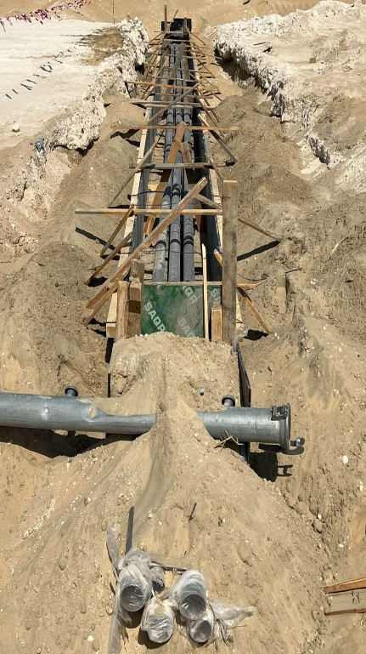
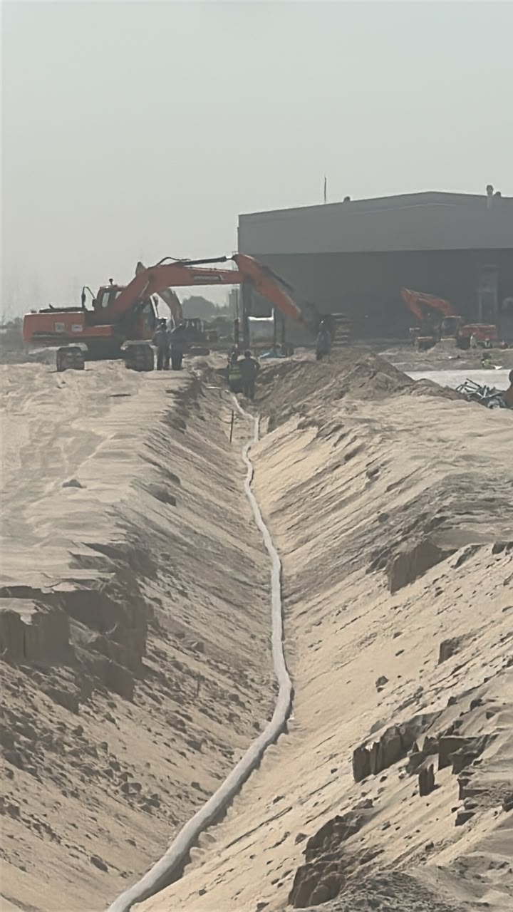
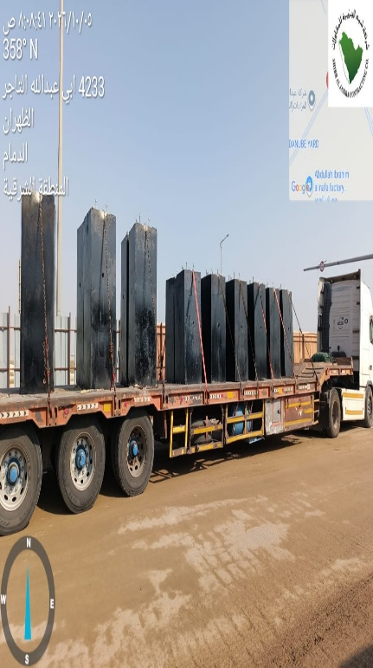
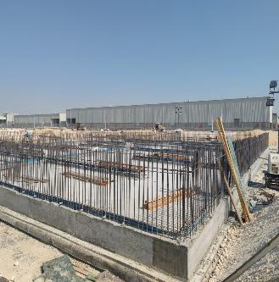
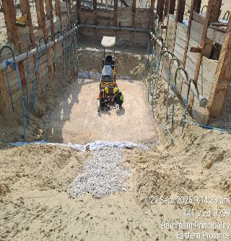
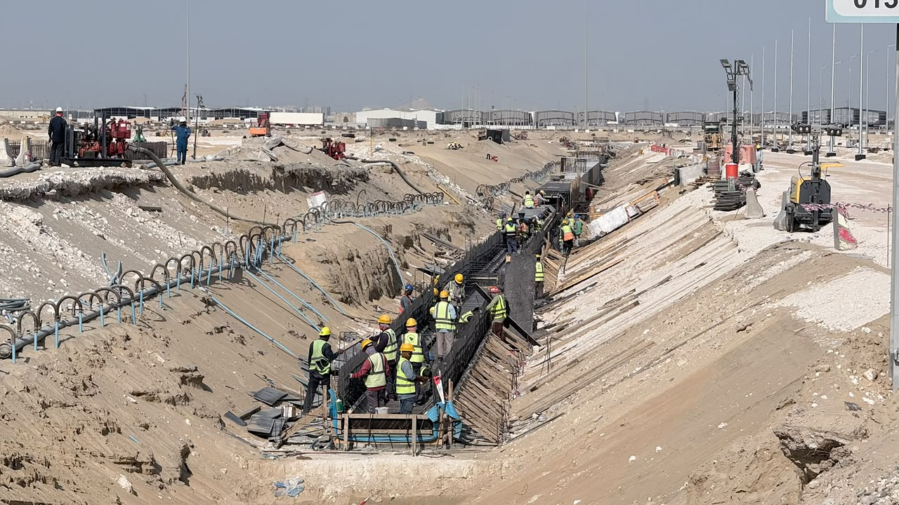
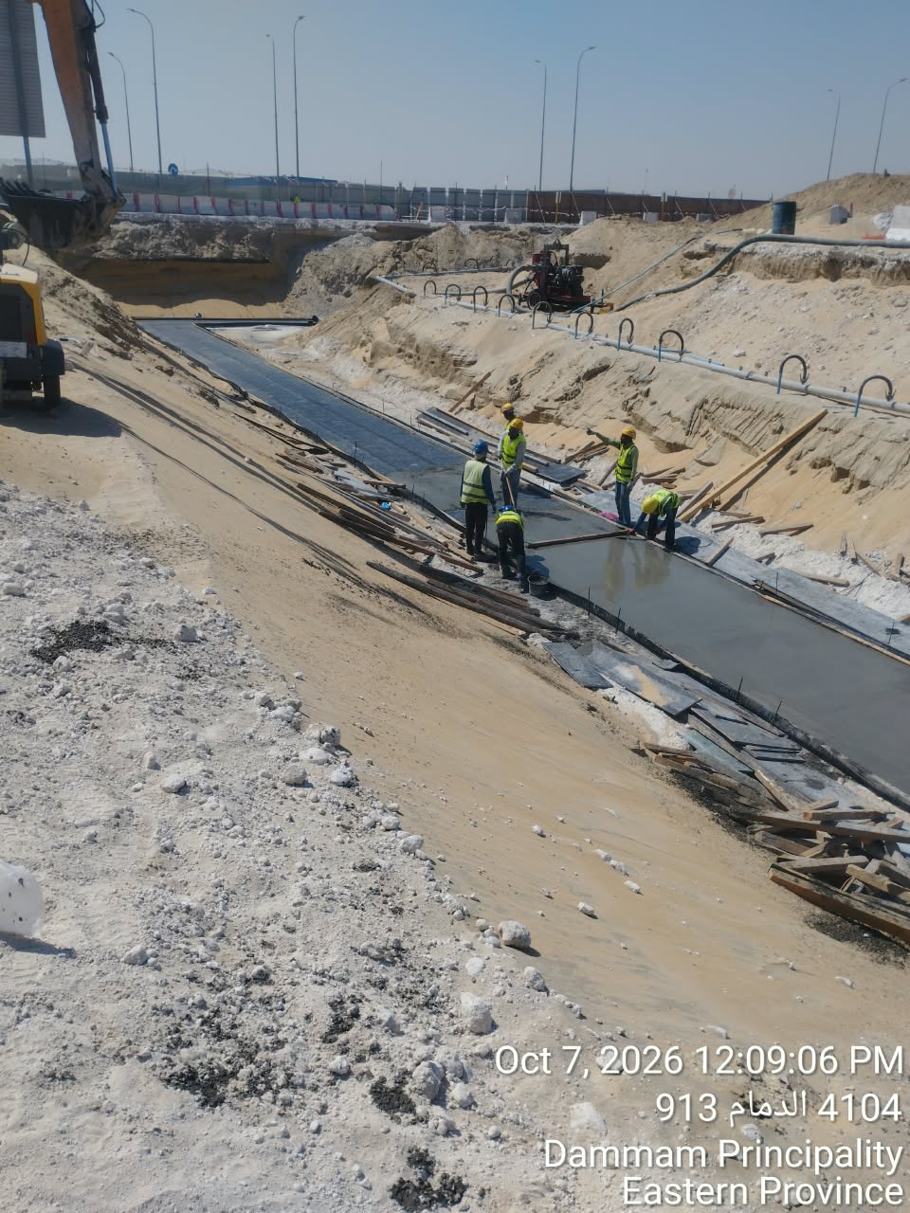
Date | 6-Oct-26

Road & Plots Works |  |  | Wet Networks
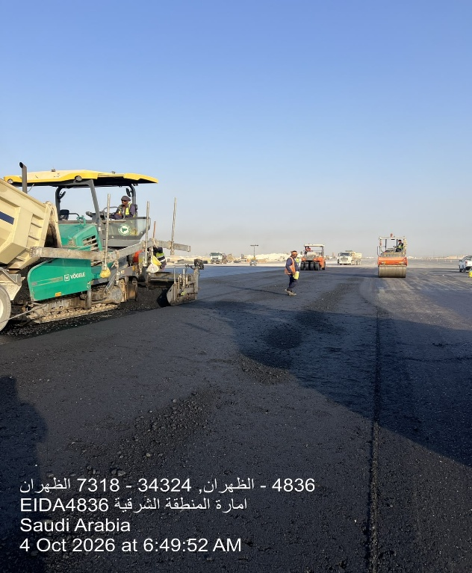
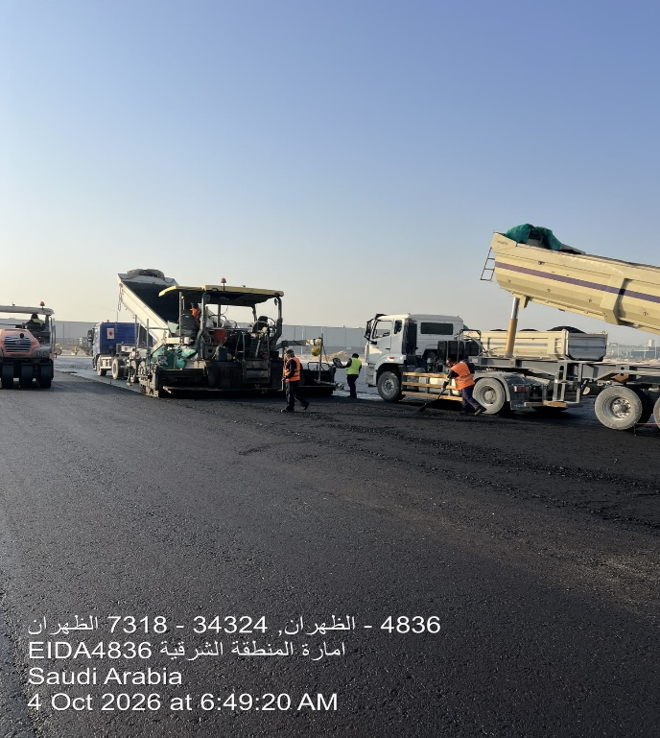
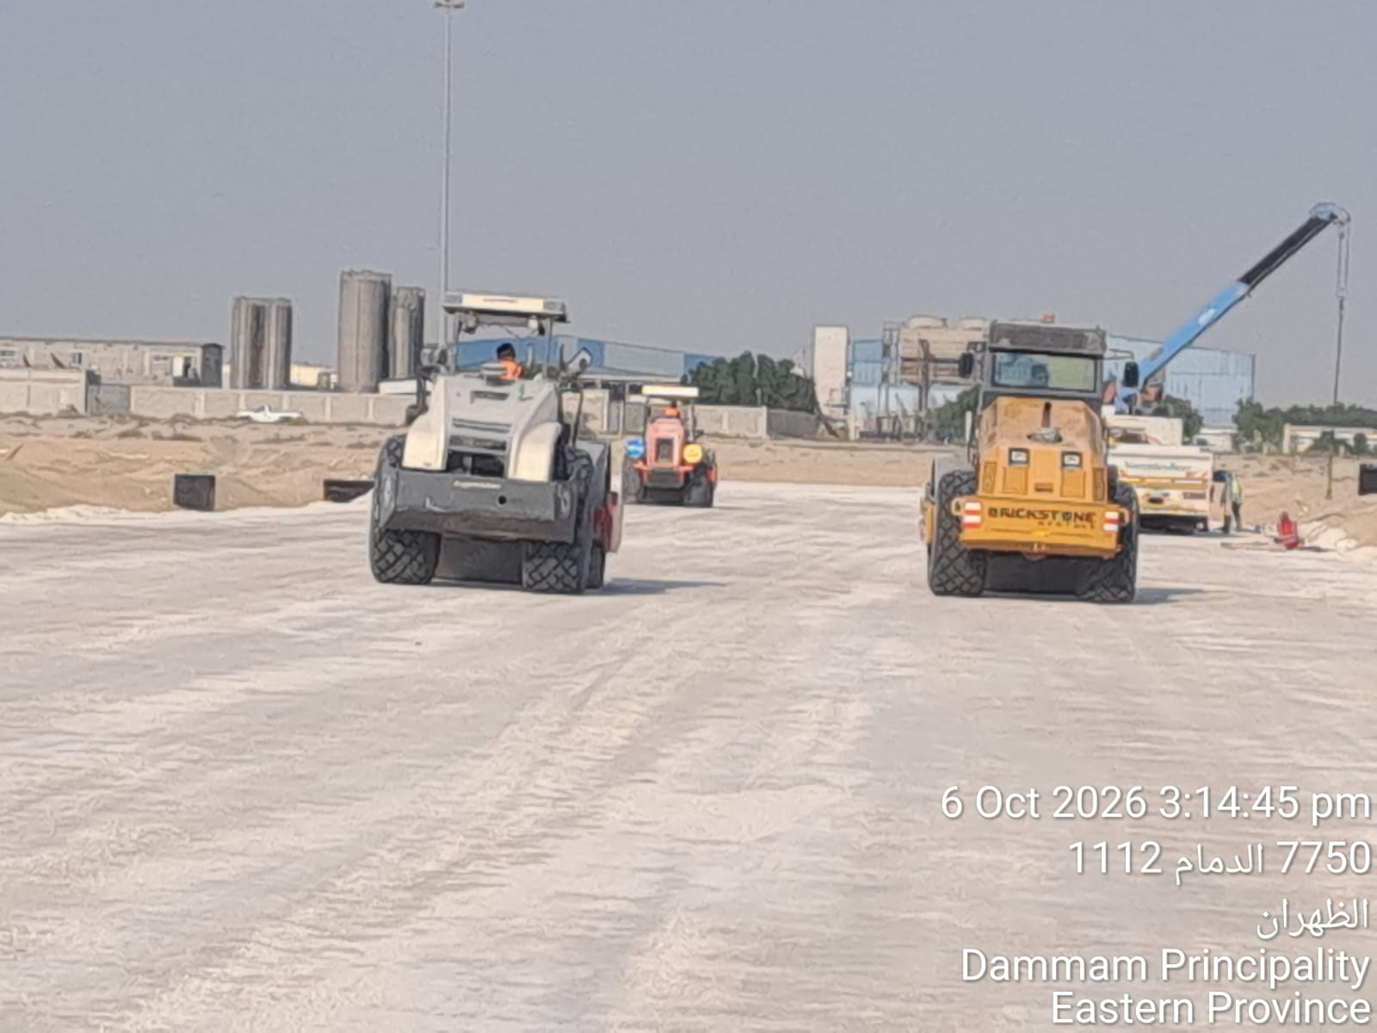
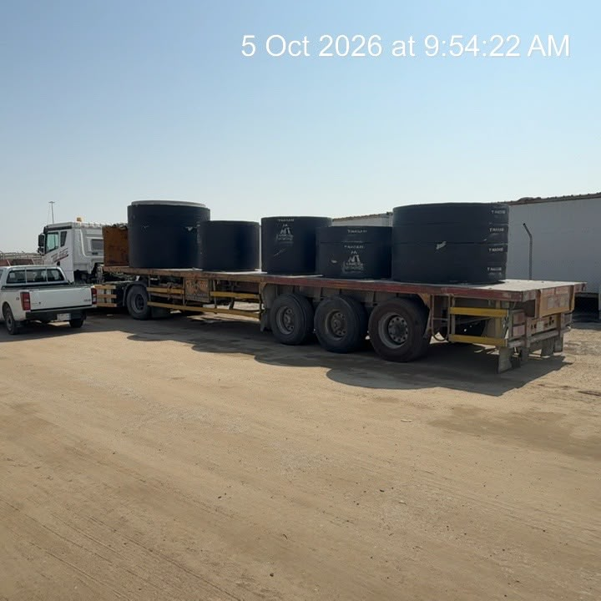
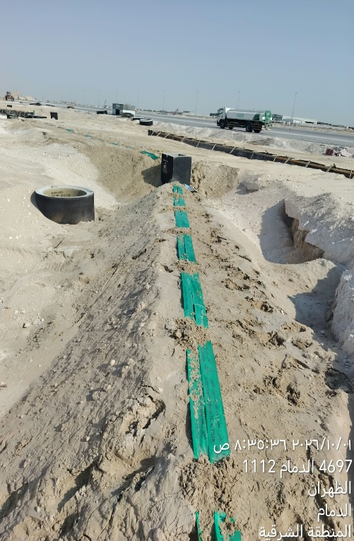
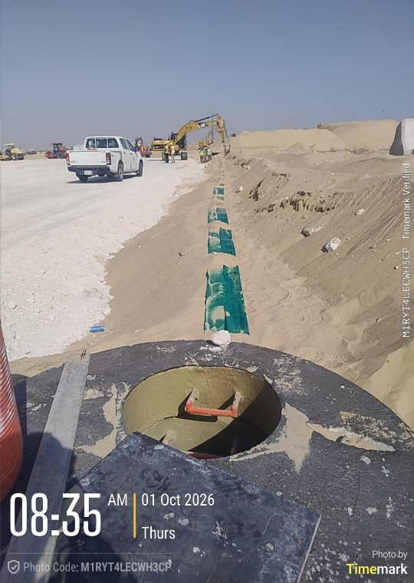
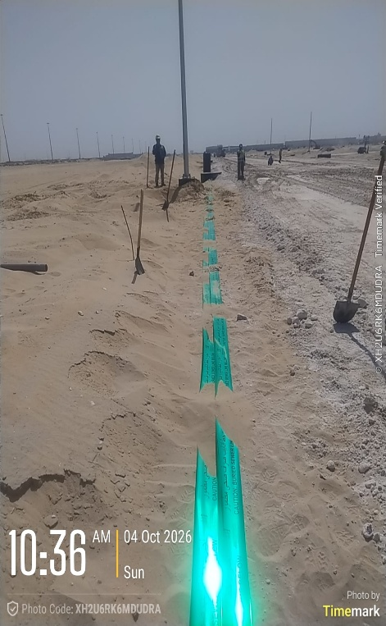

Electrical Networks (Street Lighting Installations, Telecom Ductbank, MV Cable Excavation) |  | Pump & Lift Station |  | Box Culvert

Risk Register

 |  |  |  |  | Status Date:
 |  |  |  |  | 6-Oct-26
...
 |  |  |  |  |  |  |  |  |  |  |  | Before Treatment
 |  | Category |  |  | Risk Description |  |  | Risk Control Dates |  | Risk Manageability | Risk Proximity | Most Likely |  |  | Risk Owner
Project ID | Risk Status | T/O/I | Internal/External | Category | Cause / Source | Risk | Consequence / Effect | Identified | Closed |  |  | Liklihood | Impact | Risk Score

DAM2-01-029 | Open | Threat | Internal | Design / Planning | قلة عدد العمالة والمعدات و توقف مقاول الباطن | Slow Production | Can't Achieve MODON Goals | 1-Apr-26 |  | Moderate | Overdue | Medium | Medium |  | Contractor
DAM2-01-029 | Escalate | Issue | Internal | Resources / Finance | تأخر أعمال العبارة بالطريق الشرياني | Delay in material installation /construction | Delay in construction | 1-Jun-26 |  | Moderate | Overdue | Medium | Medium |  | Contractor
DAM2-01-029 | Open | Issue | Internal | Interface / Communication | ضرورة الانتهاء من تنفيذ الشبكات لتحقيق جاهزية الموقع وبدء أعمال الطرق | Slow work sequence, Delay in Dry Networks | Can't commit with planned dates for fulfilling box culvert | 1-Jun-26 |  | Hard | Med Term | Medium | Medium |  | Contractor
...

Manpower
MANUAL MANPOWER HISTOGRAM
 | Plan - Monthly | Actual - Monthly | Forecast - Monthly
Jul-25 | 1 | 5
Aug-25 | 12 | 31
Sep-25 | 18 | 65
Oct-25 | 35 | 80
Nov-25 | 85 | 93
Dec-25 | 116 | 146
Jan-26 | 205 | 151
Feb-26 | 203 | 172
Mar-26 | 244 | 217
Apr-26 | 248 | 305
May-26 | 263 | 364
Jun-26 | 258 | 408
Jul-26 | 243 | 420
Aug-26 | 391 | 499
Sep-26 | 142 | 519
Oct-26 | 78 | 537
Nov-26 | 78 |  | 560
Dec-26 | 24 |  | 324
Jan-27 | 15 |  | 155
Feb-27 |  |  | 0
Mar-27 |  |  | 0
Apr-27 |  |  | 0
May-27 |  |  | 0
...
Feb-27 | Mar-27 | Apr-27 | May-27
...
- | - | - | -
...
Feb-27 | Mar-27 | Apr-27 | May-27
...
- | - | - | -
...
 |  |  |  |  | Month | Oct-26 | Nov-26
...
Steelfixer | Mason | Surveyor | Others | Total
17 | 14 | 14 | 70 | 391
44 | 10 | 9 | 17 | 537

EQUIPMENT HISTOGRAM
 | Plan - Monthly | Forecast - Monthly | Actual - Monthly
Jul-25 | 1 |  | 2
Aug-25 | 12 |  | 13
Sep-25 | 18 |  | 27
Oct-25 | 35 |  | 37
Nov-25 | 61 |  | 42
Dec-25 | 95 |  | 87
Jan-26 | 110 |  | 91
Feb-26 | 132 |  | 99
Mar-26 | 128 |  | 147
Apr-26 | 150 |  | 204
May-26 | 166 |  | 243
Jun-26 | 170 |  | 245
Jul-26 | 219 |  | 246
Aug-26 | 220 |  | 305
Sep-26 | 215 |  | 324
Oct-26 | 166 |  | 326
Nov-26 | 97 | 285
Dec-26 | 38 | 128
Jan-27 | 15 | 129
Feb-27 |  | 129
Mar-27 |  | 110
Apr-27 |  | 77
May-27 |  | 23
...
Feb-27 | Mar-27 | Apr-27 | May-27
...
129 | 110 | 77 | 23
...

Conclusion ملخص سير الأعمال
...

 | نطاق المشروع |  |  |  |  |  | موقع المشروع
 | البند | الكمية الكلية (م.ط) | الكمية المنفذة (م.ط) | الكمية المتبقية (م.ط) | نسبة المنفذ
 | Sewerage Network | 6,146.02 | 4,454.42 | 1,691.60 | 72.48%
 | Strom Water Network | 14,999.60 | 13,121.12 | 1,878.48 | 87.48%
 | Potable Water Network | 7,217.00 | 4,996.30 | 2,220.70 | 69.23%
 | Fire Fighting Network | 6,268.68 | 5,272.55 | 996.13 | 84.11%
 | TSE Network | 17,678.00 | 1,416.23 | 16,261.77 | 8.01%
 | Medium Voltage Network | 12,559.00 | 2,750.00 | 9,809.00 | 21.90%
 | Low Voltage Network | 14,370.00 |  | 14,370.00 | 0.00% |  | تقدم أعمال layout
 | Street Lighting Network | 21,525.00 | 2,582.30 | 18,942.70 | 12.00% |  | Sewerage Network
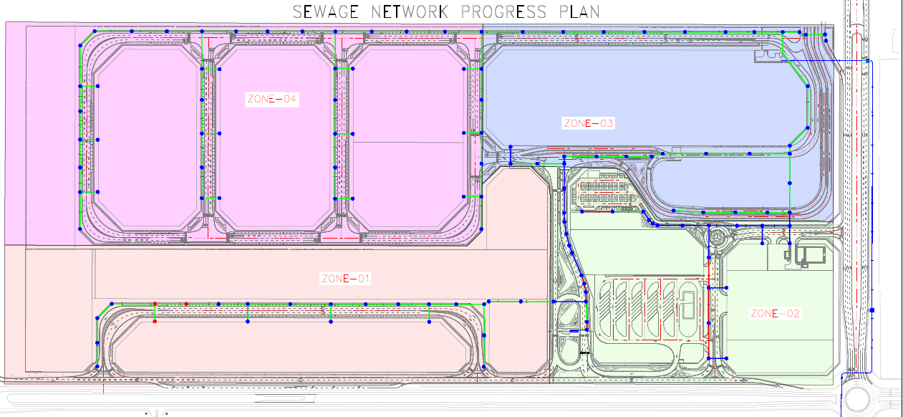
 | Street Lighting Poles | 565.00 | 136.00 | 429.00 | 24.07%
 | Telecommunication Network | 11,001.00 | 1,000.00 | 10,001.00 | 9.09%
 | Road Works | 64,334.00 | 36,244.37 | 28,089.63 | 56.34%
 | ملخص التوريدات
 | البند | الكمية الكلية (م.ط) | الكمية الموردة (م.ط) | الكمية المتبقية (م.ط) | نسبة التوريد
 | Sewer Pipes | 6,256.86 | 6,256.86 | - | 100.00%
 | Sewer Manholes | 136.00 | 136.00 | - | 100.00%
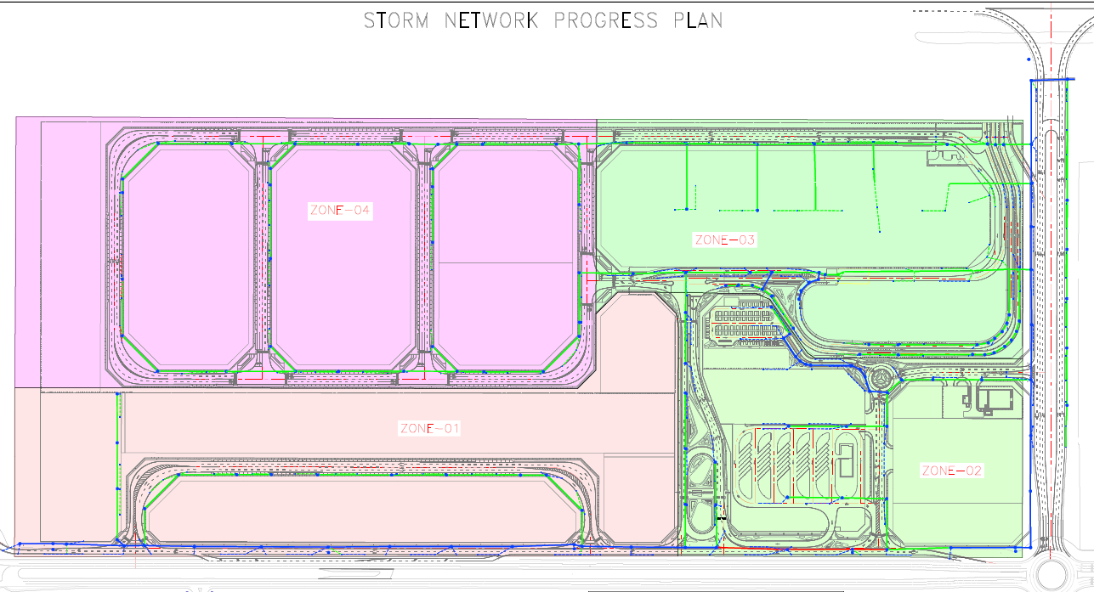
 | Storm Pipes (GRP+UPVC) | 14,999.60 | 12,166.00 | 3,171.15 | 81.11% |  | Strom Water Network
 | Storm Manholes | 163.00 | 158.00 | 97.00 | 96.93%
 | Storm Catch Basins | 377.00 | 307.00 | 377.00 | 81.43%
 | Potable Pipes (HDPE) | 7,217.00 | 5,300.00 | 3,114.00 | 73.44%
 | Firefighting Pipes (HDPE) | 6,268.68 | 5,766.00 | 2,012.68 | 91.98%
 | TSE Pipes (HDPE) | 17,678.00 | 11,057.00 | 11,902.00 | 62.55%
 | Medium Voltage Cables | 12,559.00 | 12,559.00 | - | 100.00%
 | Unit Substation | 3.00 |  | 3.00 | 0.00% |  | Potable Water Network
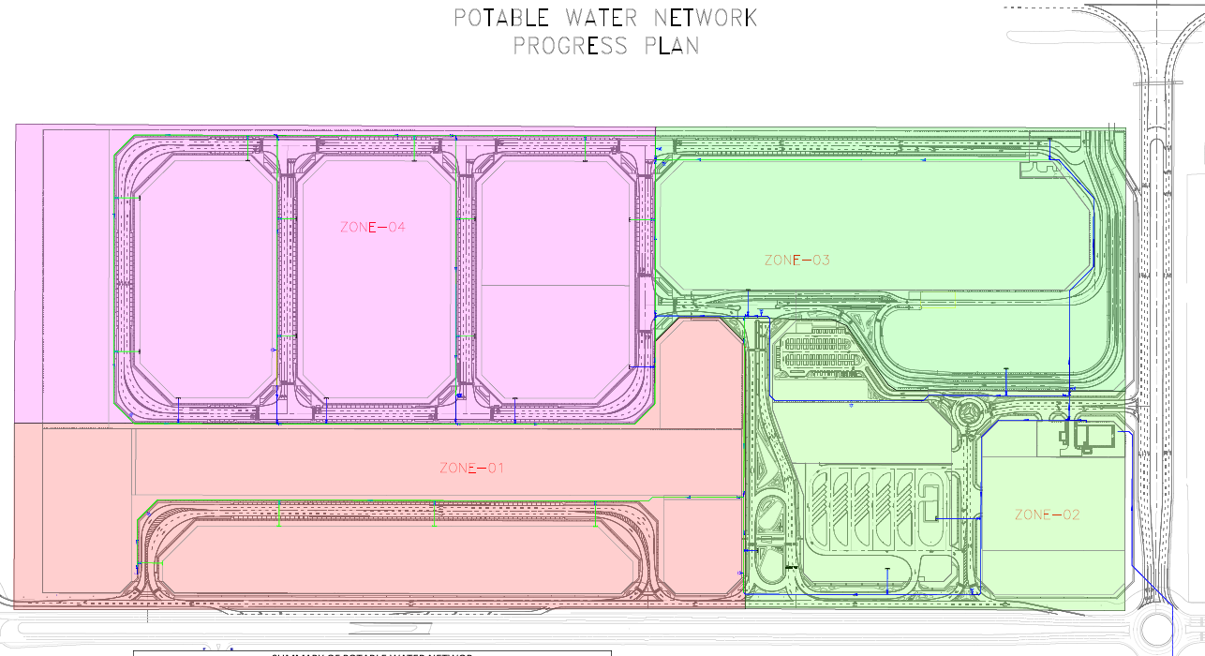
 | RMU | 3.00 |  | 3.00 | 0.00%
 | Low Voltage Cables | 14,370.00 | 1,000.00 | 14,370.00 | 6.96%
 | Street Lighting Cables | 21,525.00 | 1,000.00 | 21,525.00 | 4.65%
 | Street Lighting Poles | 565.00 | 380.00 | 245.00 | 67.26%
...
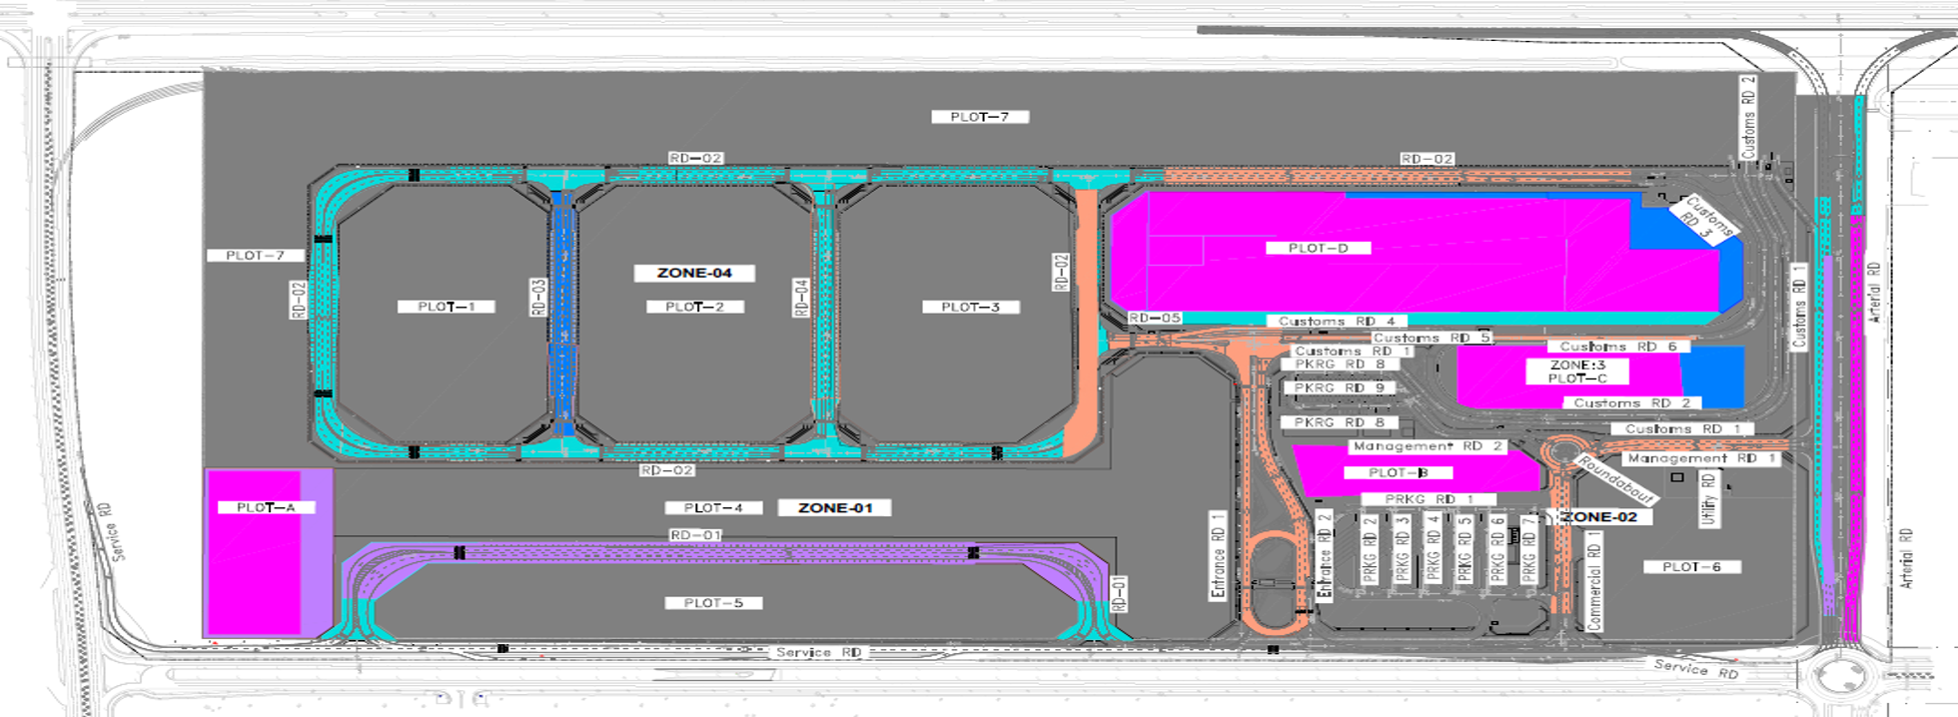
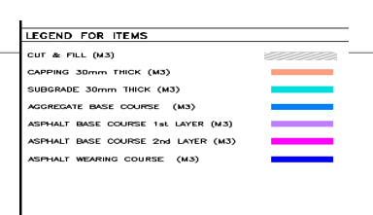
 | التحديات
 | قلة عدد العمالة والمعدات وتوقف مقاول الباطن |  |  |  |  |  | Earth & Road Works
 | تأخر أعمال العبارة بالطريق الشرياني
 | ضرورة الانتهاء من تنفيذ الشبكات لتحقيق جاهزية الموقع وبدء أعمال الطرق
...
Activity Count | BL Project Start | BL Project Finish | Start | Finish | Budgeted Total Cost | Schedule % Complete | Performance % Complete
...

